Figure 1-1
This file presents data, not shown or labeled in the chapter, underlying the figures in Chapter 1 of MedPAC's June 2026 Report to the Congress: Medicare and the Health Care Delivery System
https://www.medpac.gov/wp-content/uploads/2026/06/Jun26_Ch1_MedPAC_Report_To_Congress_SEC_v3.pdf

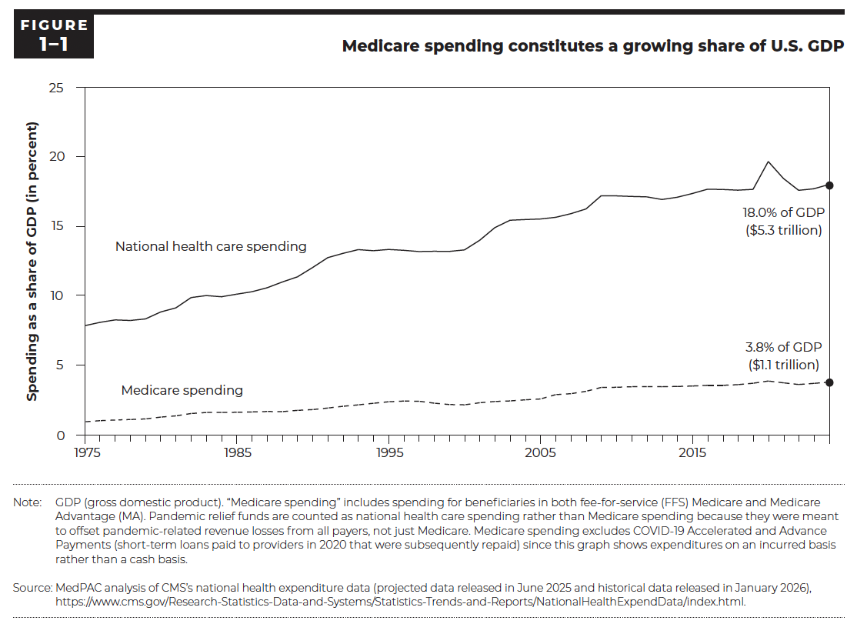
Figure 1-1. Medicare spending constitutes a growing share of U.S. GDP
Spending as a share of GDP

 | National health care spending | Medicare spending
1975 | 7.9% | 1.0%
1976 | 8.1% | 1.1%
1977 | 8.3% | 1.1%
1978 | 8.2% | 1.1%
1979 | 8.4% | 1.2%
1980 | 8.9% | 1.3%
1981 | 9.2% | 1.4%
1982 | 9.9% | 1.6%
1983 | 10.0% | 1.6%
1984 | 10.0% | 1.6%
1985 | 10.1% | 1.7%
1986 | 10.3% | 1.7%
1987 | 10.6% | 1.7%
1988 | 11.0% | 1.7%
1989 | 11.4% | 1.8%
1990 | 12.1% | 1.8%
1991 | 12.8% | 2.0%
1992 | 13.1% | 2.1%
1993 | 13.3% | 2.2%
1994 | 13.3% | 2.3%
1995 | 13.4% | 2.4%
1996 | 13.3% | 2.5%
1997 | 13.2% | 2.5%
1998 | 13.2% | 2.3%
1999 | 13.2% | 2.2%
2000 | 13.3% | 2.2%
2001 | 14.0% | 2.3%
2002 | 14.9% | 2.4%
2003 | 15.4% | 2.5%
2004 | 15.5% | 2.5%
2005 | 15.5% | 2.6%
2006 | 15.7% | 2.9%
2007 | 15.9% | 3.0%
2008 | 16.3% | 3.2%
2009 | 17.2% | 3.4%
2010 | 17.2% | 3.5%
2011 | 17.2% | 3.5%
2012 | 17.1% | 3.5%
2013 | 16.9% | 3.5%
2014 | 17.1% | 3.5%
2015 | 17.4% | 3.5%
2016 | 17.7% | 3.6%
2017 | 17.7% | 3.6%
2018 | 17.6% | 3.6%
2019 | 17.7% | 3.7%
2020 | 19.7% | 3.9%
2021 | 18.4% | 3.8%
2022 | 17.6% | 3.7%
2023 | 17.7% | 3.7%
2024 | 18.0% | 3.8%

Back to Table of Contents

Figure 1-2
This file presents data, not shown or labeled in the chapter, underlying the figures in Chapter 1 of MedPAC's June 2026 Report to the Congress: Medicare and the Health Care Delivery System
https://www.medpac.gov/wp-content/uploads/2026/06/Jun26_Ch1_MedPAC_Report_To_Congress_SEC_v3.pdf

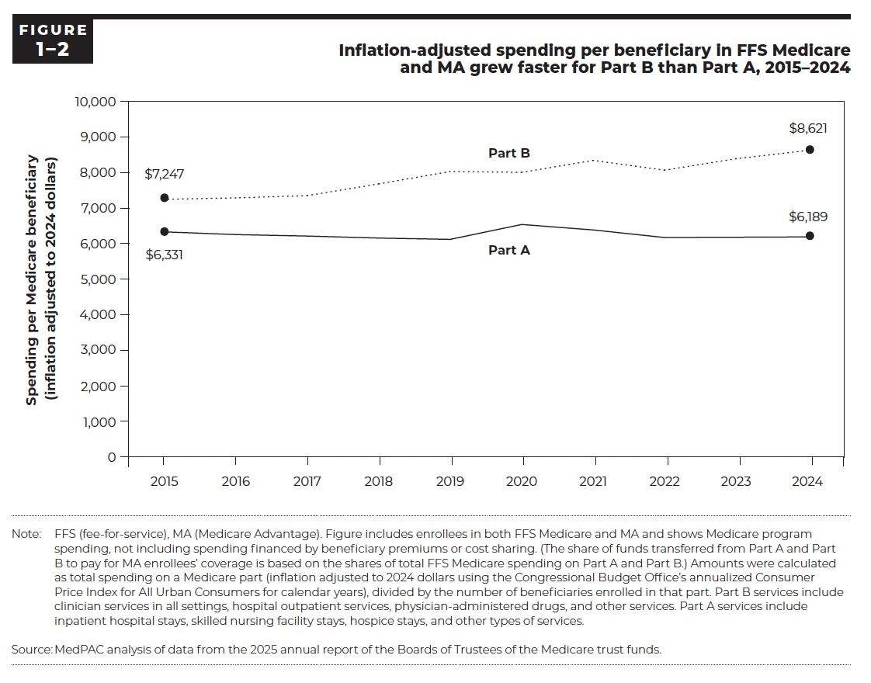
Figure 1-2. Inflation-adjusted spending per beneficiary in FFS Medicare and MA grew faster for Part B than Part A, 2015–2024
Spending per Medicare beneficiary (inflation adjusted to 2024 dollars)

 | Part A | Part B
2015 | $6,331 | $7,247
2016 | $6,255 | $7,287
2017 | $6,213 | $7,351
2018 | $6,157 | $7,681
2019 | $6,120 | $8,030
2020 | $6,539 | $8,005
2021 | $6,385 | $8,341
2022 | $6,172 | $8,067
2023 | $6,180 | $8,389
2024 | $6,189 | $8,621

Back to Table of Contents

Figure 1-3
This file presents data, not shown or labeled in the chapter, underlying the figures in Chapter 1 of MedPAC's June 2026 Report to the Congress: Medicare and the Health Care Delivery System
https://www.medpac.gov/wp-content/uploads/2026/06/Jun26_Ch1_MedPAC_Report_To_Congress_SEC_v3.pdf

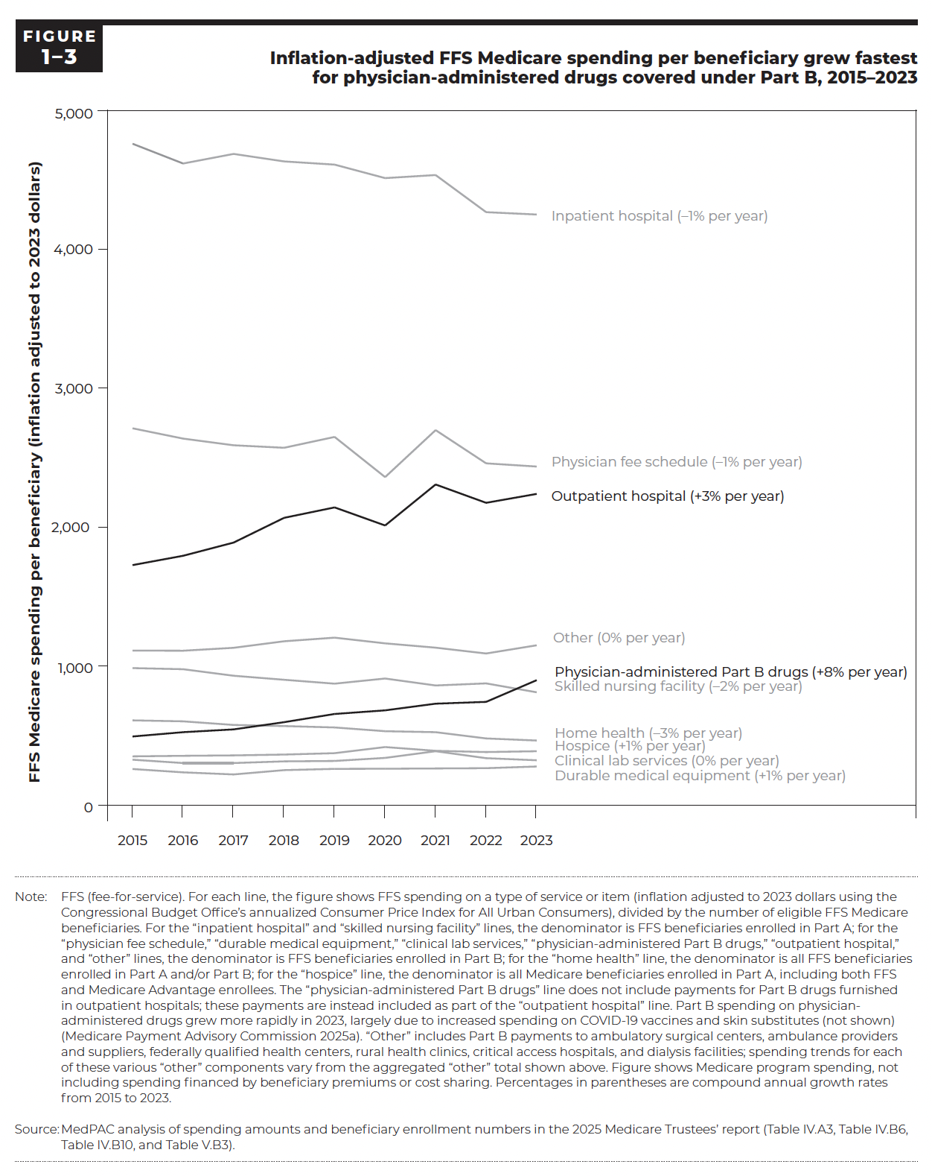
Figure 1-3. Inflation-adjusted FFS Medicare spending per beneficiary grew fastest for physician-administered drugs covered under Part B, 2015–2023
FFS Medicare spending per beneficiary (inflation adjusted to 2023 dollars)

 | Inpatient hospital | Skilled nursing facility | Hospice | Physician fee schedule | Durable medical equipment | Physician- administered Part B drugs | Other | Clinical lab services | Outpatient hospital | Home health
2015 | $4,759 | $987 | $352 | $2,712 | $261 | $489 | $1,113 | $328 | $1,728 | $611
2016 | $4,617 | $979 | $356 | $2,638 | $237 | $526 | $1,112 | $304 | $1,795 | $604
2017 | $4,686 | $932 | $359 | $2,590 | $222 | $546 | $1,133 | $304 | $1,890 | $578
2018 | $4,632 | $903 | $365 | $2,572 | $253 | $598 | $1,180 | $316 | $2,068 | $570
2019 | $4,609 | $875 | $375 | $2,650 | $262 | $657 | $1,206 | $319 | $2,143 | $560
2020 | $4,512 | $912 | $419 | $2,361 | $263 | $683 | $1,165 | $341 | $2,013 | $533
2021 | $4,534 | $862 | $407 | $2,699 | $263 | $731 | $1,134 | $389 | $2,308 | $526
2022 | $4,267 | $877 | $383 | $2,460 | $267 | $744 | $1,092 | $339 | $2,176 | $481
2023 | $4,250 | $813 | $389 | $2,437 | $279 | $891 | $1,151 | $324 | $2,240 | $466

Back to Table of Contents

Erratum: The printed version of the June 2026 report to the Congress contained an error in Figure 1-3. The "Inpatient hospital" and "Skilled nursing facility" lines were calculated incorrectly. The figure has been corrected in the online version of the report.

