Figure 4-5
This file presents the data, not otherwise shown or labeled in the chapter, underlying the figures in Chapter 4 of MedPAC's March 2026 Report to the Congress: Medicare Payment Policy
https://www.medpac.gov/wp-content/uploads/2026/03/Mar26_Ch4_MedPAC_Report_To_Congress_SEC.pdf

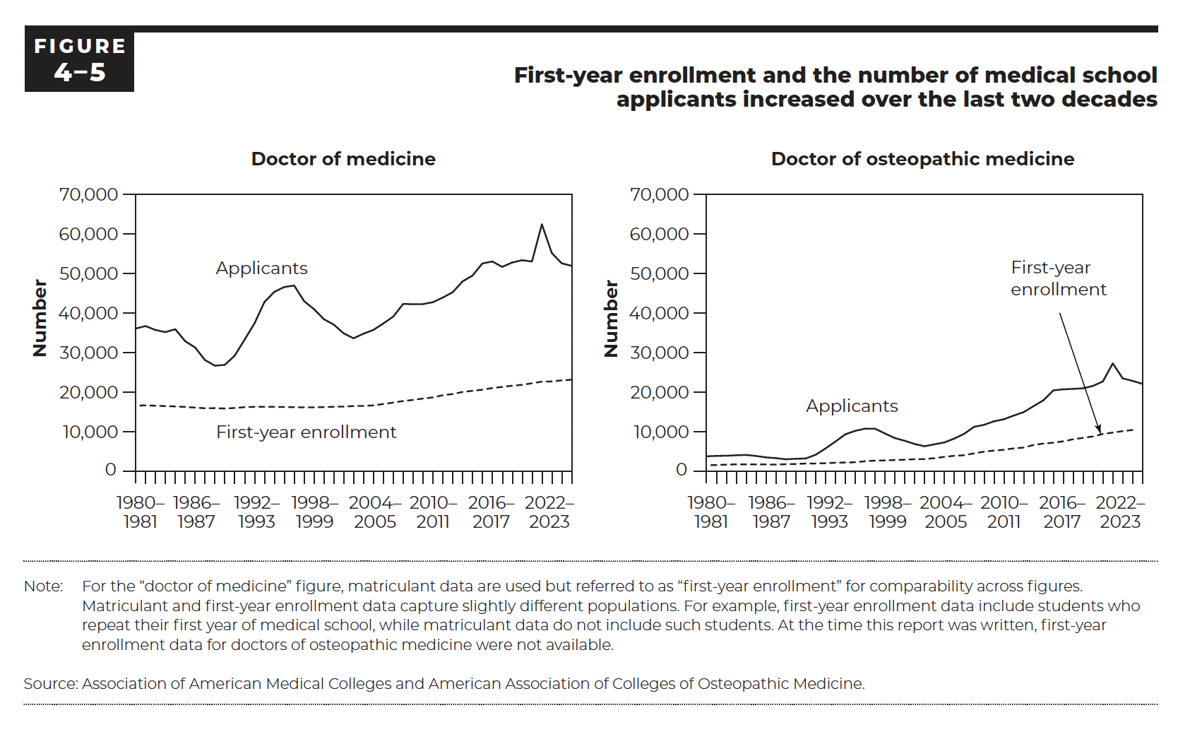
Figure 4-5. First-year enrollment and the number of medical school applicants increased over the last two decades
Number

 | Doctor of medicine |  | Doctor of osteopathic medicine
 | Applicants | First-year enrollment | Applicants | First-year enrollment
1980–1981 | 36,083 | 16,587 | 3,786 | 1,496
1981–1982 | 36,717 | 16,660 | 3,885 | 1,582
1982–1983 | 35,719 | 16,567 | 3,924 | 1,682
1983–1984 | 35,187 | 16,480 | 4,045 | 1,746
1984–1985 | 35,917 | 16,395 | 4,126 | 1,750
1985–1986 | 32,885 | 16,268 | 3,869 | 1,737
1986–1987 | 31,313 | 16,103 | 3,514 | 1,724
1987–1988 | 28,118 | 15,927 | 3,326 | 1,692
1988–1989 | 26,702 | 15,969 | 3,030 | 1,780
1989–1990 | 26,909 | 15,867 | 3,160 | 1,844
1990–1991 | 29,241 | 15,998 | 3,224 | 1,950
1991–1992 | 33,296 | 16,211 | 4,163 | 1,974
1992–1993 | 37,402 | 16,289 | 5,752 | 2,035
1993–1994 | 42,806 | 16,307 | 7,506 | 2,162
1994–1995 | 45,360 | 16,287 | 9,336 | 2,217
1995–1996 | 46,586 | 16,252 | 10,213 | 2,274
1996–1997 | 46,965 | 16,201 | 10,781 | 2,535
1997–1998 | 43,016 | 16,164 | 10,764 | 2,692
1998–1999 | 40,995 | 16,170 | 9,554 | 2,745
1999–2000 | 38,442 | 16,221 | 8,396 | 2,848
2000–2001 | 37,088 | 16,301 | 7,708 | 2,927
2001–2002 | 34,860 | 16,365 | 6,898 | 3,043
2002–2003 | 33,623 | 16,488 | 6,323 | 3,079
2003–2004 | 34,791 | 16,541 | 6,814 | 3,308
2004–2005 | 35,735 | 16,648 | 7,292 | 3,646
2005–2006 | 37,371 | 17,003 | 8,258 | 3,908
2006–2007 | 39,108 | 17,361 | 9,477 | 4,055
2007–2008 | 42,315 | 17,759 | 11,231 | 4,528
2008–2009 | 42,231 | 18,036 | 11,742 | 4,950
2009–2010 | 42,268 | 18,390 | 12,652 | 5,227
2010–2011 | 42,741 | 18,665 | 13,237 | 5,428
2011–2012 | 43,919 | 19,230 | 14,116 | 5,788
2012–2013 | 45,266 | 19,517 | 14,976 | 5,986
2013–2014 | 48,014 | 20,055 | 16,511 | 6,636
2014–2015 | 49,480 | 20,343 | 18,245 | 7,012
2015–2016 | 52,549 | 20,631 | 20,835 | 7,219
2016–2017 | 53,042 | 21,030 | 20,873 | 7,575
2017–2018 | 51,680 | 21,338 | 20,926 | 8,088
2018–2019 | 52,777 | 21,622 | 21,099 | 8,442
2019–2020 | 53,369 | 21,869 | 21,675 | 8,805
2020–2021 | 53,030 | 22,239 | 22,711 | 9,433
2021–2022 | 62,443 | 22,666 | 27,277 | 9,775
2022–2023 | 55,189 | 22,710 | 23,488 | 10,152
2023–2024 | 52,577 | 22,981 | 22,849 | 10,448
2024–2025 | 51,946 | 23,156 | 22,107

Back to Table of Contents

Figure 4-7
This file presents the data, not otherwise shown or labeled in the chapter, underlying the figures in Chapter 4 of MedPAC's March 2026 Report to the Congress: Medicare Payment Policy
https://www.medpac.gov/wp-content/uploads/2026/03/Mar26_Ch4_MedPAC_Report_To_Congress_SEC.pdf

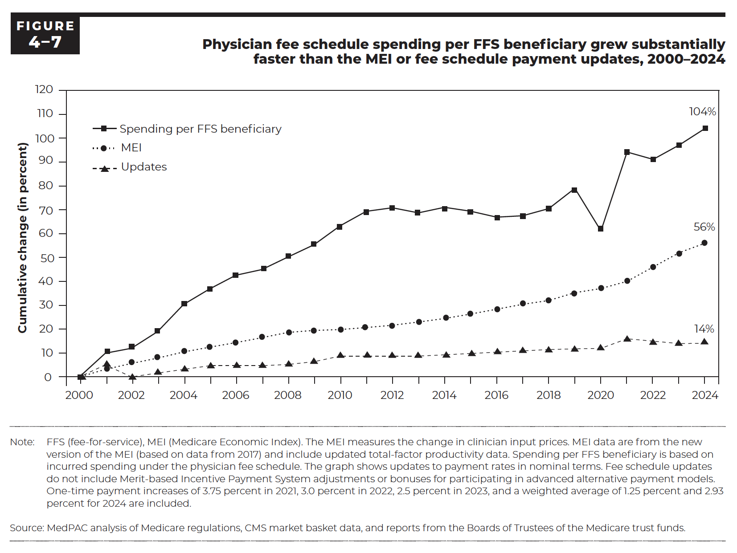
Figure 4-7. Physician fee schedule spending per FFS beneficiary grew substantially faster than the MEI or fee schedule payment updates, 2000–2024
Cumulative change (in percent)

 | Spending per FFS beneficiary | MEI | Updates
2000 | 0% | 0% | 0%
2001 | 10% | 3% | 5%
2002 | 12% | 6% | 0%
2003 | 19% | 8% | 2%
2004 | 30% | 10% | 3%
2005 | 37% | 12% | 5%
2006 | 43% | 14% | 5%
2007 | 45% | 16% | 5%
2008 | 50% | 19% | 5%
2009 | 55% | 19% | 6%
2010 | 63% | 20% | 9%
2011 | 69% | 21% | 9%
2012 | 71% | 22% | 9%
2013 | 69% | 23% | 9%
2014 | 71% | 24% | 9%
2015 | 69% | 26% | 10%
2016 | 67% | 28% | 10%
2017 | 67% | 30% | 11%
2018 | 70% | 32% | 12%
2019 | 79% | 35% | 12%
2020 | 61% | 37% | 12%
2021 | 94% | 40% | 16%
2022 | 95% | 46% | 15%
2023 | 97% | 52% | 14%
2024 | 104% | 56% | 14%

Back to Table of Contents

Figure 4-10
This file presents the data, not otherwise shown or labeled in the chapter, underlying the figures in Chapter 4 of MedPAC's March 2026 Report to the Congress: Medicare Payment Policy
https://www.medpac.gov/wp-content/uploads/2026/03/Mar26_Ch4_MedPAC_Report_To_Congress_SEC.pdf

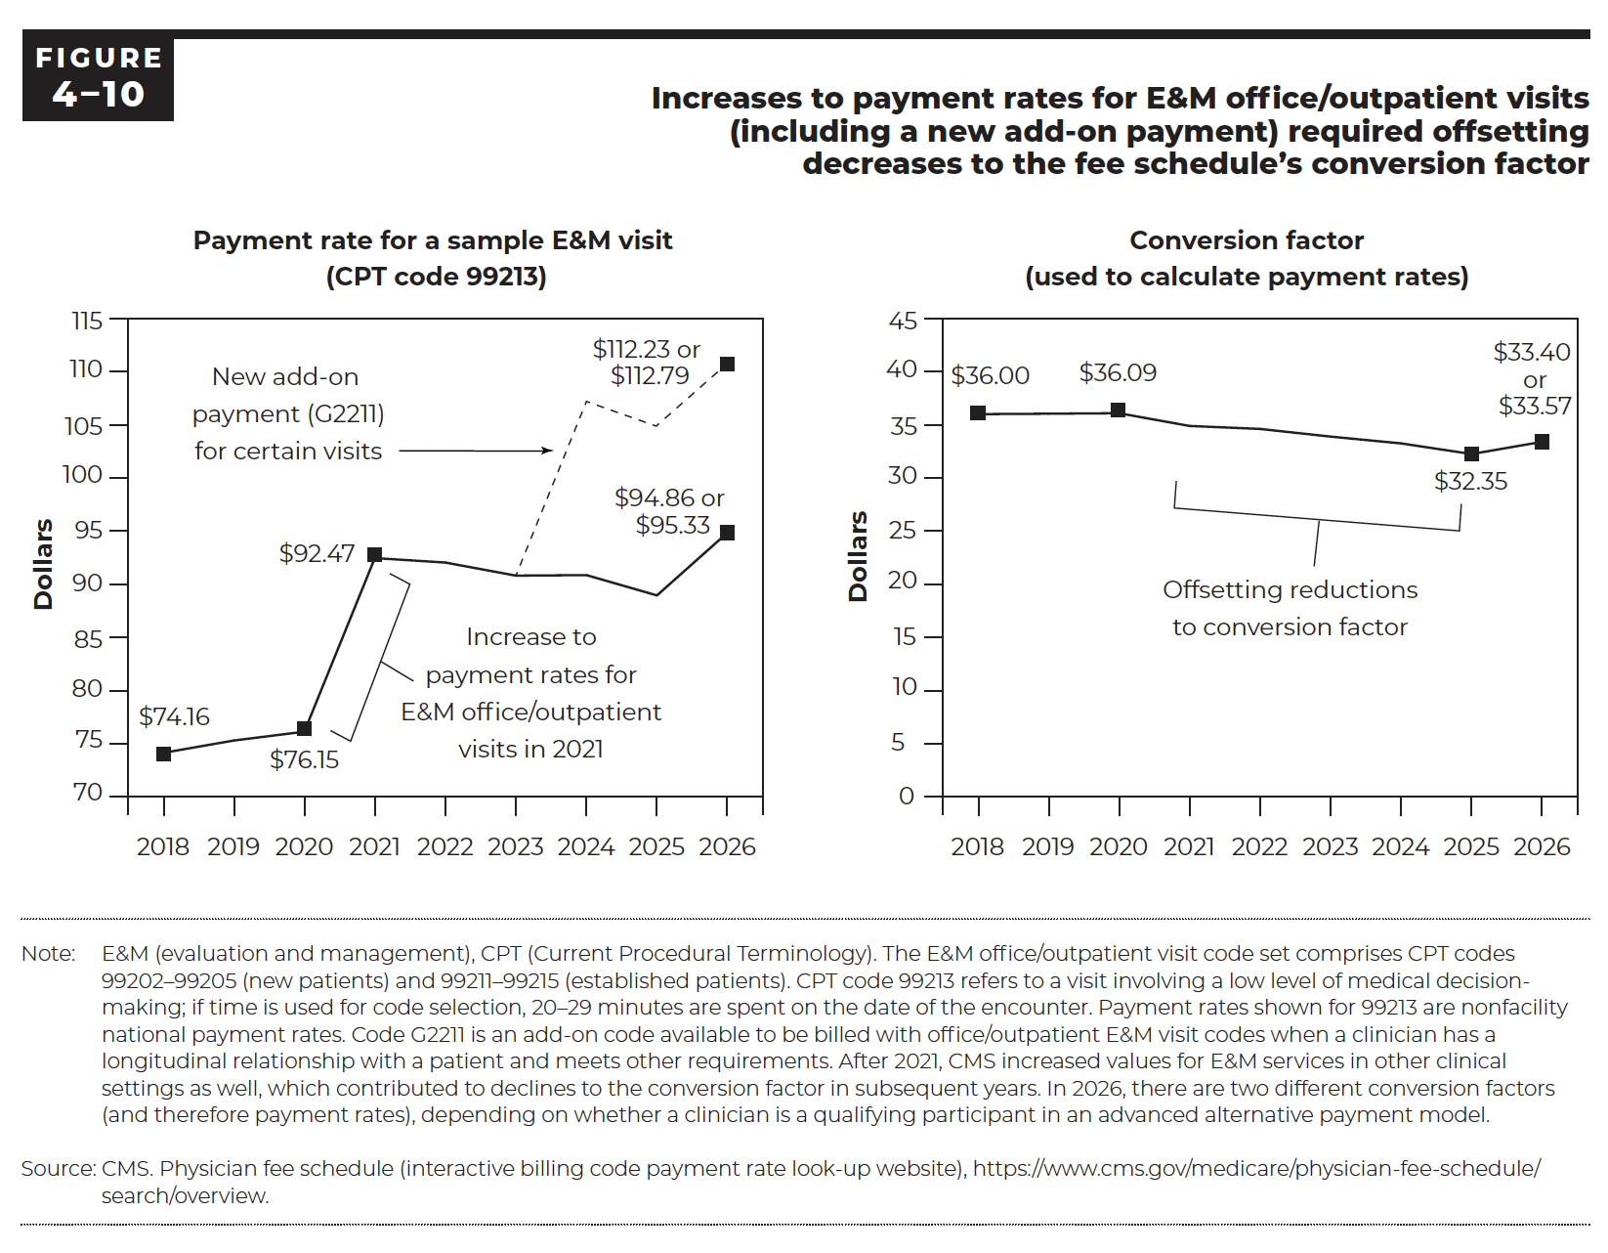
Figure 4-10. Increases to payment rates for E&M office/outpatient visits (including a new add-on payment) required offsetting decreases to the fee schedule's conversion factor
Dollars

 | Payment rate for a sample E&M visit (CPT code 99213) |  |  |  |  |  |  | Conversion factor (used to calculate payment rates)
Year | 99213 (qualifying participants in A–APMs) | 99213 (other clinicians) | G2211 add-on code (qualifying participants in A–APMs) | G2211 add-on code (other clinicians) | Total (qualifying participants in A–APMs) | Total (other clinicians) | Year | Conversion factor (qualifying participants in A–APMs) | Conversion factor (other clinicians)
2018 | $74.16 | $74.16 |  |  | $74.16 | $74.16 | 2018 | $36.00 | $36.00
2019 | $75.32 | $75.32 |  |  | $75.32 | $75.32 | 2019 | $36.04 | $36.04
2020 | $76.15 | $76.15 |  |  | $76.15 | $76.15 | 2020 | $36.09 | $36.09
2021 | $92.47 | $92.47 |  |  | $92.47 | $92.47 | 2021 | $34.89 | $34.89
2022 | $92.05 | $92.05 |  |  | $92.05 | $92.05 | 2022 | $34.61 | $34.61
2023 | $90.82 | $90.82 |  |  | $90.82 | $90.82 | 2023 | $33.89 | $33.89
2024 | $90.87 | $90.87 | $16.31 | $16.31 | $107.18 | $107.18 | 2024 | $33.29 | $33.29
2025 | $88.96 | $88.96 | $15.53 | $15.53 | $104.49 | $104.49 | 2025 | $32.35 | $32.35
2026 | $95.33 | $94.86 | $17.46 | $17.37 | $112.79 | $112.23 | 2026 | $33.57 | $33.40

Back to Table of Contents

Figure 4-11
This file presents the data, not otherwise shown or labeled in the chapter, underlying the figures in Chapter 4 of MedPAC's March 2026 Report to the Congress: Medicare Payment Policy
https://www.medpac.gov/wp-content/uploads/2026/03/Mar26_Ch4_MedPAC_Report_To_Congress_SEC.pdf

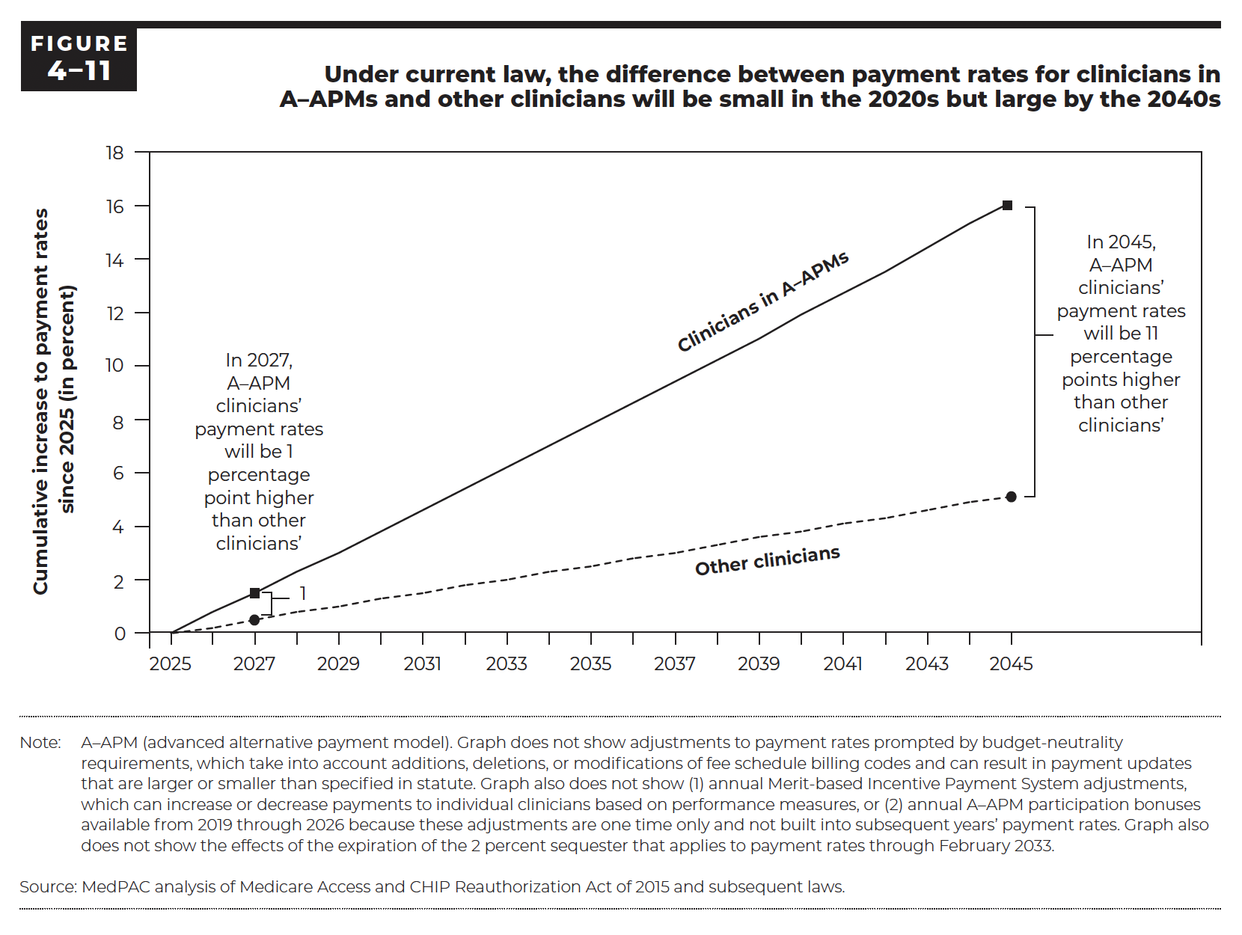
Figure 4-11. Under current law, the difference between payment rates for clinicians in A–APMs and other clinicians will be small in the 2020s but large by the 2040s

Year | Clinicians in A–APMs | Other clinicians
2025 | 0.0% | 0.0%
2026 | 0.8% | 0.2%
2027 | 1.5% | 0.5%
2028 | 2.3% | 0.8%
2029 | 3.0% | 1.0%
2030 | 3.8% | 1.3%
2031 | 4.6% | 1.5%
2032 | 5.4% | 1.8%
2033 | 6.2% | 2.0%
2034 | 7.0% | 2.3%
2035 | 7.8% | 2.5%
2036 | 8.6% | 2.8%
2037 | 9.4% | 3.0%
2038 | 10.2% | 3.3%
2039 | 11.0% | 3.6%
2040 | 11.9% | 3.8%
2041 | 12.7% | 4.1%
2042 | 13.5% | 4.3%
2043 | 14.4% | 4.6%
2044 | 15.3% | 4.9%
2045 | 16.1% | 5.1%

Back to Table of Contents

