Figure 1-1
This file presents the data, not otherwise shown or labeled in the chapter, underlying the figures in Chapter 1 of MedPAC's March 2026 Report to the Congress: Medicare Payment Policy
https://www.medpac.gov/wp-content/uploads/2026/03/Mar26_Ch1_MedPAC_Report_To_Congress_SEC.pdf

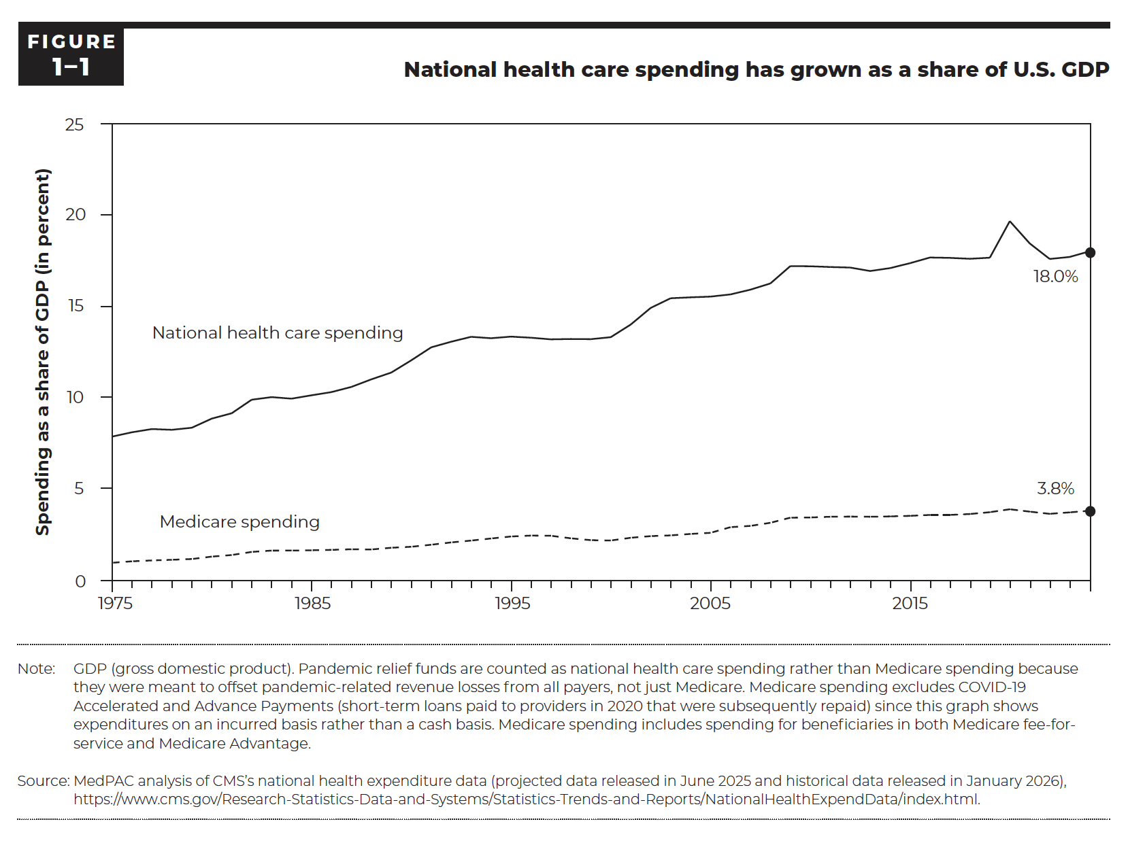
Figure 1-1. National health care spending has grown as a share of U.S. GDP
Spending as a share of GDP (in percent)

 | National health care spending | Medicare spending
1975 | 7.9% | 1.0%
1976 | 8.1% | 1.1%
1977 | 8.3% | 1.1%
1978 | 8.2% | 1.1%
1979 | 8.4% | 1.2%
1980 | 8.9% | 1.3%
1981 | 9.2% | 1.4%
1982 | 9.9% | 1.6%
1983 | 10.0% | 1.6%
1984 | 10.0% | 1.6%
1985 | 10.1% | 1.7%
1986 | 10.3% | 1.7%
1987 | 10.6% | 1.7%
1988 | 11.0% | 1.7%
1989 | 11.4% | 1.8%
1990 | 12.1% | 1.8%
1991 | 12.8% | 2.0%
1992 | 13.1% | 2.1%
1993 | 13.3% | 2.2%
1994 | 13.3% | 2.3%
1995 | 13.4% | 2.4%
1996 | 13.3% | 2.5%
1997 | 13.2% | 2.5%
1998 | 13.2% | 2.3%
1999 | 13.2% | 2.2%
2000 | 13.3% | 2.2%
2001 | 14.0% | 2.3%
2002 | 14.9% | 2.4%
2003 | 15.4% | 2.5%
2004 | 15.5% | 2.5%
2005 | 15.5% | 2.6%
2006 | 15.7% | 2.9%
2007 | 15.9% | 3.0%
2008 | 16.3% | 3.2%
2009 | 17.2% | 3.4%
2010 | 17.2% | 3.5%
2011 | 17.2% | 3.5%
2012 | 17.1% | 3.5%
2013 | 16.9% | 3.5%
2014 | 17.1% | 3.5%
2015 | 17.4% | 3.5%
2016 | 17.7% | 3.6%
2017 | 17.7% | 3.6%
2018 | 17.6% | 3.6%
2019 | 17.7% | 3.7%
2020 | 19.7% | 3.9%
2021 | 18.4% | 3.8%
2022 | 17.6% | 3.7%
2023 | 17.7% | 3.7%
2024 | 18.0% | 3.8%

Back to Table of Contents

Figure 1-2
This file presents the data, not otherwise shown or labeled in the chapter, underlying the figures in Chapter 1 of MedPAC's March 2026 Report to the Congress: Medicare Payment Policy
https://www.medpac.gov/wp-content/uploads/2026/03/Mar26_Ch1_MedPAC_Report_To_Congress_SEC.pdf

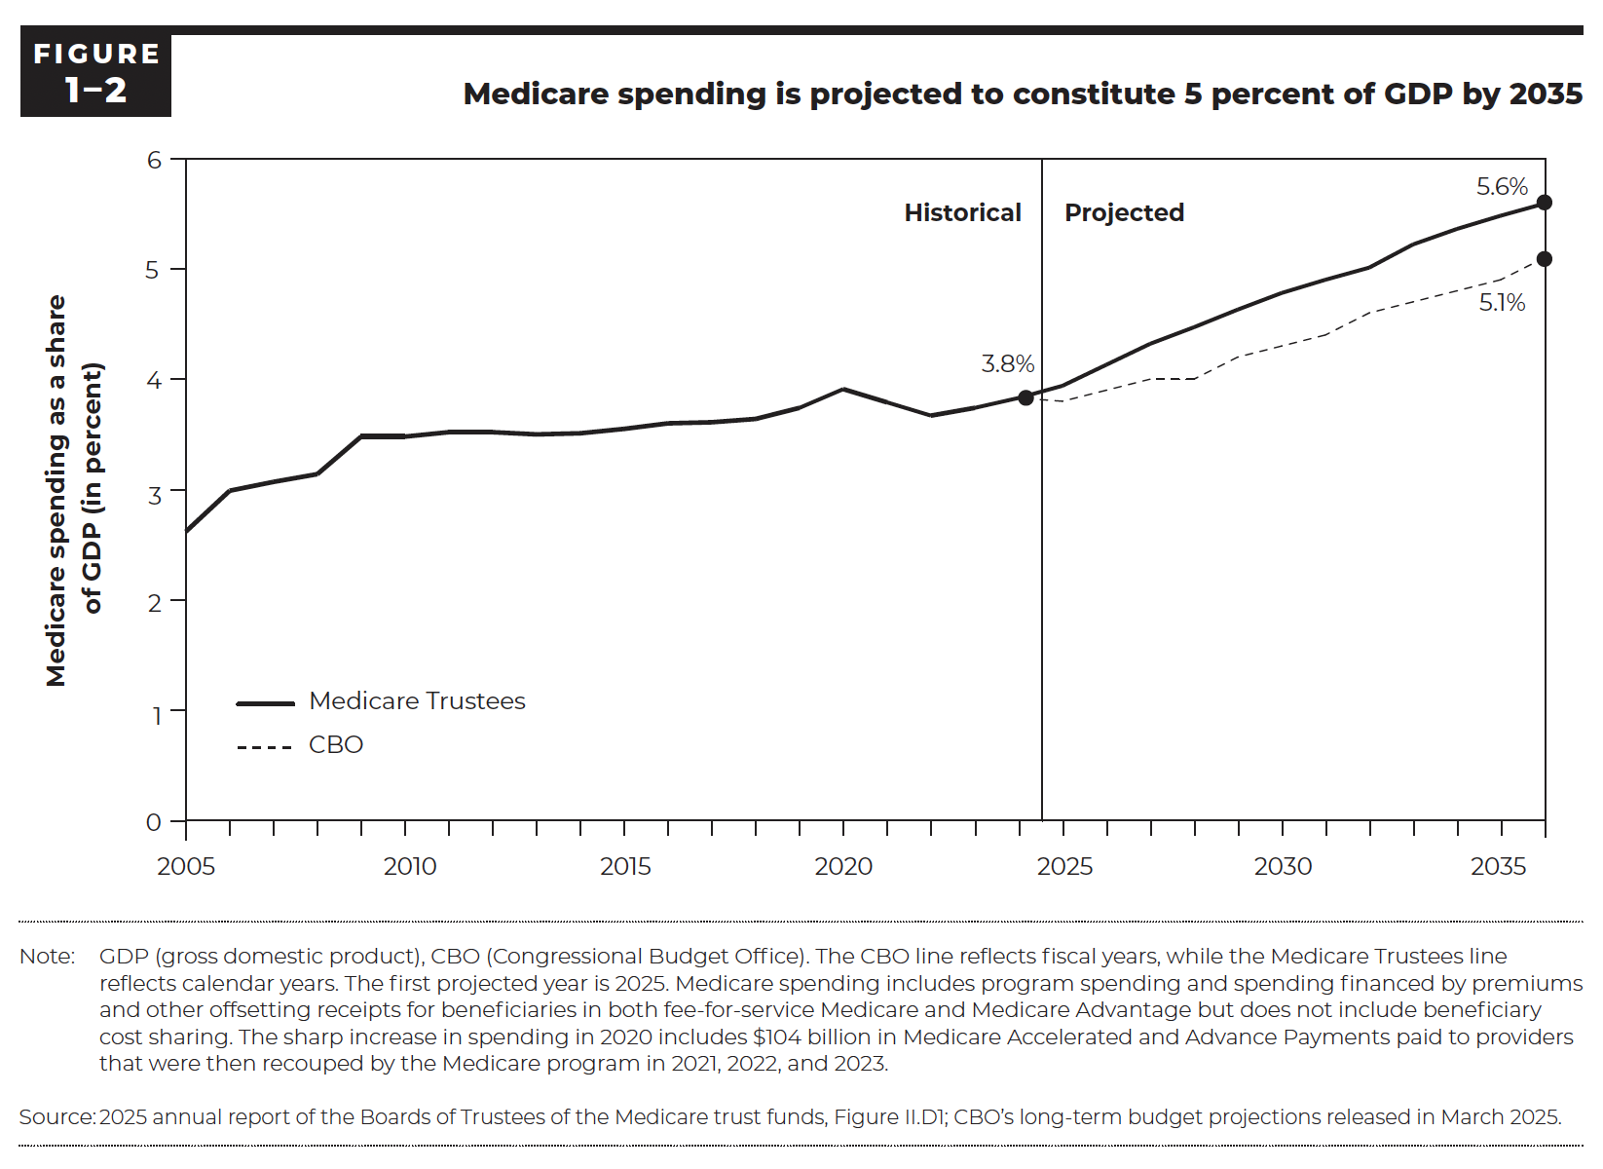
Figure 1-2. Medicare spending is projected to constitute 5 percent of GDP by 2035
Medicare spending as a share of GDP (in percent)

 | Medicare Trustees | Congressional Budget Office
2005 | 2.6%
2006 | 3.0%
2007 | 3.1%
2008 | 3.1%
2009 | 3.5%
2010 | 3.5%
2011 | 3.5%
2012 | 3.5%
2013 | 3.5%
2014 | 3.5%
2015 | 3.6%
2016 | 3.6%
2017 | 3.6%
2018 | 3.6%
2019 | 3.7%
2020 | 3.9%
2021 | 3.8%
2022 | 3.7%
2023 | 3.7%
2024 | 3.8% |  | Historical
2025 | 3.9% | 3.8% | Projected
2026 | 4.1% | 3.9%
2027 | 4.3% | 4.0%
2028 | 4.5% | 4.0%
2029 | 4.6% | 4.2%
2030 | 4.8% | 4.3%
2031 | 4.9% | 4.4%
2032 | 5.0% | 4.6%
2033 | 5.2% | 4.7%
2034 | 5.4% | 4.8%
2035 | 5.5% | 4.9%
2036 | 5.6% | 5.1%

Back to Table of Contents

Figure 1-3
This file presents the data, not otherwise shown or labeled in the chapter, underlying the figures in Chapter 1 of MedPAC's March 2026 Report to the Congress: Medicare Payment Policy
https://www.medpac.gov/wp-content/uploads/2026/03/Mar26_Ch1_MedPAC_Report_To_Congress_SEC.pdf

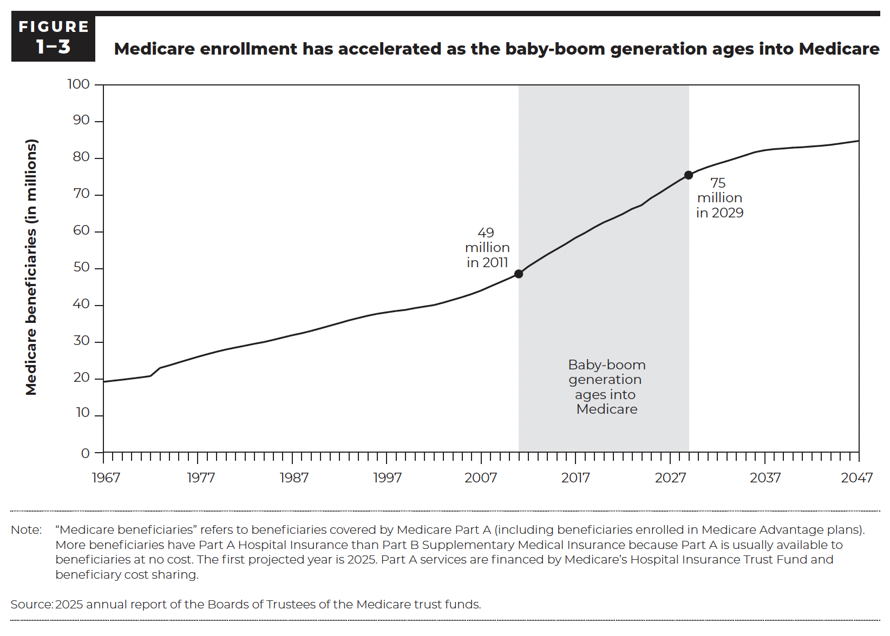
Figure 1-3. Medicare enrollment has accelerated as the baby-boom generation ages into Medicare

 | Medicare beneficiaries (in millions)
1967 | 19.2
1968 | 19.5
1969 | 19.8
1970 | 20.1
1971 | 20.4
1972 | 20.8
1973 | 23.0
1974 | 23.7
1975 | 24.5
1976 | 25.3
1977 | 26.0
1978 | 26.7
1979 | 27.4
1980 | 28.0
1981 | 28.5
1982 | 29.0
1983 | 29.6
1984 | 30.0
1985 | 30.6
1986 | 31.2
1987 | 31.9
1988 | 32.4
1989 | 33.0
1990 | 33.7
1991 | 34.5
1992 | 35.2
1993 | 35.9
1994 | 36.6
1995 | 37.2
1996 | 37.7
1997 | 38.1
1998 | 38.5
1999 | 38.8
2000 | 39.3
2001 | 39.7
2002 | 40.1
2003 | 40.7
2004 | 41.5
2005 | 42.2
2006 | 43.1
2007 | 44.0
2008 | 45.2
2009 | 46.3
2010 | 47.4
2011 | 48.5
2012 | 50.5
2013 | 52.2
2014 | 53.8
2015 | 55.2
2016 | 56.7
2017 | 58.3
2018 | 59.7
2019 | 61.2
2020 | 62.5
2021 | 63.6
2022 | 64.8
2023 | 66.2
2024 | 67.2 | Historical
2025 | 69.1 | Projected
2026 | 70.7
2027 | 72.3
2028 | 73.9
2029 | 75.4
2030 | 76.6
2031 | 77.6
2032 | 78.4
2033 | 79.2
2034 | 80.0
2035 | 80.8
2036 | 81.6
2037 | 82.1
2038 | 82.5
2039 | 82.6
2040 | 82.9
2041 | 83.0
2042 | 83.2
2043 | 83.4
2044 | 83.6
2045 | 84.0
2046 | 84.3
2047 | 84.7

Back to Table of Contents

Figure 1-4
This file presents the data, not otherwise shown or labeled in the chapter, underlying the figures in Chapter 1 of MedPAC's March 2026 Report to the Congress: Medicare Payment Policy
https://www.medpac.gov/wp-content/uploads/2026/03/Mar26_Ch1_MedPAC_Report_To_Congress_SEC.pdf

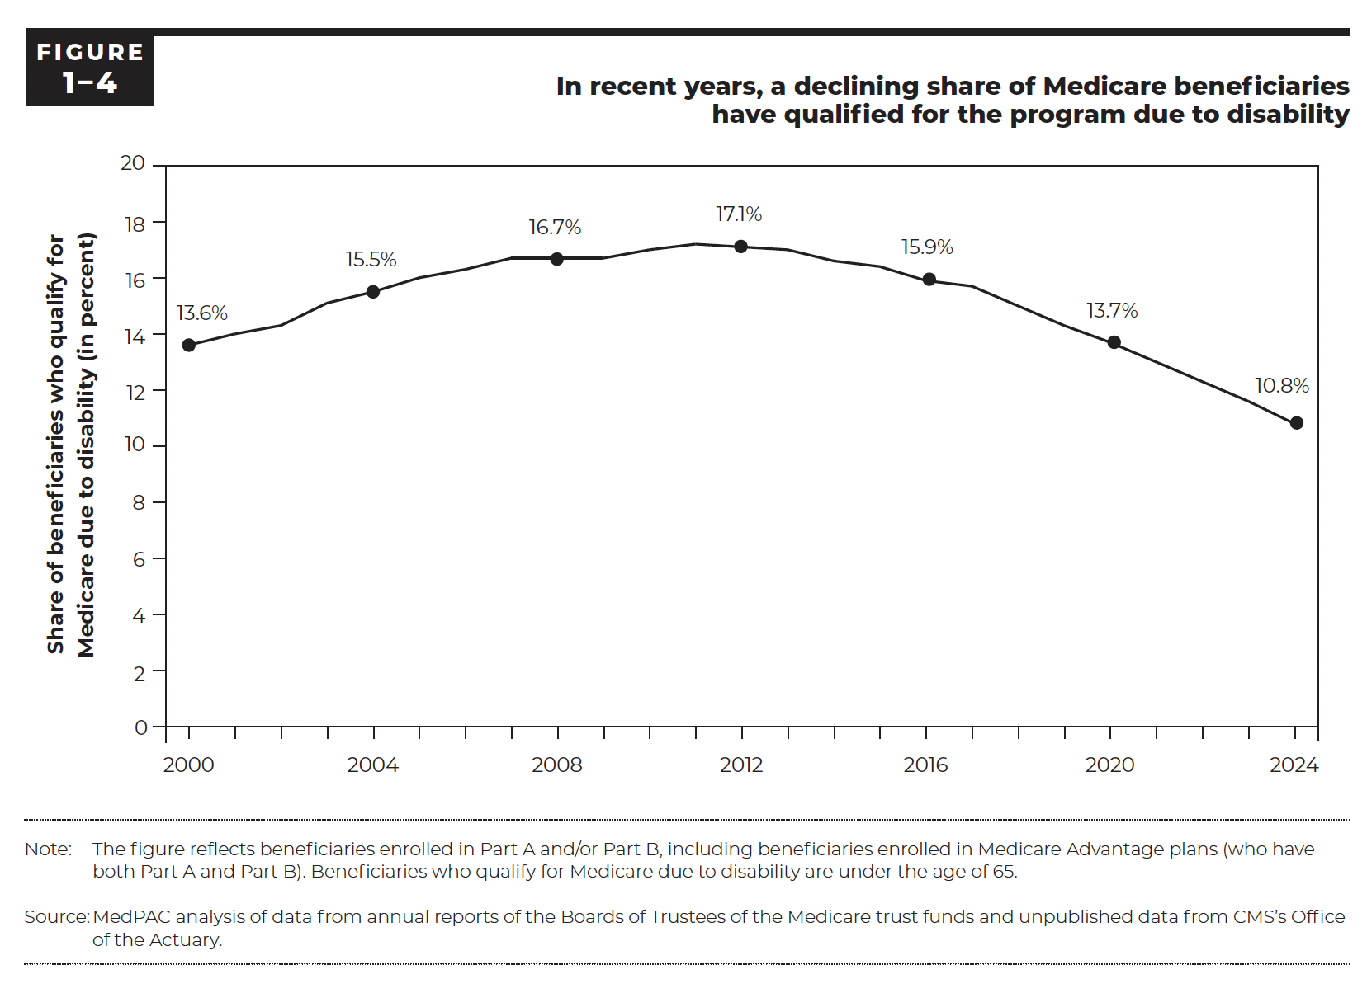
Figure 1-4. In recent years, a declining share of Medicare beneficiaries have qualified for the program due to disability

 | Share of beneficiaries who qualify for Medicare due to disability (in percent)
2000 | 13.6%
2001 | 14.0%
2002 | 14.3%
2003 | 15.1%
2004 | 15.5%
2005 | 16.0%
2006 | 16.3%
2007 | 16.7%
2008 | 16.7%
2009 | 16.7%
2010 | 17.0%
2011 | 17.2%
2012 | 17.1%
2013 | 17.0%
2014 | 16.6%
2015 | 16.4%
2016 | 15.9%
2017 | 15.7%
2018 | 15.0%
2019 | 14.3%
2020 | 13.7%
2021 | 13.0%
2022 | 12.3%
2023 | 11.6%
2024 | 10.8%

Back to Table of Contents

Figure 1-5
This file presents the data, not otherwise shown or labeled in the chapter, underlying the figures in Chapter 1 of MedPAC's March 2026 Report to the Congress: Medicare Payment Policy
https://www.medpac.gov/wp-content/uploads/2026/03/Mar26_Ch1_MedPAC_Report_To_Congress_SEC.pdf

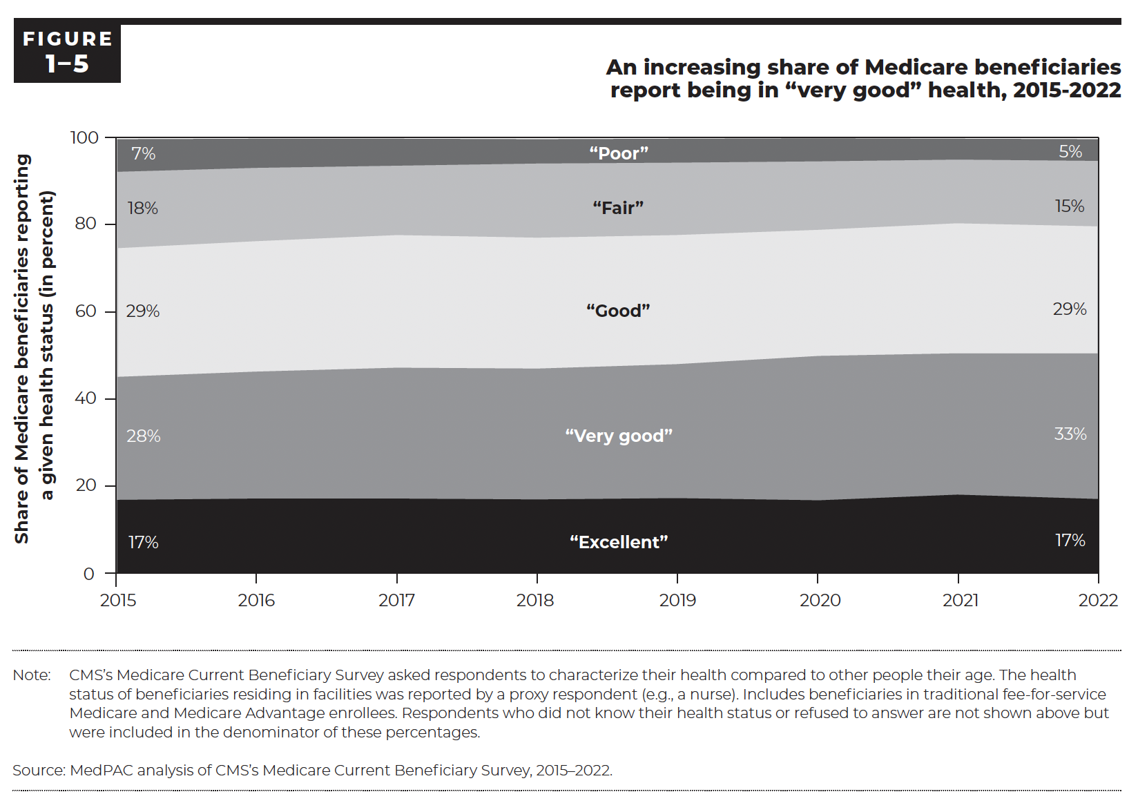
Figure 1-5. An increasing share of Medicare beneficiaries report being in “very good” health, 2015–2022
Share of Medicare beneficiaries reporting a given health status (in percent)

 | Poor | Fair | Good | Very good | Excellent
2015 | 7% | 18% | 29% | 28% | 17%
2016 | 7% | 17% | 30% | 29% | 17%
2017 | 6% | 16% | 30% | 30% | 17%
2018 | 6% | 17% | 30% | 30% | 17%
2019 | 6% | 17% | 30% | 31% | 17%
2020 | 5% | 16% | 29% | 33% | 17%
2021 | 5% | 15% | 30% | 32% | 18%
2022 | 5% | 15% | 29% | 33% | 17%

Back to Table of Contents

Figure 1-6
This file presents the data, not otherwise shown or labeled in the chapter, underlying the figures in Chapter 1 of MedPAC's March 2026 Report to the Congress: Medicare Payment Policy
https://www.medpac.gov/wp-content/uploads/2026/03/Mar26_Ch1_MedPAC_Report_To_Congress_SEC.pdf

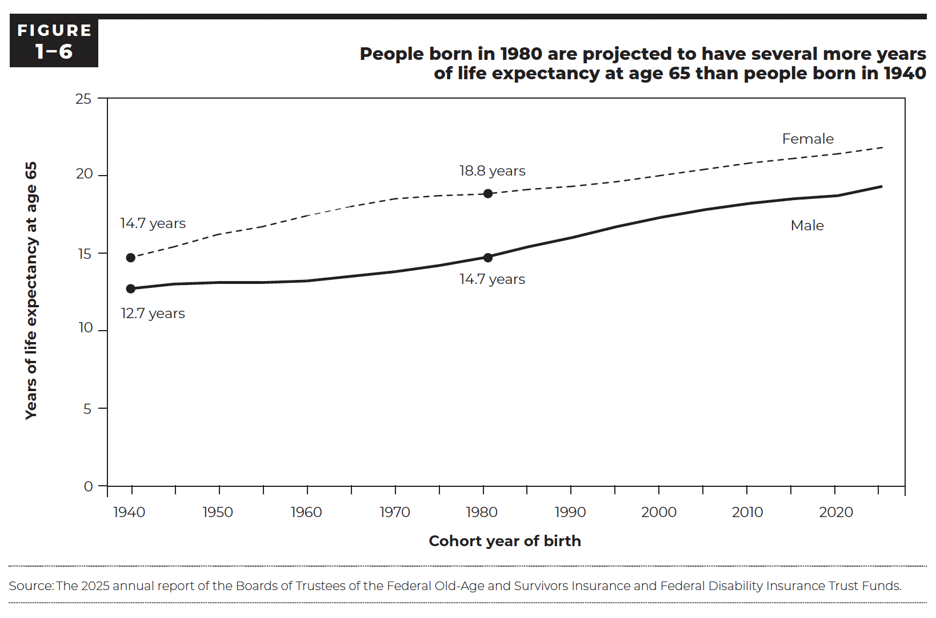
Figure 1-6. People born in 1980 are projected to have several more years of life expectancy at age 65 than people born in 1940
Years of life expectancy at age 65

Cohort year of birth | Male | Female
1940 | 12.7 | 14.7
1945 | 13.0 | 15.4
1950 | 13.1 | 16.2
1955 | 13.1 | 16.7
1960 | 13.2 | 17.4
1965 | 13.5 | 18.0
1970 | 13.8 | 18.5
1975 | 14.2 | 18.7
1980 | 14.7 | 18.8
1985 | 15.4 | 19.0
1990 | 16.0 | 19.3
1995 | 16.7 | 19.6
2000 | 17.3 | 20.0
2005 | 17.8 | 20.4
2010 | 18.2 | 20.7
2015 | 18.5 | 21.1
2020 | 18.7 | 21.4
2025 | 19.3 | 21.8

Back to Table of Contents

Figure 1-7
This file presents the data, not otherwise shown or labeled in the chapter, underlying the figures in Chapter 1 of MedPAC's March 2026 Report to the Congress: Medicare Payment Policy
https://www.medpac.gov/wp-content/uploads/2026/03/Mar26_Ch1_MedPAC_Report_To_Congress_SEC.pdf

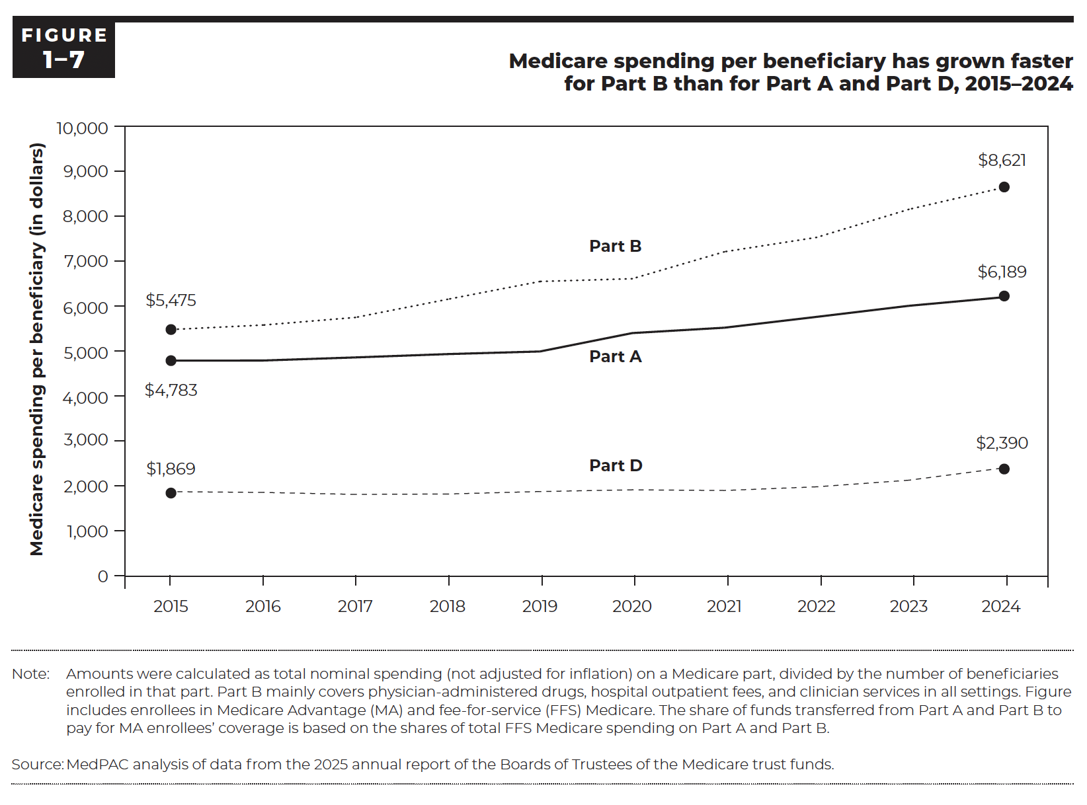
Figure 1-7. Medicare spending per beneficiary has grown faster for Part B than for Part A and Part D, 2015–2024
Medicare spending per beneficiary (in dollars)

 | Part A | Part B | Part D
2015 | $4,783 | $5,475 | $1,869
2016 | $4,786 | $5,575 | $1,852
2017 | $4,855 | $5,744 | $1,808
2018 | $4,929 | $6,148 | $1,817
2019 | $4,987 | $6,544 | $1,872
2020 | $5,396 | $6,605 | $1,910
2021 | $5,516 | $7,205 | $1,895
2022 | $5,757 | $7,525 | $1,977
2023 | $6,003 | $8,149 | $2,124
2024 | $6,189 | $8,621 | $2,390

Back to Table of Contents

Figure 1-8
This file presents the data, not otherwise shown or labeled in the chapter, underlying the figures in Chapter 1 of MedPAC's March 2026 Report to the Congress: Medicare Payment Policy
https://www.medpac.gov/wp-content/uploads/2026/03/Mar26_Ch1_MedPAC_Report_To_Congress_SEC.pdf

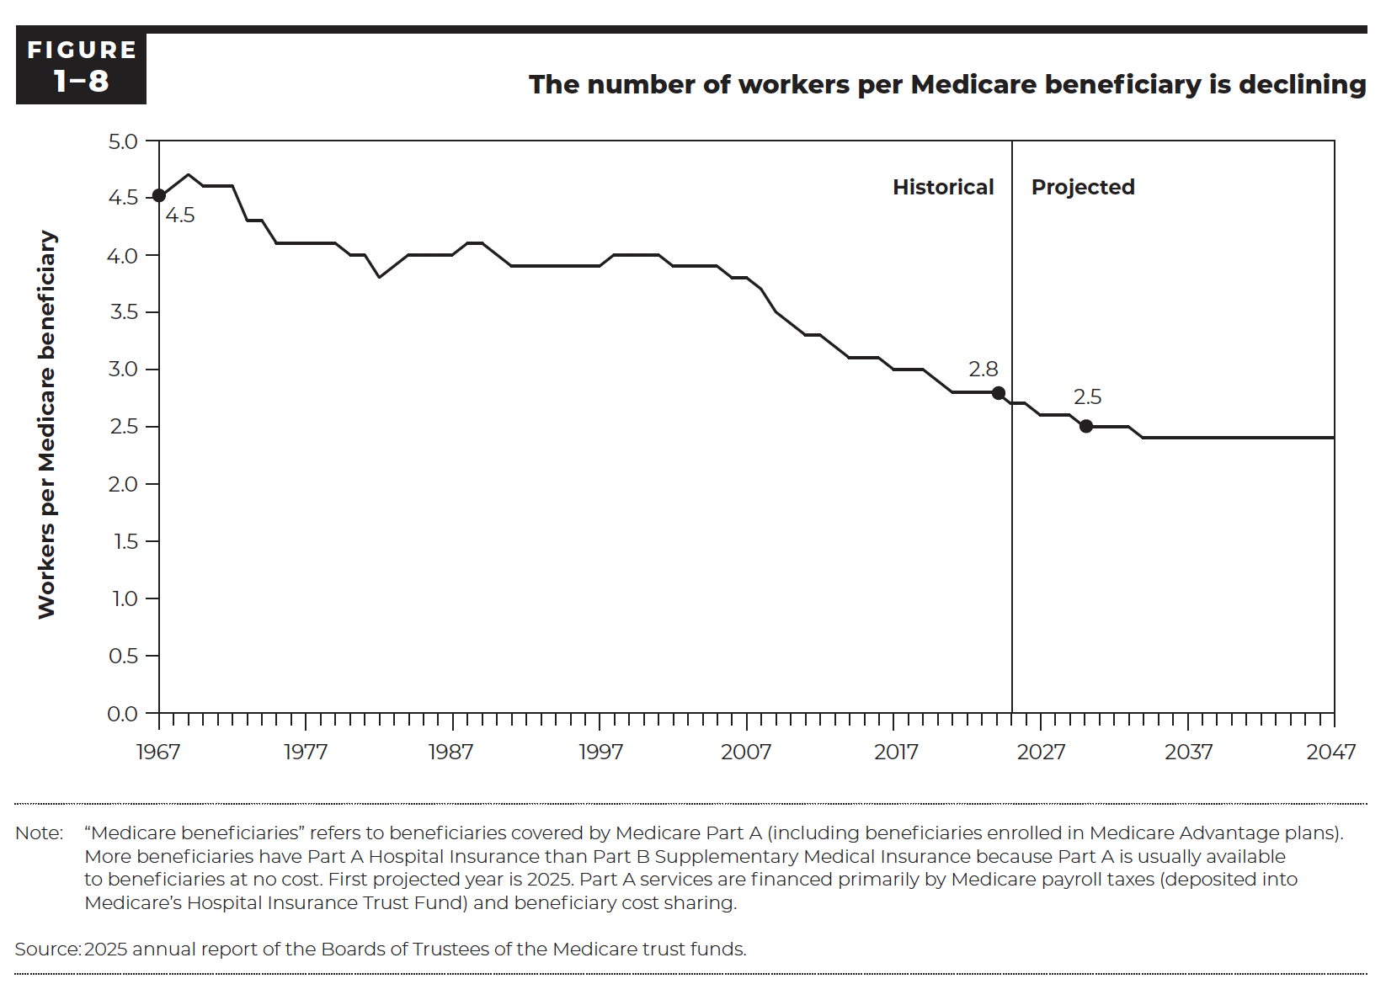
Figure 1-8. The number of workers per Medicare beneficiary is declining

 | Workers per Medicare beneficiary
1967 | 4.5
1968 | 4.6
1969 | 4.7
1970 | 4.6
1971 | 4.6
1972 | 4.6
1973 | 4.3
1974 | 4.3
1975 | 4.1
1976 | 4.1
1977 | 4.1
1978 | 4.1
1979 | 4.1
1980 | 4.0
1981 | 4.0
1982 | 3.8
1983 | 3.9
1984 | 4.0
1985 | 4.0
1986 | 4.0
1987 | 4.0
1988 | 4.1
1989 | 4.1
1990 | 4.0
1991 | 3.9
1992 | 3.9
1993 | 3.9
1994 | 3.9
1995 | 3.9
1996 | 3.9
1997 | 3.9
1998 | 4.0
1999 | 4.0
2000 | 4.0
2001 | 4.0
2002 | 3.9
2003 | 3.9
2004 | 3.9
2005 | 3.9
2006 | 3.8
2007 | 3.8
2008 | 3.7
2009 | 3.5
2010 | 3.4
2011 | 3.3
2012 | 3.3
2013 | 3.2
2014 | 3.1
2015 | 3.1
2016 | 3.1
2017 | 3.0
2018 | 3.0
2019 | 3.0
2020 | 2.9
2021 | 2.8
2022 | 2.8
2023 | 2.8
2024 | 2.8 | Historical
2025 | 2.7 | Projected
2026 | 2.7
2027 | 2.6
2028 | 2.6
2029 | 2.6
2030 | 2.5
2031 | 2.5
2032 | 2.5
2033 | 2.5
2034 | 2.4
2035 | 2.4
2036 | 2.4
2037 | 2.4
2038 | 2.4
2039 | 2.4
2040 | 2.4
2041 | 2.4
2042 | 2.4
2043 | 2.4
2044 | 2.4
2045 | 2.4
2046 | 2.4
2047 | 2.4

Back to Table of Contents

Figure 1-9
This file presents the data, not otherwise shown or labeled in the chapter, underlying the figures in Chapter 1 of MedPAC's March 2026 Report to the Congress: Medicare Payment Policy
https://www.medpac.gov/wp-content/uploads/2026/03/Mar26_Ch1_MedPAC_Report_To_Congress_SEC.pdf

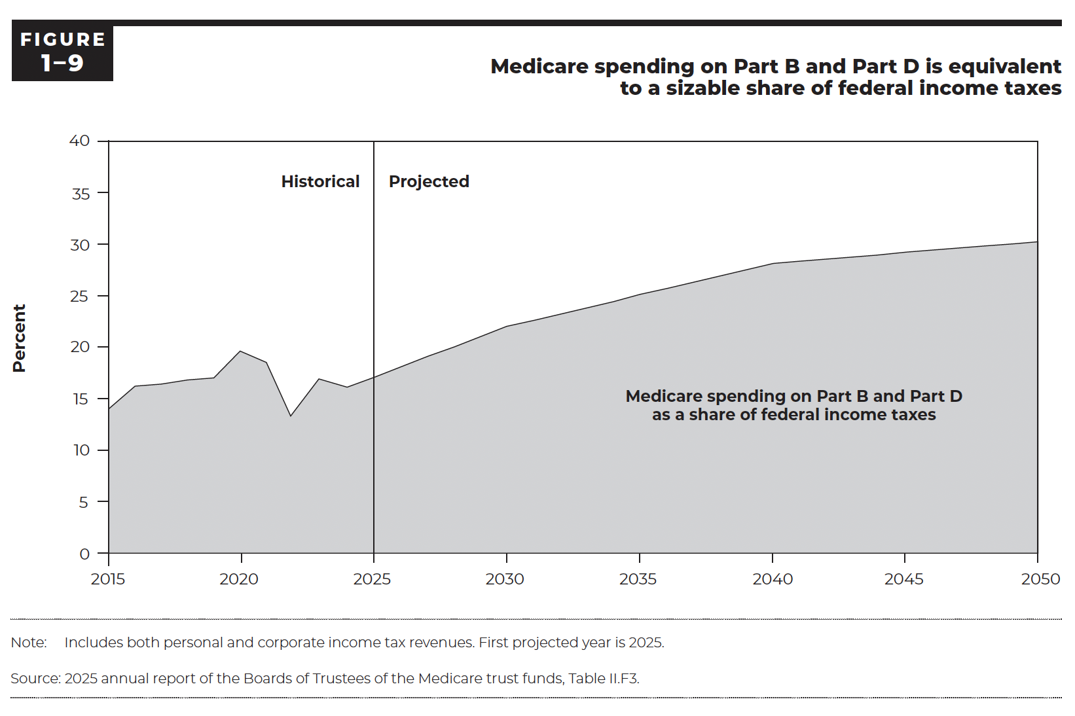
Figure 1-9. Medicare spending on Part B and Part D is equivalent to a sizable share of federal income taxes
Medicare spending on Part B and Part D as a share of federal income taxes

 | Percent
2015 | 14.0%
2016 | 16.2%
2017 | 16.4%
2018 | 16.8%
2019 | 17.0%
2020 | 19.6%
2021 | 18.5%
2022 | 13.3%
2023 | 16.9%
2024 | 16.1% | Historical
2025 | 17.1% | Projected
2026 | 18.1%
2027 | 19.1%
2028 | 20.0%
2029 | 21.0%
2030 | 22.0%
2031 | 22.6%
2032 | 23.2%
2033 | 23.8%
2034 | 24.4%
2035 | 25.1%
2036 | 25.7%
2037 | 26.3%
2038 | 26.9%
2039 | 27.5%
2040 | 28.1%
2041 | 28.3%
2042 | 28.5%
2043 | 28.7%
2044 | 28.9%
2045 | 29.2%
2046 | 29.4%
2047 | 29.6%
2048 | 29.8%
2049 | 30.0%
2050 | 30.2%

Back to Table of Contents

Back to Table of Contents

Figure 1-10
This file presents the data, not otherwise shown or labeled in the chapter, underlying the figures in Chapter 1 of MedPAC's March 2026 Report to the Congress: Medicare Payment Policy
https://www.medpac.gov/wp-content/uploads/2026/03/Mar26_Ch1_MedPAC_Report_To_Congress_SEC.pdf

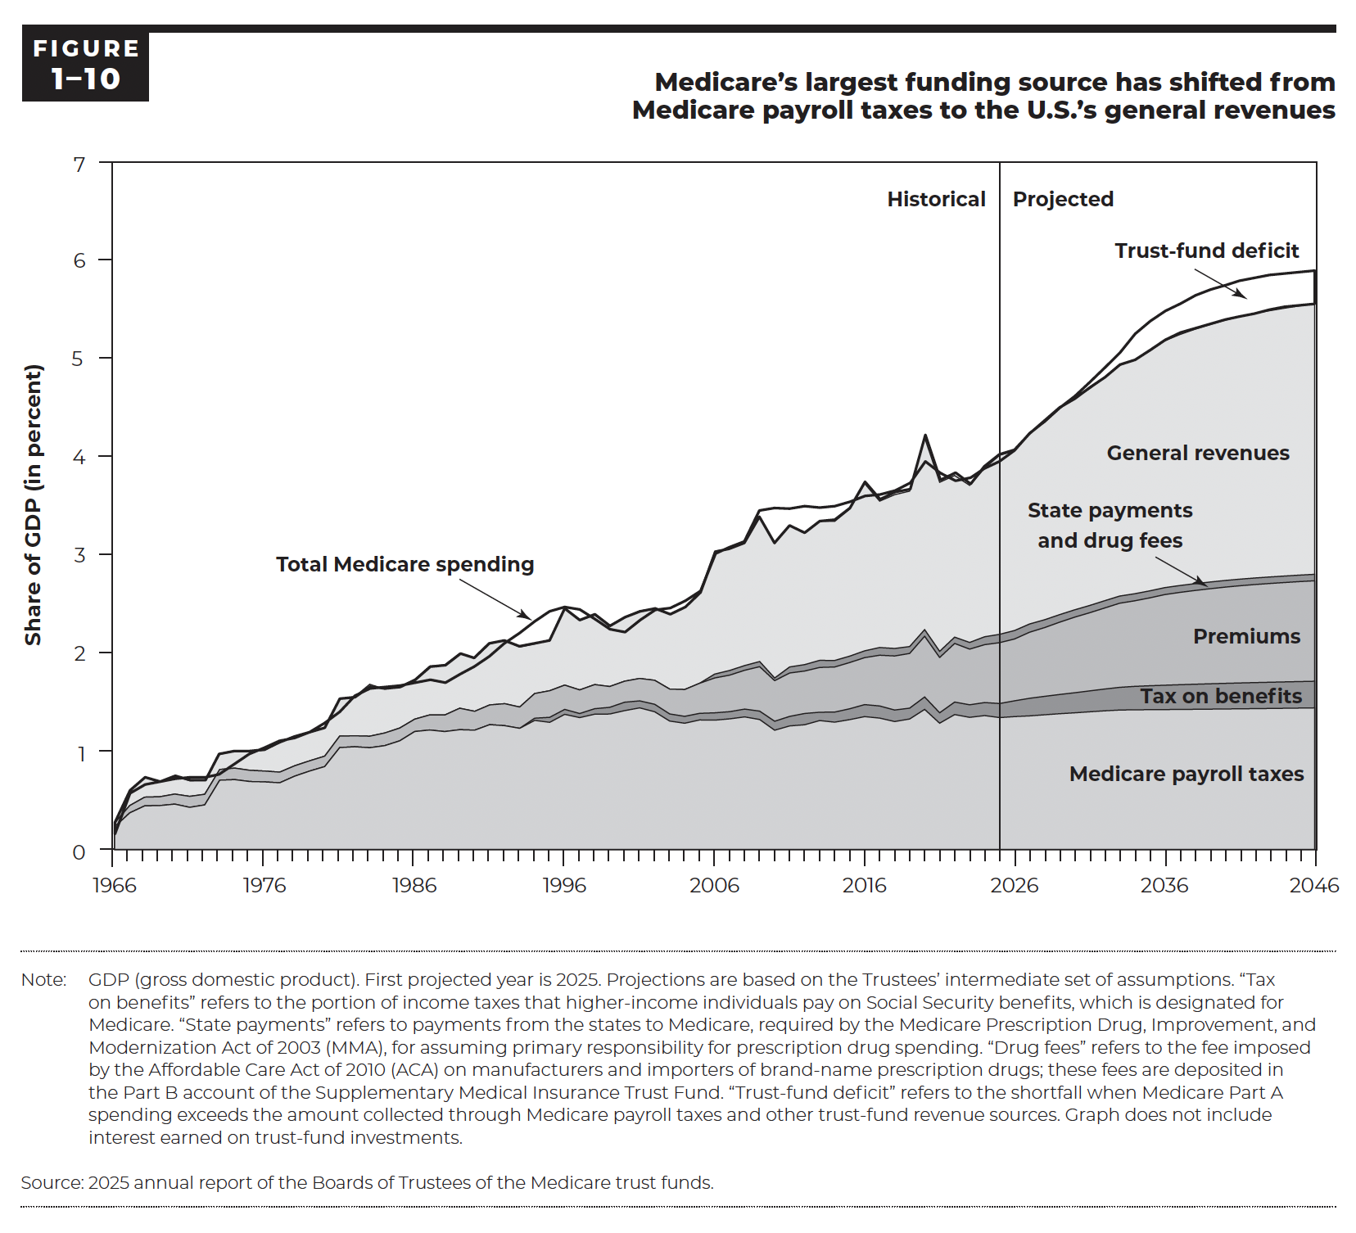
Figure 1-10. Medicare's largest funding source has shifted from Medicare payroll taxes to the U.S.'s general revenues
Share of GDP (in percent)

 | Medicare payroll taxes | Tax on benefits | Premiums | State payments and drug fees | General revenues | Trust-fund deficit | Total Medicare spending
1966 | 0.2% | 0.0% | 0.0% | 0.0% | 0.0% | -0.1% | 0.1%
1967 | 0.4% | 0.0% | 0.1% | 0.0% | 0.1% | 0.0% | 0.6%
1968 | 0.4% | 0.0% | 0.1% | 0.0% | 0.2% | -0.1% | 0.7%
1969 | 0.4% | 0.0% | 0.1% | 0.0% | 0.2% | 0.0% | 0.7%
1970 | 0.5% | 0.0% | 0.1% | 0.0% | 0.2% | 0.0% | 0.7%
1971 | 0.4% | 0.0% | 0.1% | 0.0% | 0.2% | 0.0% | 0.7%
1972 | 0.5% | 0.0% | 0.1% | 0.0% | 0.1% | 0.0% | 0.7%
1973 | 0.7% | 0.0% | 0.1% | 0.0% | 0.2% | -0.2% | 0.8%
1974 | 0.7% | 0.0% | 0.1% | 0.0% | 0.2% | -0.1% | 0.9%
1975 | 0.7% | 0.0% | 0.1% | 0.0% | 0.2% | 0.0% | 1.0%
1976 | 0.7% | 0.0% | 0.1% | 0.0% | 0.2% | 0.0% | 1.1%
1977 | 0.7% | 0.0% | 0.1% | 0.0% | 0.3% | 0.0% | 1.1%
1978 | 0.7% | 0.0% | 0.1% | 0.0% | 0.3% | 0.0% | 1.1%
1979 | 0.8% | 0.0% | 0.1% | 0.0% | 0.3% | 0.0% | 1.2%
1980 | 0.8% | 0.0% | 0.1% | 0.0% | 0.3% | 0.1% | 1.3%
1981 | 1.0% | 0.0% | 0.1% | 0.0% | 0.4% | -0.1% | 1.4%
1982 | 1.0% | 0.0% | 0.1% | 0.0% | 0.4% | 0.0% | 1.6%
1983 | 1.0% | 0.0% | 0.1% | 0.0% | 0.5% | 0.0% | 1.6%
1984 | 1.1% | 0.0% | 0.1% | 0.0% | 0.4% | 0.0% | 1.6%
1985 | 1.1% | 0.0% | 0.1% | 0.0% | 0.4% | 0.0% | 1.7%
1986 | 1.2% | 0.0% | 0.1% | 0.0% | 0.4% | 0.0% | 1.7%
1987 | 1.2% | 0.0% | 0.2% | 0.0% | 0.5% | -0.1% | 1.7%
1988 | 1.2% | 0.0% | 0.2% | 0.0% | 0.5% | -0.2% | 1.7%
1989 | 1.2% | 0.0% | 0.2% | 0.0% | 0.6% | -0.2% | 1.8%
1990 | 1.2% | 0.0% | 0.2% | 0.0% | 0.5% | -0.1% | 1.9%
1991 | 1.3% | 0.0% | 0.2% | 0.0% | 0.6% | -0.1% | 2.0%
1992 | 1.3% | 0.0% | 0.2% | 0.0% | 0.6% | 0.0% | 2.1%
1993 | 1.2% | 0.0% | 0.2% | 0.0% | 0.6% | 0.1% | 2.2%
1994 | 1.3% | 0.0% | 0.3% | 0.0% | 0.5% | 0.2% | 2.3%
1995 | 1.3% | 0.1% | 0.3% | 0.0% | 0.5% | 0.3% | 2.4%
1996 | 1.4% | 0.1% | 0.2% | 0.0% | 0.8% | 0.0% | 2.5%
1997 | 1.3% | 0.0% | 0.2% | 0.0% | 0.7% | 0.1% | 2.5%
1998 | 1.4% | 0.1% | 0.2% | 0.0% | 0.7% | -0.1% | 2.3%
1999 | 1.4% | 0.1% | 0.2% | 0.0% | 0.6% | -0.1% | 2.2%
2000 | 1.4% | 0.1% | 0.2% | 0.0% | 0.7% | -0.2% | 2.2%
2001 | 1.4% | 0.1% | 0.2% | 0.0% | 0.7% | -0.1% | 2.3%
2002 | 1.4% | 0.1% | 0.2% | 0.0% | 0.7% | 0.0% | 2.4%
2003 | 1.3% | 0.1% | 0.3% | 0.0% | 0.8% | 0.1% | 2.5%
2004 | 1.3% | 0.1% | 0.3% | 0.0% | 0.8% | 0.1% | 2.6%
2005 | 1.3% | 0.1% | 0.3% | 0.0% | 0.9% | 0.0% | 2.6%
2006 | 1.3% | 0.1% | 0.4% | 0.0% | 1.3% | 0.0% | 3.0%
2007 | 1.3% | 0.1% | 0.4% | 0.0% | 1.2% | 0.0% | 3.1%
2008 | 1.3% | 0.1% | 0.4% | 0.0% | 1.3% | 0.0% | 3.1%
2009 | 1.3% | 0.1% | 0.5% | 0.1% | 1.5% | 0.1% | 3.5%
2010 | 1.2% | 0.1% | 0.4% | 0.0% | 1.4% | 0.4% | 3.5%
2011 | 1.3% | 0.1% | 0.4% | 0.1% | 1.4% | 0.2% | 3.5%
2012 | 1.3% | 0.1% | 0.4% | 0.1% | 1.3% | 0.3% | 3.5%
2013 | 1.3% | 0.1% | 0.5% | 0.1% | 1.4% | 0.2% | 3.5%
2014 | 1.3% | 0.1% | 0.5% | 0.1% | 1.4% | 0.2% | 3.5%
2015 | 1.3% | 0.1% | 0.5% | 0.1% | 1.5% | 0.1% | 3.6%
2016 | 1.4% | 0.1% | 0.5% | 0.1% | 1.7% | -0.1% | 3.6%
2017 | 1.3% | 0.1% | 0.5% | 0.1% | 1.5% | 0.1% | 3.6%
2018 | 1.3% | 0.1% | 0.6% | 0.1% | 1.6% | 0.0% | 3.6%
2019 | 1.3% | 0.1% | 0.6% | 0.1% | 1.6% | 0.1% | 3.7%
2020 | 1.4% | 0.1% | 0.6% | 0.1% | 2.0% | -0.3% | 3.9%
2021 | 1.3% | 0.1% | 0.6% | 0.1% | 1.7% | 0.1% | 3.8%
2022 | 1.4% | 0.1% | 0.6% | 0.1% | 1.6% | -0.1% | 3.7%
2023 | 1.3% | 0.1% | 0.6% | 0.1% | 1.6% | 0.1% | 3.7%
2024 | 1.4% | 0.1% | 0.6% | 0.1% | 1.7% | 0.0% | 3.8% | Historical
2025 | 1.3% | 0.1% | 0.6% | 0.1% | 1.9% | 0.0% | 3.9% | Projected
2026 | 1.3% | 0.2% | 0.7% | 0.1% | 1.9% | 0.0% | 4.1%
2027 | 1.3% | 0.2% | 0.7% | 0.1% | 2.0% | 0.0% | 4.3%
2028 | 1.4% | 0.2% | 0.7% | 0.1% | 2.1% | 0.1% | 4.5%
2029 | 1.4% | 0.2% | 0.8% | 0.1% | 2.2% | 0.1% | 4.6%
2030 | 1.4% | 0.2% | 0.8% | 0.1% | 2.2% | 0.1% | 4.8%
2031 | 1.4% | 0.2% | 0.8% | 0.1% | 2.3% | 0.1% | 4.9%
2032 | 1.4% | 0.2% | 0.9% | 0.1% | 2.3% | 0.2% | 5.0%
2033 | 1.4% | 0.2% | 0.9% | 0.1% | 2.4% | 0.2% | 5.2%
2034 | 1.4% | 0.2% | 0.9% | 0.1% | 2.5% | 0.2% | 5.4%
2035 | 1.4% | 0.2% | 1.0% | 0.1% | 2.6% | 0.2% | 5.5%
2036 | 1.4% | 0.2% | 1.0% | 0.1% | 2.6% | 0.3% | 5.6%
2037 | 1.4% | 0.3% | 1.0% | 0.1% | 2.7% | 0.3% | 5.7%
2038 | 1.4% | 0.3% | 1.0% | 0.1% | 2.7% | 0.3% | 5.8%
2039 | 1.4% | 0.3% | 1.1% | 0.1% | 2.8% | 0.3% | 5.9%
2040 | 1.4% | 0.3% | 1.1% | 0.1% | 2.8% | 0.3% | 5.9%
2041 | 1.4% | 0.3% | 1.1% | 0.1% | 2.9% | 0.3% | 6.0%
2042 | 1.4% | 0.3% | 1.1% | 0.1% | 2.9% | 0.3% | 6.0%
2043 | 1.4% | 0.3% | 1.1% | 0.1% | 2.9% | 0.3% | 6.1%
2044 | 1.4% | 0.3% | 1.1% | 0.1% | 3.0% | 0.3% | 6.1%
2045 | 1.4% | 0.3% | 1.1% | 0.1% | 3.0% | 0.3% | 6.2%
2046 | 1.4% | 0.3% | 1.1% | 0.1% | 3.0% | 0.3% | 6.2%

Back to Table of Contents

Figure 1-12
This file presents the data, not otherwise shown or labeled in the chapter, underlying the figures in Chapter 1 of MedPAC's March 2026 Report to the Congress: Medicare Payment Policy
https://www.medpac.gov/wp-content/uploads/2026/03/Mar26_Ch1_MedPAC_Report_To_Congress_SEC.pdf

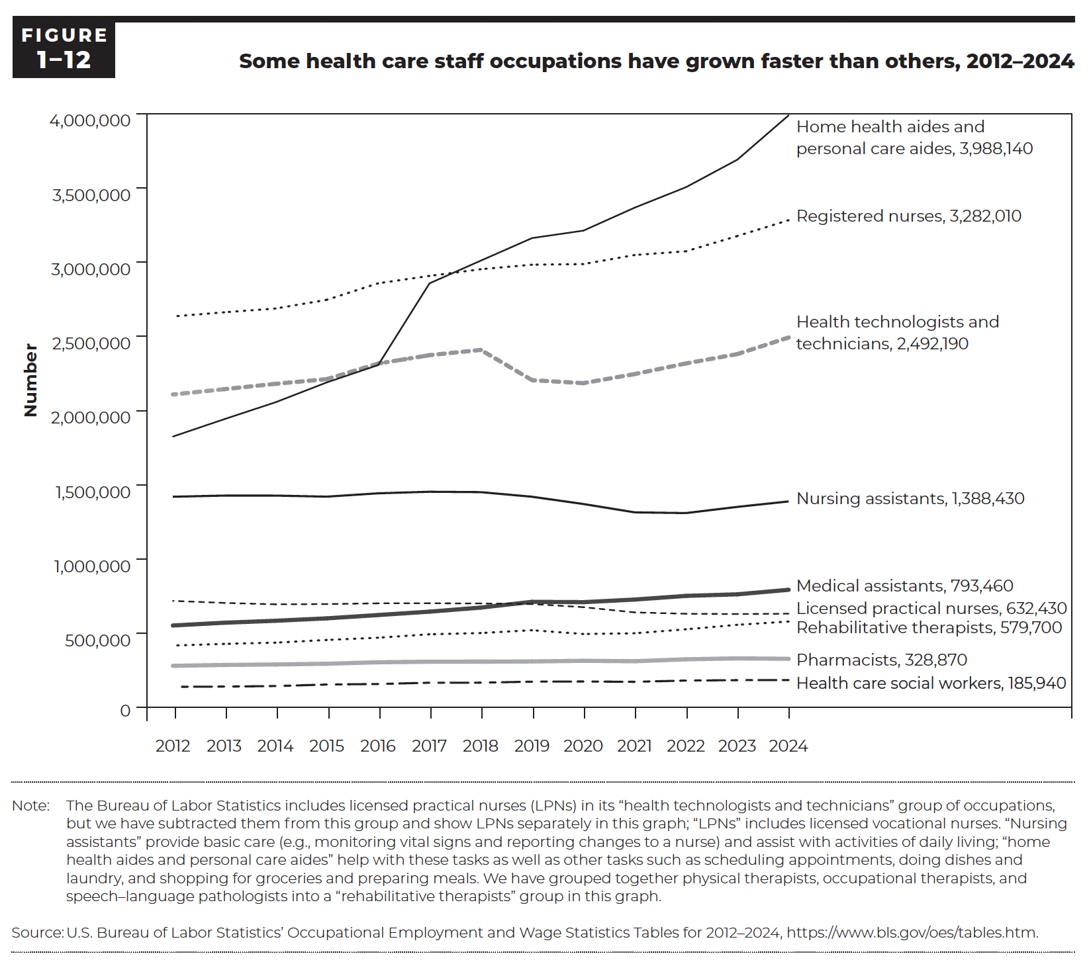
Figure 1-12. Some health care staff occupations have grown faster than others, 2012–2024

Occupation | 2012 | 2013 | 2014 | 2015 | 2016 | 2017 | 2018 | 2019 | 2020 | 2021 | 2022 | 2023 | 2024
Registered nurses | 2,633,980 | 2,661,890 | 2,687,310 | 2,745,910 | 2,857,180 | 2,906,840 | 2,951,960 | 2,982,280 | 2,986,500 | 3,047,530 | 3,072,700 | 3,175,390 | 3,282,010
Licensed practical nurses | 718,800 | 705,200 | 695,610 | 697,250 | 702,400 | 702,700 | 701,690 | 697,510 | 676,440 | 641,240 | 632,020 | 630,250 | 632,430
Nursing assistants | 1,420,020 | 1,427,830 | 1,427,740 | 1,420,570 | 1,443,150 | 1,453,670 | 1,450,960 | 1,419,920 | 1,371,050 | 1,314,830 | 1,310,090 | 1,351,760 | 1,388,430
Home health aides and personal care aides | 1,825,160 | 1,942,180 | 2,056,080 | 2,189,860 | 2,306,550 | 2,856,570 | 3,009,620 | 3,161,500 | 3,211,590 | 3,366,480 | 3,504,230 | 3,689,350 | 3,988,140
Health technologists and technicians | 2,108,370 | 2,144,130 | 2,180,390 | 2,211,980 | 2,316,420 | 2,373,210 | 2,408,490 | 2,204,790 | 2,184,740 | 2,245,970 | 2,317,580 | 2,380,420 | 2,492,190
Medical assistants | 553,140 | 571,690 | 584,970 | 601,240 | 623,560 | 646,320 | 673,660 | 712,430 | 710,200 | 727,760 | 752,460 | 763,040 | 793,460
Healthcare social workers | 140,000 | 141,830 | 145,920 | 155,590 | 159,310 | 167,730 | 168,190 | 174,890 | 176,110 | 173,860 | 182,420 | 185,020 | 185,940
Pharmacists | 281,560 | 287,420 | 290,780 | 295,620 | 305,510 | 309,330 | 309,550 | 311,200 | 315,470 | 312,550 | 325,480 | 331,700 | 328,870
Rehabilitative therapists | 418,690 | 429,130 | 437,690 | 455,800 | 470,970 | 493,830 | 502,400 | 521,280 | 495,930 | 500,650 | 527,480 | 557,760 | 579,700
Physical therapists (not shown) | 191,460 | 195,670 | 200,670 | 209,690 | 216,920 | 225,420 | 228,600 | 233,350 | 220,870 | 225,350 | 229,740 | 240,820 | 248,630
Occupational therapists (not shown) | 105,540 | 108,410 | 110,520 | 114,660 | 118,070 | 126,050 | 126,900 | 133,570 | 126,610 | 127,830 | 134,980 | 144,840 | 152,280
Speech–language pathologists (not shown) | 121,690 | 125,050 | 126,500 | 131,450 | 135,980 | 142,360 | 146,900 | 154,360 | 148,450 | 147,470 | 162,760 | 172,100 | 178,790

Back to Table of Contents

Figure 1-13
This file presents the data, not otherwise shown or labeled in the chapter, underlying the figures in Chapter 1 of MedPAC's March 2026 Report to the Congress: Medicare Payment Policy
https://www.medpac.gov/wp-content/uploads/2026/03/Mar26_Ch1_MedPAC_Report_To_Congress_SEC.pdf

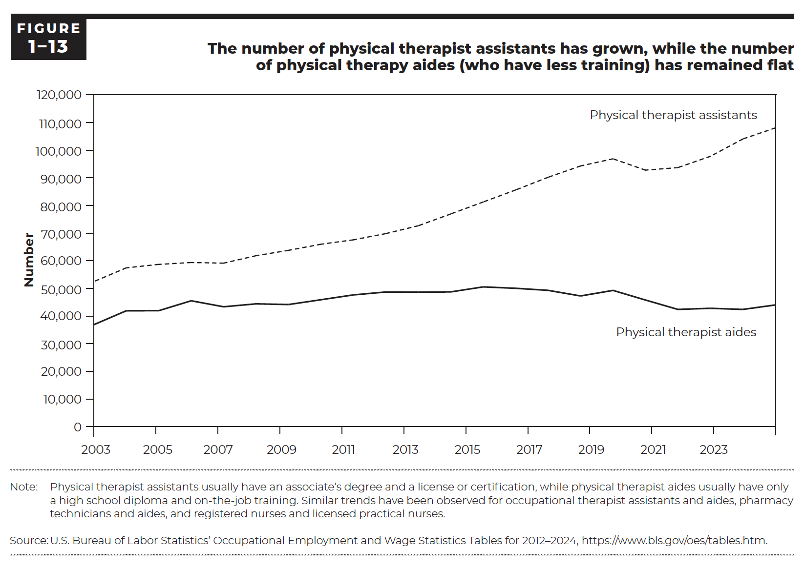
Figure 1-13. The number of physical therapist assistants has grown, while the number of physical therapy aides (who have less training) has remained flat

 | Physical therapist assistants | Physical therapist aides
2003 | 52,440 | 36,870
2004 | 57,420 | 41,910
2005 | 58,670 | 41,930
2006 | 59,350 | 45,520
2007 | 59,120 | 43,350
2008 | 61,820 | 44,410
2009 | 63,750 | 44,160
2010 | 65,960 | 45,900
2011 | 67,550 | 47,640
2012 | 69,810 | 48,700
2013 | 72,640 | 48,630
2014 | 76,910 | 48,730
2015 | 81,230 | 50,540
2016 | 85,580 | 50,030
2017 | 90,170 | 49,290
2018 | 94,250 | 47,260
2019 | 96,840 | 49,270
2020 | 92,740 | 45,790
2021 | 93,660 | 42,390
2022 | 97,740 | 42,800
2023 | 104,000 | 42,390
2024 | 108,010 | 44,010

Back to Table of Contents

