Figure 15-1
This file presents data, not shown or labeled in the chapter, underlying the figures in Chapter 15 of MedPAC's March 2026 Report to the Congress: Medicare Payment Policy
https://www.medpac.gov/wp-content/uploads/2026/03/Mar26_Ch15_MedPAC_Report_To_Congress_SEC.pdf

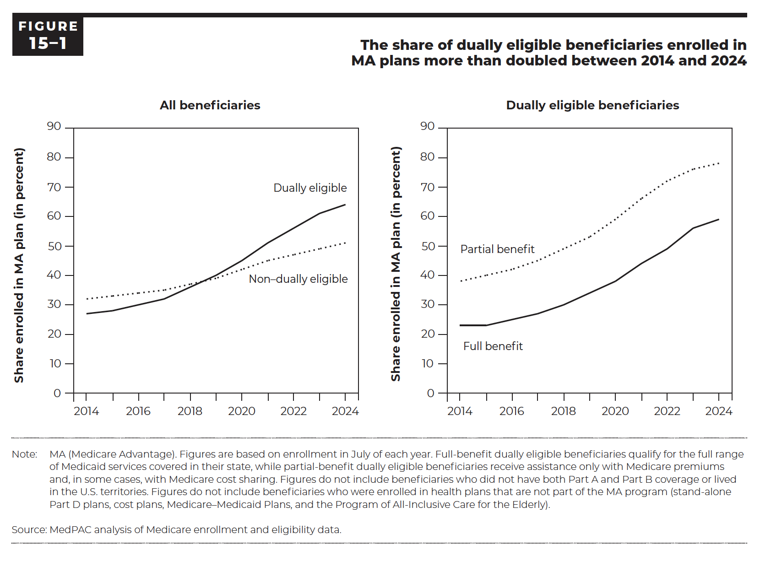
Figure 15-1. The share of dually eligible beneficiaries enrolled in MA plans more than doubled between 2014 and 2024
Share enrolled in MA plan (in percent)

 | All beneficiaries |  | Dually eligible beneficiaries
 | Dually eligible | Non–dually eligible | Full benefit | Partial benefit
2014 | 27% | 32% | 23% | 38%
2015 | 28% | 33% | 23% | 40%
2016 | 30% | 34% | 25% | 42%
2017 | 32% | 35% | 27% | 45%
2018 | 36% | 37% | 30% | 49%
2019 | 40% | 39% | 34% | 53%
2020 | 45% | 42% | 38% | 59%
2021 | 51% | 45% | 44% | 66%
2022 | 56% | 47% | 49% | 72%
2023 | 61% | 49% | 56% | 76%
2024 | 65% | 51% | 59% | 78%

Back to Table of Contents

Figure 15-2
This file presents data, not shown or labeled in the chapter, underlying the figures in Chapter 15 of MedPAC's March 2026 Report to the Congress: Medicare Payment Policy
https://www.medpac.gov/wp-content/uploads/2026/03/Mar26_Ch15_MedPAC_Report_To_Congress_SEC.pdf

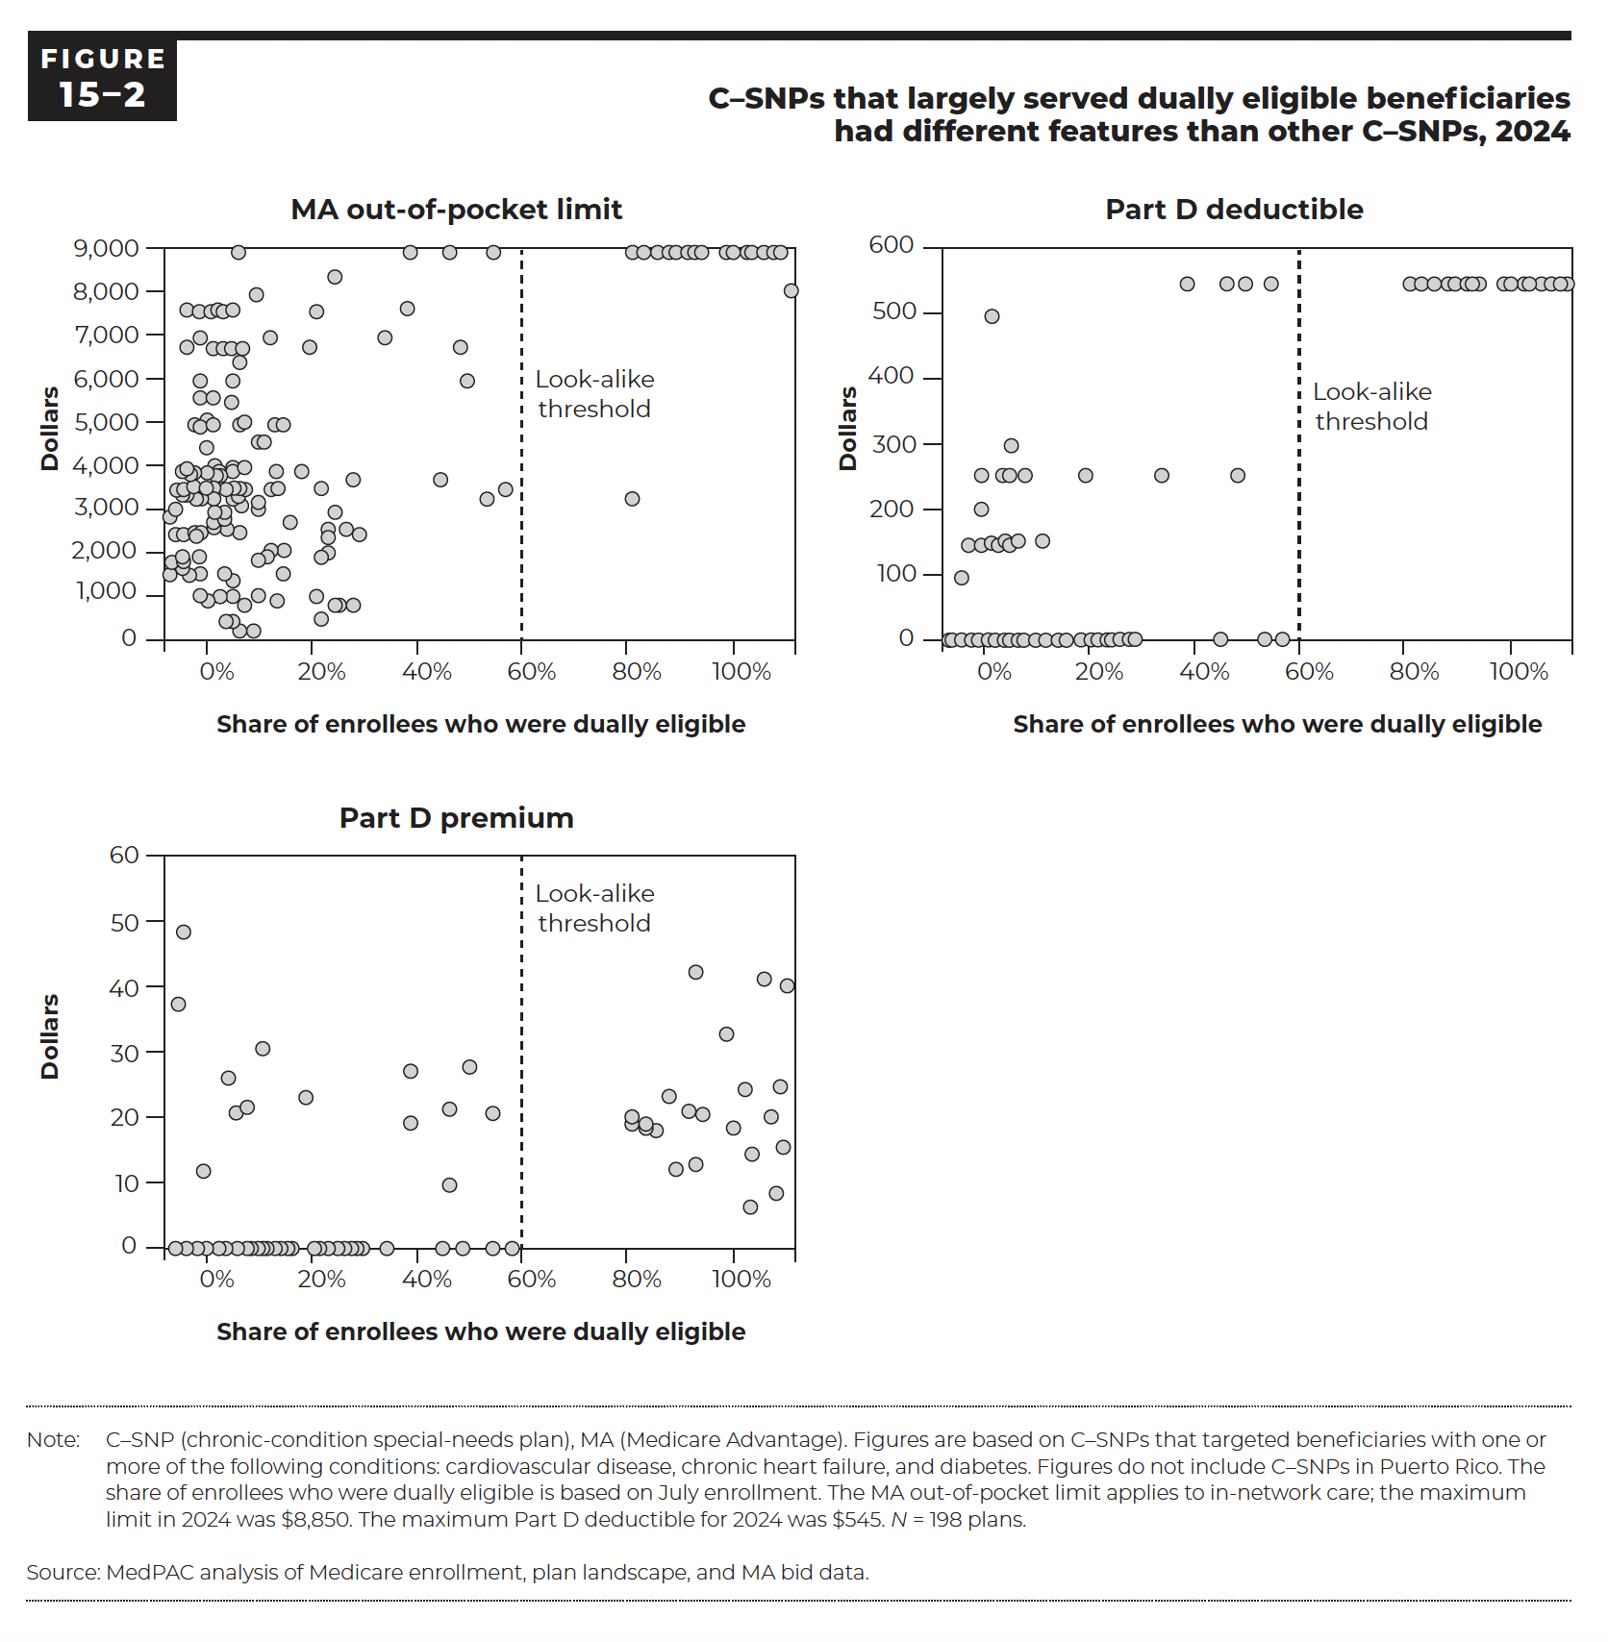
Figure 15-2. C–SNPs that largely served dually eligible beneficiaries had different features than other C–SNPs, 2024

Contract-plan-segment ID | Share of enrollees who were dually eligible | MA out-of-pocket limit | Part D deductible | Part D premium
H0028-039-0 | 11% | $3,450 | $0 | $0.00
H0028-050-0 | 11% | $3,450 | $0 | $0.00
H0028-051-0 | 8% | $3,200 | $0 | $0.00
H0028-055-0 | 5% | $3,400 | $0 | $0.00
H0028-056-0 | 18% | $3,800 | $0 | $0.00
H0028-057-0 | 9% | $3,600 | $0 | $0.00
H0028-060-0 | 8% | $3,700 | $0 | $0.00
H0271-025-0 | 74% | $8,850 | $545 | $19.10
H0271-026-0 | 76% | $8,850 | $545 | $18.90
H0271-027-0 | 80% | $8,850 | $545 | $23.50
H0271-033-0 | 84% | $8,850 | $545 | $12.90
H0271-034-0 | 85% | $8,850 | $545 | $20.40
H0271-035-0 | 81% | $8,850 | $545 | $12.50
H0271-036-0 | 83% | $8,850 | $545 | $21.00
H0271-043-0 | 78% | $8,850 | $545 | $18.20
H0271-052-0 | 7% | $4,400 | $0 | $0.00
H0271-057-0 | 13% | $6,700 | $0 | $0.00
H0294-002-0 | 6% | $5,900 | $0 | $12.00
H0294-010-0 | 6% | $5,500 | $0 | $12.20
H0351-038-0 | 18% | $3,450 | $0 | $0.00
H0351-057-0 | 24% | $7,500 | $0 | $0.00
H0354-027-0 | 15% | $3,100 | $0 | $0.00
H0432-017-0 | 6% | $4,900 | $0 | $0.00
H0543-214-0 | 27% | $2,900 | $0 | $0.00
H0543-217-0 | 25% | $500 | $0 | $0.00
H0543-218-0 | 30% | $800 | $0 | $0.00
H0543-219-0 | 28% | $800 | $0 | $0.00
H0543-226-0 | 26% | $2,000 | $0 | $0.00
H0543-227-0 | 18% | $4,900 | $0 | $0.00
H0543-239-0 | 90% | $8,850 | $545 | $18.60
H0543-241-0 | 96% | $8,850 | $545 | $20.30
H0543-246-0 | 92% | $8,850 | $545 | $24.10
H0543-249-0 | 76% | $8,850 | $545 | $18.40
H0544-004-0 | 27% | $800 | $0 | $0.00
H0544-010-0 | 25% | $1,900 | $0 | $0.00
H0562-092-0 | 16% | $1,900 | $150 | $0.00
H0609-037-0 | 18% | $900 | $0 | $0.00
H0609-042-0 | 26% | $2,500 | $0 | $0.00
H0609-043-0 | 31% | $2,400 | $0 | $0.00
H0609-047-0 | 7% | $3,400 | $0 | $0.00
H0609-049-0 | 9% | $3,400 | $0 | $0.00
H0609-058-0 | 10% | $3,500 | $0 | $0.00
H0609-062-0 | 8% | $3,700 | $0 | $0.00
H0838-039-1 | 15% | $999 | $0 | $0.00
H0838-039-2 | 15% | $3,000 | $0 | $0.00
H0838-040-1 | 95% | $8,850 | $545 | $41.00
H0838-040-2 | 95% | $8,850 | $545 | $41.00
H0838-047-0 | 3% | $3,850 | $0 | $48.00
H0978-002-0 | 7% | $900 | $0 | $0.00
H0982-016-0 | 55% | $3,400 | $0 | $0.00
H0982-017-0 | 9% | $3,400 | $0 | $0.00
H1019-108-0 | 5% | $3,800 | $0 | $0.00
H1019-109-0 | 7% | $3,800 | $0 | $0.00
H1019-121-0 | 8% | $3,400 | $0 | $0.00
H1019-122-0 | 5% | $2,400 | $0 | $0.00
H1019-130-0 | 8% | $3,400 | $0 | $0.00
H1036-121-0 | 4% | $1,450 | $0 | $0.00
H1036-160-0 | 5% | $3,300 | $0 | $0.00
H1036-234-0 | 12% | $3,100 | $0 | $0.00
H1036-292-0 | 4% | $3,350 | $0 | $0.00
H1036-299-0 | 3% | $2,400 | $0 | $0.00
H1036-300-0 | 3% | $3,300 | $0 | $0.00
H1036-301-0 | 4% | $3,800 | $0 | $0.00
H1036-302-0 | 5% | $3,300 | $0 | $0.00
H1036-306-0 | 35% | $6,900 | $250 | $0.00
H1036-308-0 | 4% | $7,550 | $145 | $0.00
H1036-311-0 | 4% | $3,300 | $0 | $0.00
H1045-018-0 | 10% | $2,900 | $0 | $0.00
H1045-048-1 | 8% | $2,900 | $0 | $0.00
H1045-048-2 | 8% | $2,900 | $0 | $0.00
H1045-048-3 | 8% | $2,900 | $0 | $0.00
H1045-048-4 | 8% | $2,600 | $0 | $0.00
H1423-002-0 | 20% | $2,700 | $0 | $0.00
H1468-017-0 | 26% | $2,300 | $0 | $0.00
H1526-001-0 | 2% | $3,000 | $0 | $0.00
H1748-003-0 | 18% | $3,850 | $0 | $0.00
H1748-004-0 | 11% | $3,850 | $0 | $0.00
H1822-002-0 | 17% | $2,000 | $0 | $0.00
H1889-019-0 | 8% | $4,900 | $0 | $0.00
H1889-020-0 | 9% | $6,700 | $0 | $0.00
H1951-044-0 | 10% | $2,500 | $0 | $0.00
H1993-007-0 | 27% | $2,900 | $0 | $0.00
H1993-008-0 | 99% | $8,000 | $545 | $40.00
H2108-029-0 | 22% | $3,850 | $0 | $23.30
H2108-030-0 | 15% | $7,900 | $0 | $30.30
H2563-018-0 | 10% | $3,400 | $150 | $0.00
H2593-006-0 | 27% | $8,300 | $0 | $0.00
H2624-001-0 | 3% | $3,500 | $95 | $0.00
H2962-021-0 | 2% | $1,750 | $0 | $0.00
H2962-026-0 | 3% | $1,600 | $0 | $0.00
H2962-029-0 | 2% | $2,400 | $0 | $0.00
H2962-033-0 | 1% | $2,800 | $0 | $0.00
H2962-050-0 | 3% | $1,900 | $0 | $0.00
H3443-003-0 | 29% | $2,499 | $0 | $0.00
H3443-006-0 | 93% | $8,850 | $545 | $6.60
H3447-004-0 | 9% | $3,850 | $0 | $0.00
H3447-037-0 | 8% | $4,000 | $0 | $0.00
H3655-047-0 | 4% | $6,700 | $0 | $0.00
H3706-024-0 | 25% | $3,450 | $0 | $0.00
H3706-025-0 | 4% | $3,900 | $0 | $0.00
H3815-010-0 | 13% | $790 | $0 | $0.00
H3815-039-0 | 97% | $8,850 | $545 | $8.50
H3949-024-0 | 17% | $6,900 | $0 | $0.00
H4346-006-0 | 19% | $1,500 | $0 | $0.00
H4461-042-0 | 39% | $7,550 | $545 | $27.40
H4514-015-0 | 11% | $3,400 | $0 | $0.00
H4527-039-0 | 12% | $4,900 | $0 | $0.00
H4527-040-0 | 12% | $3,500 | $0 | $0.00
H4527-041-0 | 13% | $3,400 | $0 | $0.00
H4527-042-0 | 12% | $3,300 | $0 | $0.00
H4604-017-0 | 5% | $4,900 | $0 | $0.00
H4624-010-0 | 44% | $3,650 | $0 | $0.00
H4624-011-0 | 15% | $4,500 | $0 | $0.00
H4624-012-0 | 16% | $4,500 | $0 | $0.00
H4624-024-0 | 84% | $8,850 | $545 | $42.30
H4624-027-0 | 89% | $8,850 | $545 | $32.80
H4624-028-0 | 52% | $3,200 | $0 | $0.00
H4869-001-0 | 15% | $3,000 | $0 | $0.00
H5163-002-0 | 11% | $1,299 | $0 | $0.00
H5216-244-0 | 8% | $7,550 | $145 | $0.00
H5216-246-0 | 6% | $7,550 | $145 | $0.00
H5216-334-0 | 8% | $6,700 | $0 | $0.00
H5216-366-0 | 8% | $5,500 | $0 | $0.00
H5216-372-0 | 11% | $5,450 | $0 | $0.00
H5216-375-0 | 11% | $5,900 | $150 | $0.00
H5253-136-0 | 19% | $4,900 | $0 | $0.00
H5296-005-0 | 5% | $3,400 | $0 | $0.00
H5420-014-0 | 4% | $3,400 | $0 | $0.00
H5425-028-0 | 12% | $199 | $0 | $0.00
H5425-033-0 | 10% | $399 | $0 | $0.00
H5425-034-0 | 14% | $199 | $0 | $0.00
H5425-070-0 | 8% | $2,700 | $0 | $0.00
H5425-076-0 | 10% | $2,800 | $0 | $0.00
H5425-097-0 | 98% | $8,850 | $545 | $24.70
H5425-104-0 | 11% | $399 | $0 | $0.00
H5425-105-0 | 13% | $750 | $0 | $0.00
H5427-070-0 | 6% | $1,500 | $0 | $0.00
H5427-072-0 | 3% | $3,400 | $0 | $0.00
H5427-082-0 | 4% | $3,400 | $0 | $0.00
H5427-099-0 | 3% | $3,400 | $0 | $0.00
H5427-108-0 | 4% | $3,400 | $0 | $0.00
H5431-021-0 | 6% | $1,900 | $0 | $0.00
H5431-022-0 | 12% | $2,450 | $0 | $0.00
H5454-006-0 | 47% | $6,700 | $250 | $0.00
H5471-069-0 | 11% | $3,450 | $0 | $0.00
H5471-070-0 | 6% | $3,450 | $0 | $0.00
H5471-073-0 | 7% | $3,450 | $0 | $0.00
H5471-075-0 | 12% | $3,450 | $0 | $0.00
H5471-080-0 | 12% | $3,450 | $0 | $0.00
H5471-116-0 | 6% | $2,450 | $0 | $0.00
H5471-119-0 | 5% | $2,450 | $0 | $0.00
H5471-122-0 | 6% | $3,200 | $0 | $0.00
H5471-126-0 | 5% | $3,200 | $0 | $0.00
H5472-002-0 | 10% | $2,900 | $0 | $0.00
H5472-004-0 | 93% | $8,850 | $545 | $14.60
H5496-005-0 | 19% | $1,999 | $0 | $0.00
H5594-028-0 | 3% | $1,750 | $0 | $0.00
H5594-030-0 | 7% | $5,000 | $0 | $0.00
H5594-036-0 | 6% | $1,000 | $0 | $0.00
H5619-046-0 | 12% | $8,850 | $150 | $0.00
H5619-055-0 | 8% | $7,500 | $495 | $0.00
H5619-145-0 | 45% | $8,850 | $545 | $21.70
H5619-154-0 | 6% | $6,900 | $250 | $0.00
H5619-161-0 | 11% | $7,550 | $145 | $0.00
H5619-164-0 | 8% | $6,700 | $150 | $0.00
H5649-006-0 | 15% | $1,800 | $0 | $0.00
H5652-004-0 | 2% | $3,400 | $0 | $37.20
H5945-016-0 | 1% | $1,500 | $0 | $0.00
H6248-001-0 | 10% | $1,450 | $0 | $0.00
H6351-004-0 | 5% | $3,500 | $0 | $0.00
H6379-002-0 | 10% | $6,700 | $250 | $0.00
H6446-017-0 | 11% | $1,000 | $0 | $0.00
H6622-017-0 | 6% | $7,500 | $200 | $0.00
H6622-029-0 | 9% | $1,000 | $0 | $0.00
H6622-071-0 | 11% | $3,900 | $0 | $0.00
H6622-084-0 | 9% | $7,550 | $145 | $0.00
H6672-003-0 | 11% | $6,700 | $250 | $0.00
H6876-003-0 | 13% | $4,950 | $0 | $0.00
H6876-005-0 | 12% | $6,350 | $0 | $0.00
H7330-003-0 | 30% | $3,650 | $0 | $0.00
H7605-006-0 | 48% | $5,900 | $545 | $27.80
H7607-011-1 | 98% | $8,850 | $545 | $15.70
H7607-011-2 | 98% | $8,850 | $545 | $15.70
H7607-011-4 | 98% | $8,850 | $545 | $15.70
H7607-011-5 | 98% | $8,850 | $545 | $15.70
H7993-005-0 | 13% | $3,900 | $0 | $0.00
H8173-011-0 | 11% | $3,200 | $0 | $0.00
H8173-014-0 | 74% | $3,200 | $545 | $20.00
...

