Figure 13-5
This file presents data, not shown or labeled in the chapter, underlying the figures in Chapter 13 of MedPAC's March 2026 Report to the Congress: Medicare Payment Policy
https://www.medpac.gov/wp-content/uploads/2026/03/Mar26_Ch13_MedPAC_Report_To_Congress_SEC.pdf

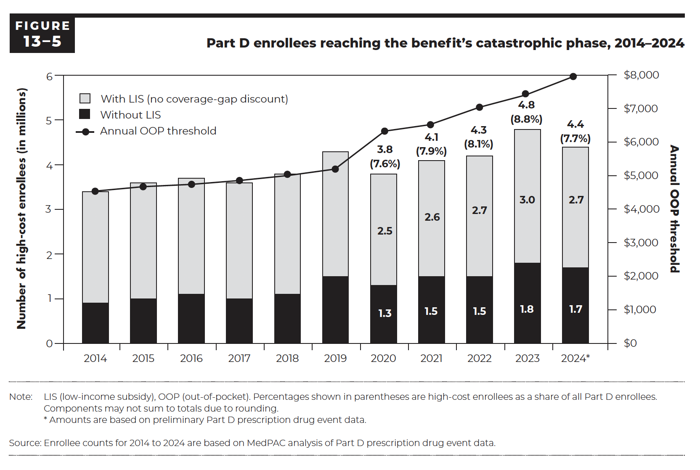
Figure 13-5. Part D enrollees reaching the benefit's catastrophic phase, 2014–2024
Annual OOP threshold (in dollars) and number of high-cost enrollees (in millions)

 |  | Number of high-cost enrollees (in millions) |  | High-cost enrollees as a share of all Part D enrollees (in percent)
 | Annual OOP threshold | Without LIS | With LIS (no coverage-gap discount)
2014 | $4,550 | 0.9 | 2.5 | 8.6
2015 | $4,700 | 1.0 | 2.6 | 8.7
2016 | $4,850 | 1.1 | 2.6 | 8.3
2017 | $4,950 | 1.0 | 2.6 | 8.0
2018 | $5,000 | 1.1 | 2.7 | 8.3
2019 | $5,100 | 1.5 | 2.8 | 9.0
2020 | $6,350 | 1.3 | 2.5 | 7.6
2021 | $6,550 | 1.5 | 2.6 | 7.9
2022 | $7,050 | 1.5 | 2.7 | 8.1
2023 | $7,400 | 1.8 | 3.0 | 8.8
2024* | $8,000 | 1.7 | 2.7 | 7.7

Back to Table of Contents

Figure 13-6
This file presents data, not shown or labeled in the chapter, underlying the figures in Chapter 13 of MedPAC's March 2026 Report to the Congress: Medicare Payment Policy
https://www.medpac.gov/wp-content/uploads/2026/03/Mar26_Ch13_MedPAC_Report_To_Congress_SEC.pdf

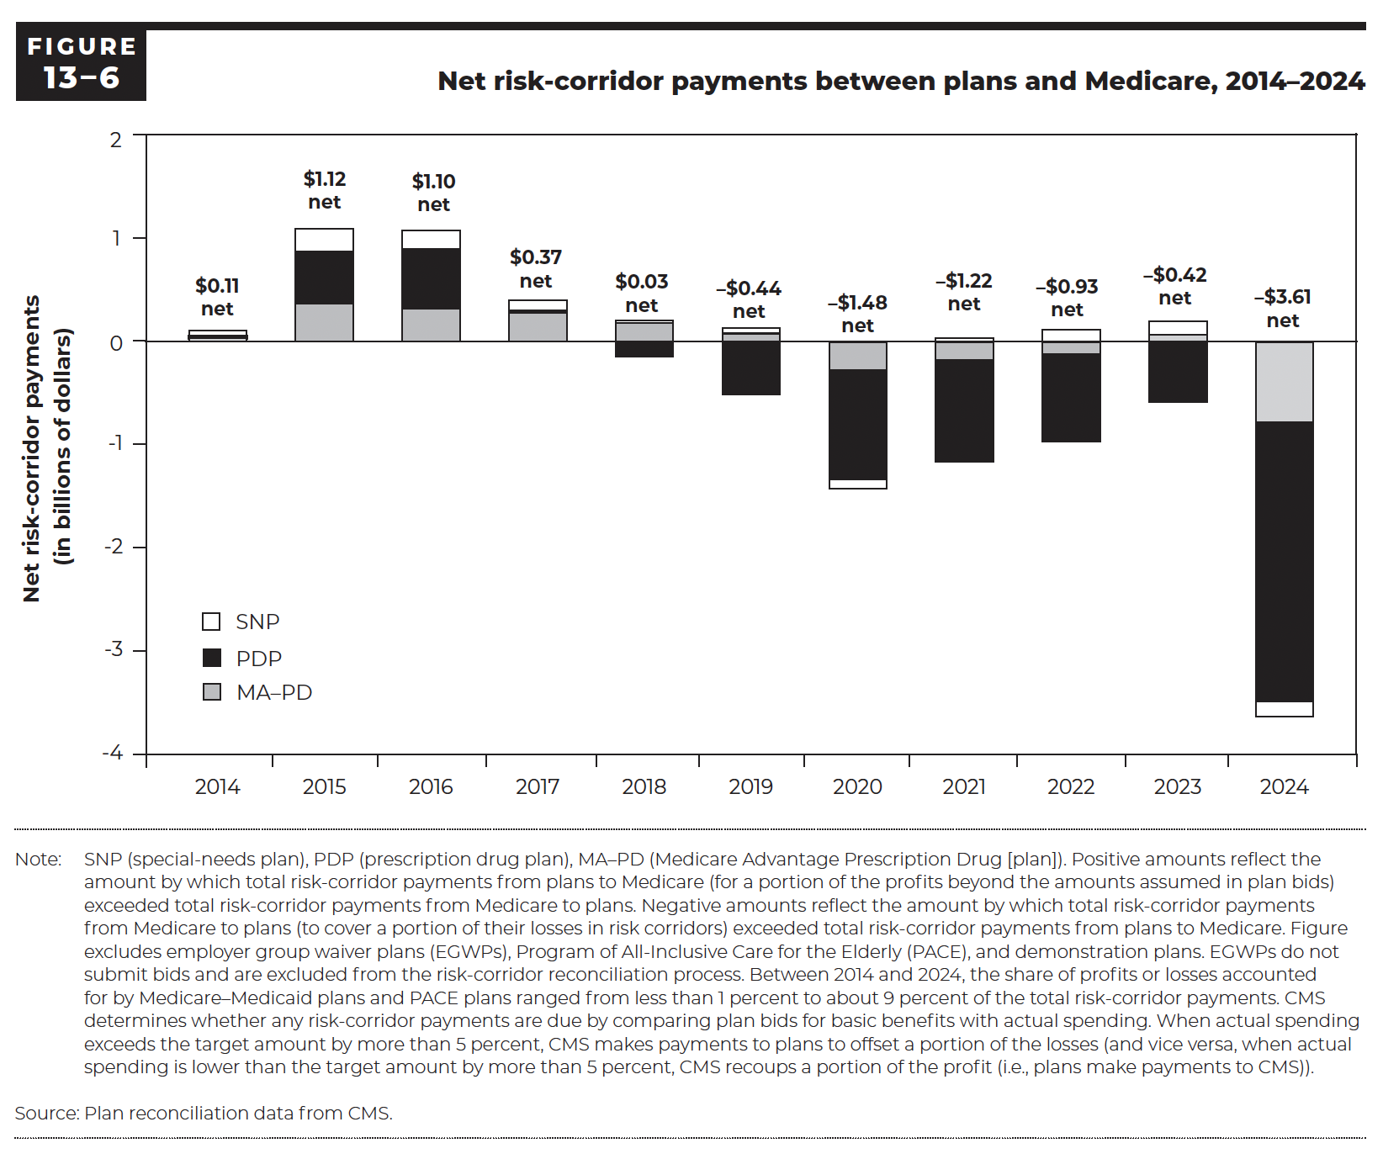
Figure 13-6. Net risk-corridor payments between plans and Medicare, 2014–2024
Net risk-corridor payments (in billions of dollars)

 | Net | Conventional MA–PD | PDP | SNP
2014 | 0.11 | 0.04 | 0.01 | 0.06
2015 | 1.12 | 0.37 | 0.51 | 0.22
2016 | 1.10 | 0.32 | 0.58 | 0.18
2017 | 0.37 | 0.28 | 0.03 | 0.09
2018 | 0.03 | 0.18 | -0.15 | 0.03
2019 | -0.44 | 0.08 | -0.50 | 0.05
2020 | -1.48 | -0.27 | -1.04 | -0.09
2021 | -1.22 | -0.17 | -0.98 | 0.01
2022 | -0.93 | -0.11 | -0.86 | 0.12
2023 | -0.42 | 0.06 | -0.58 | 0.13
2024 | -3.61 | -0.77 | -2.71 | -0.19

Back to Table of Contents

Figure 13A-1
This file presents data, not shown or labeled in the chapter, underlying the figures in Chapter 13 of MedPAC's March 2026 Report to the Congress: Medicare Payment Policy
https://www.medpac.gov/wp-content/uploads/2026/03/Mar26_Ch13_MedPAC_Report_To_Congress_SEC.pdf

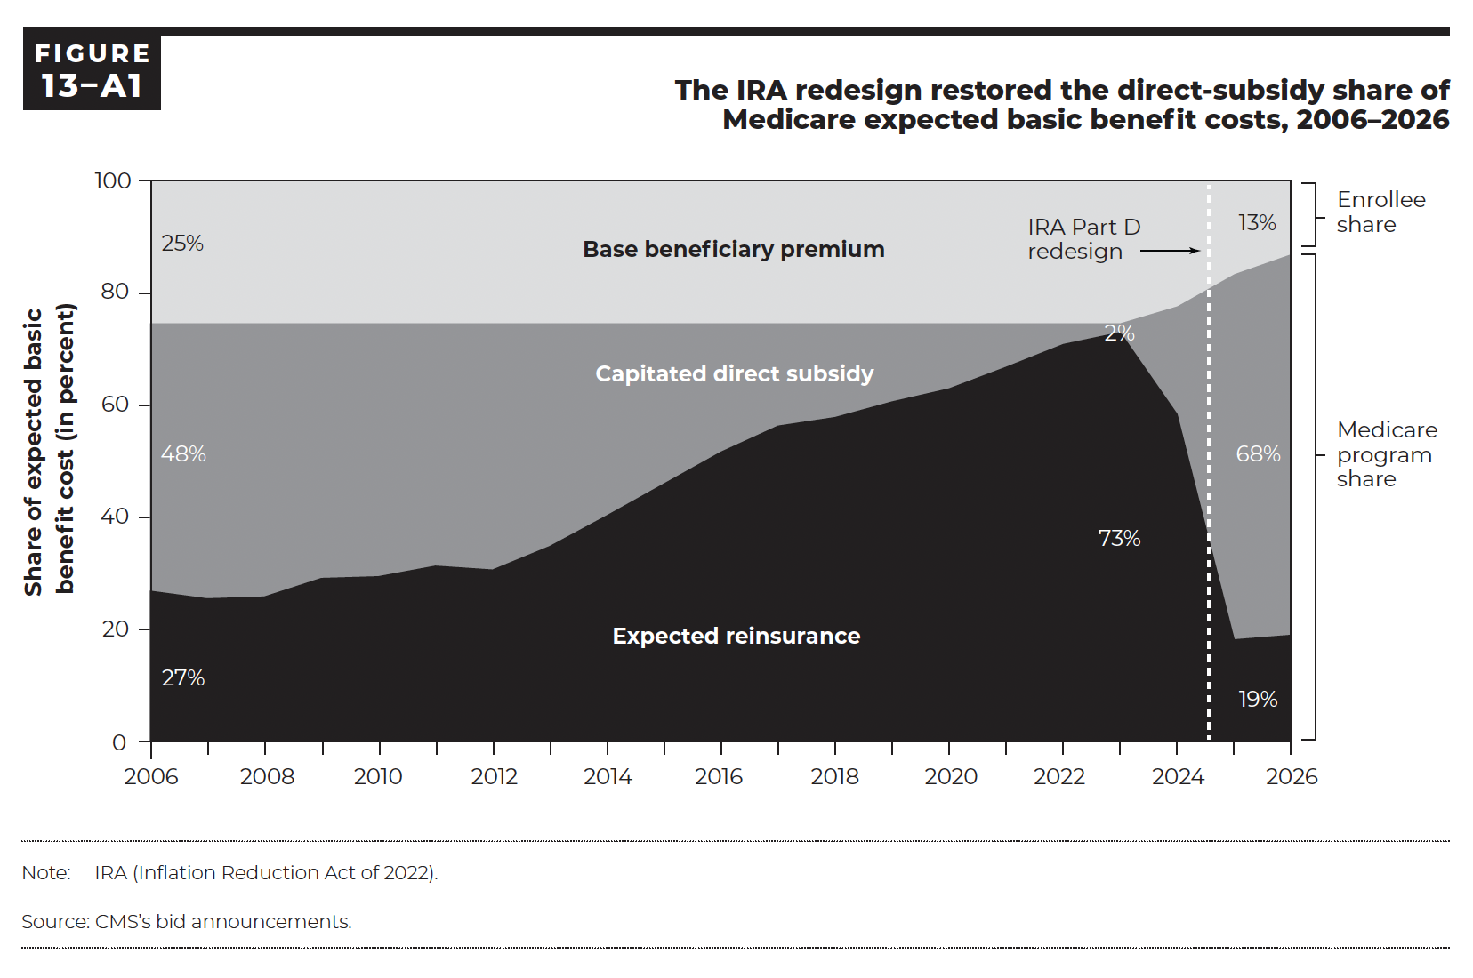
Figure 13A-1. The IRA redesign restored the direct-subsidy share of Medicare expected basic benefit costs, 2006–2026
Share of expected basic benefit cost

 | Expected reinsurance | Capitated direct subsidy | Base beneficiary premium
2006 | 27% | 48% | 25%
2007 | 26% | 49% | 26%
2008 | 26% | 49% | 26%
2009 | 29% | 45% | 25%
2010 | 29% | 45% | 26%
2011 | 31% | 43% | 26%
2012 | 31% | 44% | 26%
2013 | 35% | 40% | 26%
2014 | 40% | 34% | 26%
2015 | 46% | 29% | 26%
2016 | 52% | 23% | 26%
2017 | 56% | 18% | 26%
2018 | 58% | 17% | 26%
2019 | 61% | 14% | 26%
2020 | 63% | 12% | 26%
2021 | 67% | 8% | 26%
2022 | 71% | 4% | 26%
2023 | 73% | 2% | 26%
2024 | 58% | 19% | 22%
2025 | 18% | 65% | 17%
2026 | 19% | 68% | 13%

Back to Table of Contents

Figure 13A-2
This file presents data, not shown or labeled in the chapter, underlying the figures in Chapter 13 of MedPAC's March 2026 Report to the Congress: Medicare Payment Policy
https://www.medpac.gov/wp-content/uploads/2026/03/Mar26_Ch13_MedPAC_Report_To_Congress_SEC.pdf

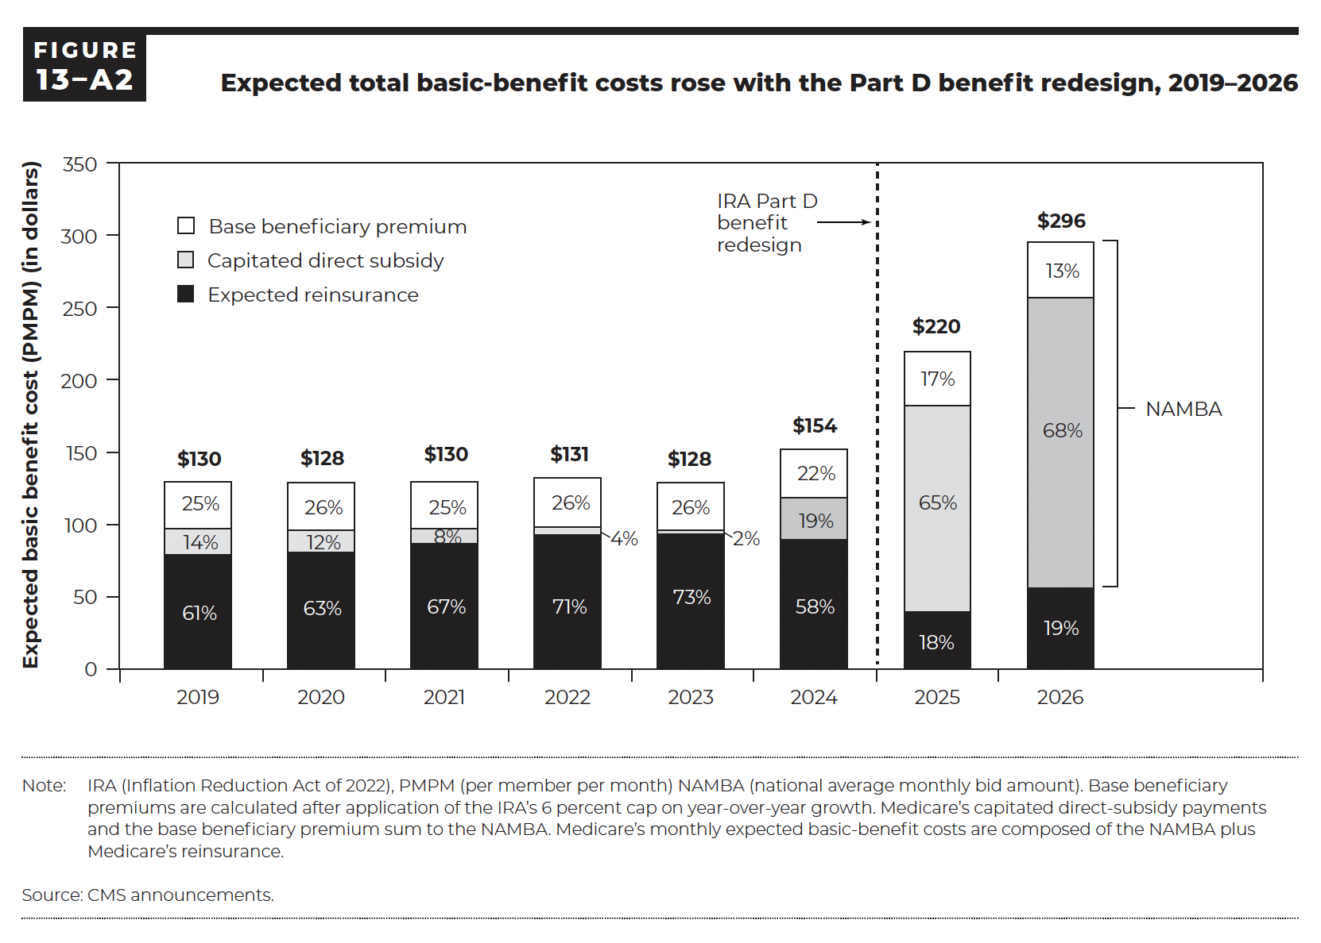
Figure 13A-2. Expected total basic-benefit costs rose with the Part D benefit redesign, 2019–2026
Expected basic-benefit cost (PMPM)

 | Expected reinsurance |  | Capitated direct subsidy |  | Base beneficiary premium
 | Dollar | Percent | Dollar | Percent | Dollar | Percent | Total
2019 | $79 | 61% | $18 | 14% | $33 | 25% | $130
2020 | $81 | 63% | $15 | 12% | $33 | 26% | $128
2021 | $87 | 67% | $10 | 8% | $33 | 25% | $130
2022 | $93 | 71% | $5 | 4% | $33 | 26% | $131
2023 | $94 | 73% | $2 | 2% | $33 | 26% | $128
2024 | $90 | 58% | $30 | 19% | $35 | 22% | $154
2025 | $40 | 18% | $143 | 65% | $37 | 17% | $220
2026 | $56 | 19% | $200 | 68% | $39 | 13% | $296

Back to Table of Contents

Figure 13A-3
This file presents data, not shown or labeled in the chapter, underlying the figures in Chapter 13 of MedPAC's March 2026 Report to the Congress: Medicare Payment Policy
https://www.medpac.gov/wp-content/uploads/2026/03/Mar26_Ch13_MedPAC_Report_To_Congress_SEC.pdf

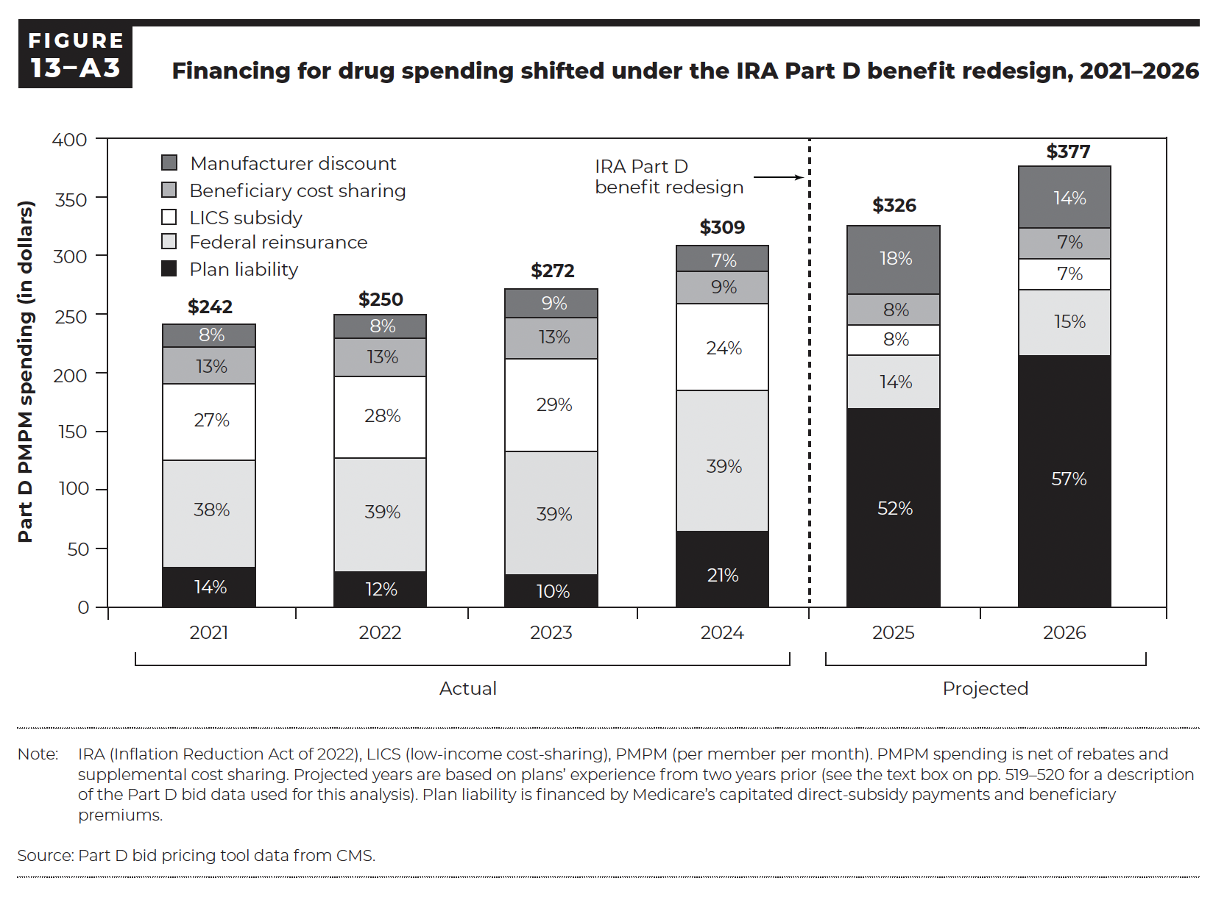
Figure 13A-3. Financing for drug spending shifted under the IRA Part D benefit redesign, 2021–2026
Part D PMPM spending

 | Plan liability |  | Federal reinsurance |  | LICS subsidy |  | Beneficiary cost sharing |  | Manufacturer discount
 | Dollar | Percent | Dollar | Percent | Dollar | Percent | Dollar | Percent | Dollar | Percent | Total
2021 | $35 | 14% | $93 | 38% | $64 | 27% | $32 | 13% | $19 | 8% | $242
2022 | $31 | 12% | $97 | 39% | $70 | 28% | $33 | 13% | $20 | 8% | $250
2023 | $29 | 10% | $107 | 39% | $78 | 29% | $35 | 13% | $24 | 9% | $272
2024 | $65 | 21% | $121 | 39% | $75 | 24% | $27 | 9% | $21 | 7% | $309
2025 | $171 | 52% | $45 | 14% | $26 | 8% | $26 | 8% | $59 | 18% | $326
2026 | $215 | 57% | $57 | 15% | $25 | 7% | $28 | 7% | $53 | 14% | $377

Back to Table of Contents

Figure 13A-4
This file presents data, not shown or labeled in the chapter, underlying the figures in Chapter 13 of MedPAC's March 2026 Report to the Congress: Medicare Payment Policy
https://www.medpac.gov/wp-content/uploads/2026/03/Mar26_Ch13_MedPAC_Report_To_Congress_SEC.pdf

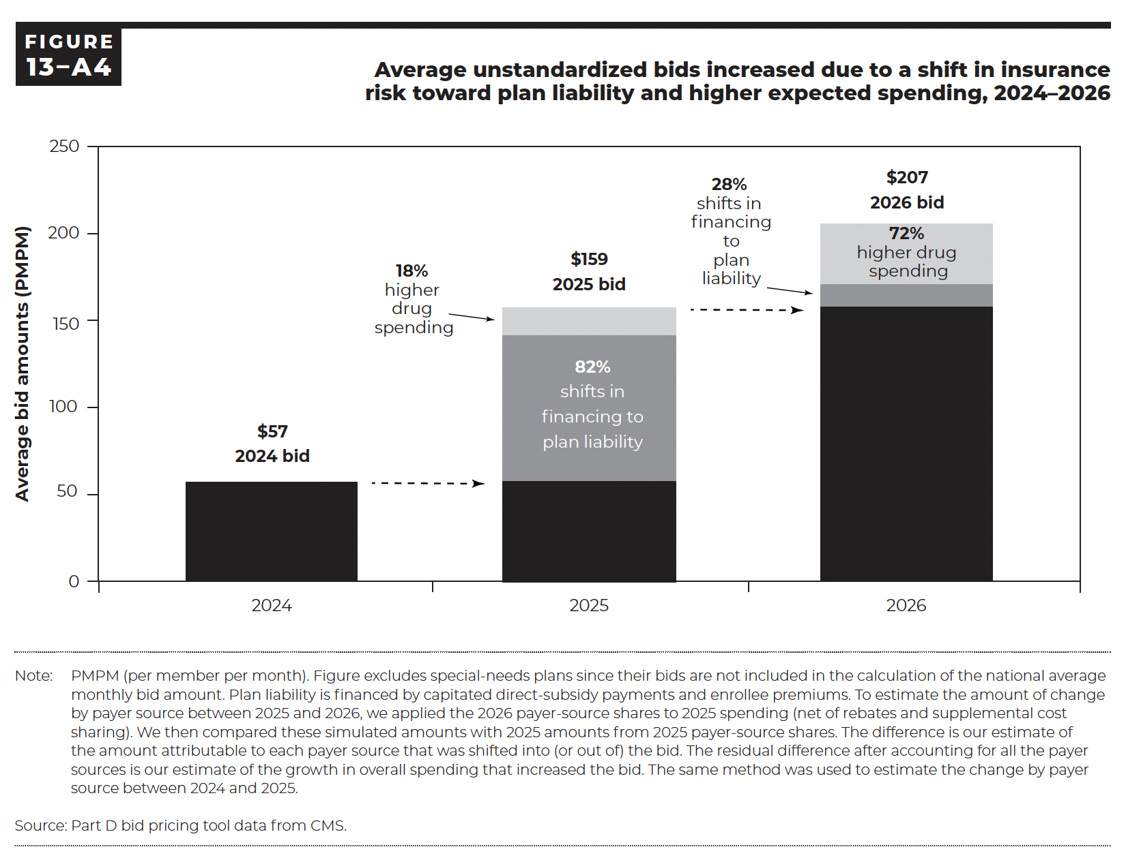
Figure 13A-4. Average unstandardized bids increased due to a shift in insurance risk toward plan liability and higher expected spending, 2024–2026
Average bid amounts (PMPM)

 | 2024 | 2025 |  | 2026
 | Dollar | Dollar | Percent of difference in bid from prior year | Dollar | Percent of difference in bid from prior year
Bid in 2024 | $57 | $57 | — | — | —
Shifts in financing to plan liability | — | $85 | 82% | — | —
Higher drug spending | — | $16 | 18% | — | —
Bid in 2025 | — | $159 | — | $159 | —
Shifts in financing to plan liability | — | — | — | $13 | 28%
Higher drug spending | — | — | — | $35 | 72%
Bid in 2026 | — | — | — | $207 | —

Back to Table of Contents

