Figure 12-1
This file presents the data, not otherwise shown or labeled in the chapter, underlying the figures in Chapter 12 of MedPAC's March 2026 Report to the Congress: Medicare Payment Policy
https://www.medpac.gov/wp-content/uploads/2026/03/Mar26_Ch12_MedPAC_Report_To_Congress_SEC.pdf

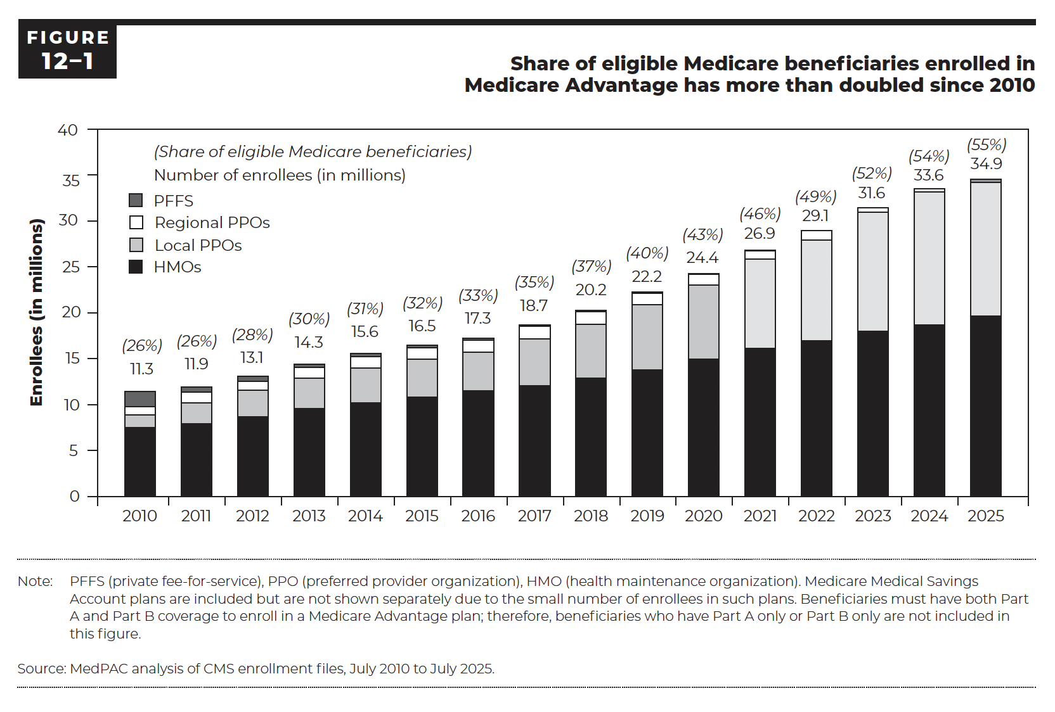
Figure 12-1. Share of eligible Medicare beneficiaries enrolled in Medicare Advantage has more than doubled since 2010
Enrollees (in millions)

 | HMOs | Local PPOs | Regional PPOs | PFFS | Total
2010 | 7 | 1 | 1 | 2 | 11.3
2011 | 8 | 2 | 1 | 1 | 11.9
2012 | 9 | 3 | 1 | 1 | 13.1
2013 | 10 | 3 | 1 | 0 | 14.3
2014 | 10 | 4 | 1 | 0 | 15.6
2015 | 11 | 4 | 1 | 0 | 16.5
2016 | 12 | 4 | 1 | 0 | 17.3
2017 | 12 | 5 | 1 | 0 | 18.7
2018 | 13 | 6 | 1 | 0 | 20.2
2019 | 14 | 7 | 1 | 0 | 22.2
2020 | 15 | 8 | 1 | 0 | 24.4
2021 | 16 | 10 | 1 | 0 | 26.9
2022 | 17 | 11 | 1 | 0 | 29.1
2023 | 18 | 13 | 1 | 0 | 31.6
2024 | 19 | 15 | 0 | 0 | 33.6
2025 | 20 | 15 | 0 | 0 | 34.9

Back to Table of Contents

Figure 12-2
This file presents the data, not otherwise shown or labeled in the chapter, underlying the figures in Chapter 12 of MedPAC's March 2026 Report to the Congress: Medicare Payment Policy
https://www.medpac.gov/wp-content/uploads/2026/03/Mar26_Ch12_MedPAC_Report_To_Congress_SEC.pdf

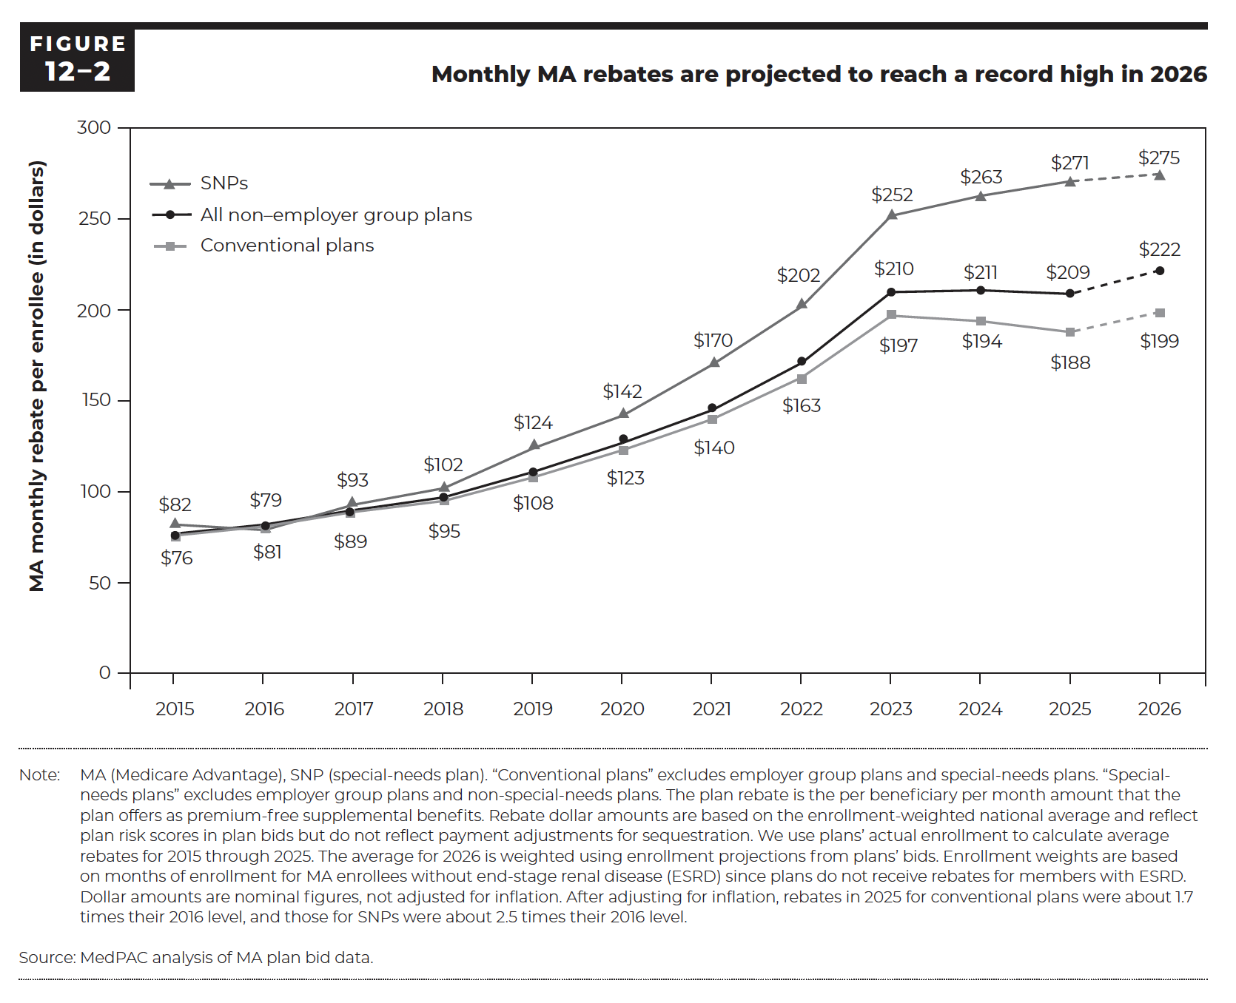
Figure 12-2. Monthly MA rebates are projected to reach a record high in 2026
MA monthly rebate per enrollee (in dollars)

 | Conventional plans | Special-needs plans | All non–employer group plans
2015 | $76 | $82 | $77
2016 | $81 | $79 | $81
2017 | $89 | $93 | $90
2018 | $95 | $102 | $96
2019 | $108 | $124 | $111
2020 | $123 | $142 | $126
2021 | $140 | $170 | $145
2022 | $163 | $202 | $171
2023 | $197 | $252 | $210
2024 | $194 | $263 | $211
2025 | $188 | $271 | $209
2026 | $199 | $275 | $222

Back to Table of Contents

Figure 12-3
This file presents the data, not otherwise shown or labeled in the chapter, underlying the figures in Chapter 12 of MedPAC's March 2026 Report to the Congress: Medicare Payment Policy
https://www.medpac.gov/wp-content/uploads/2026/03/Mar26_Ch12_MedPAC_Report_To_Congress_SEC.pdf

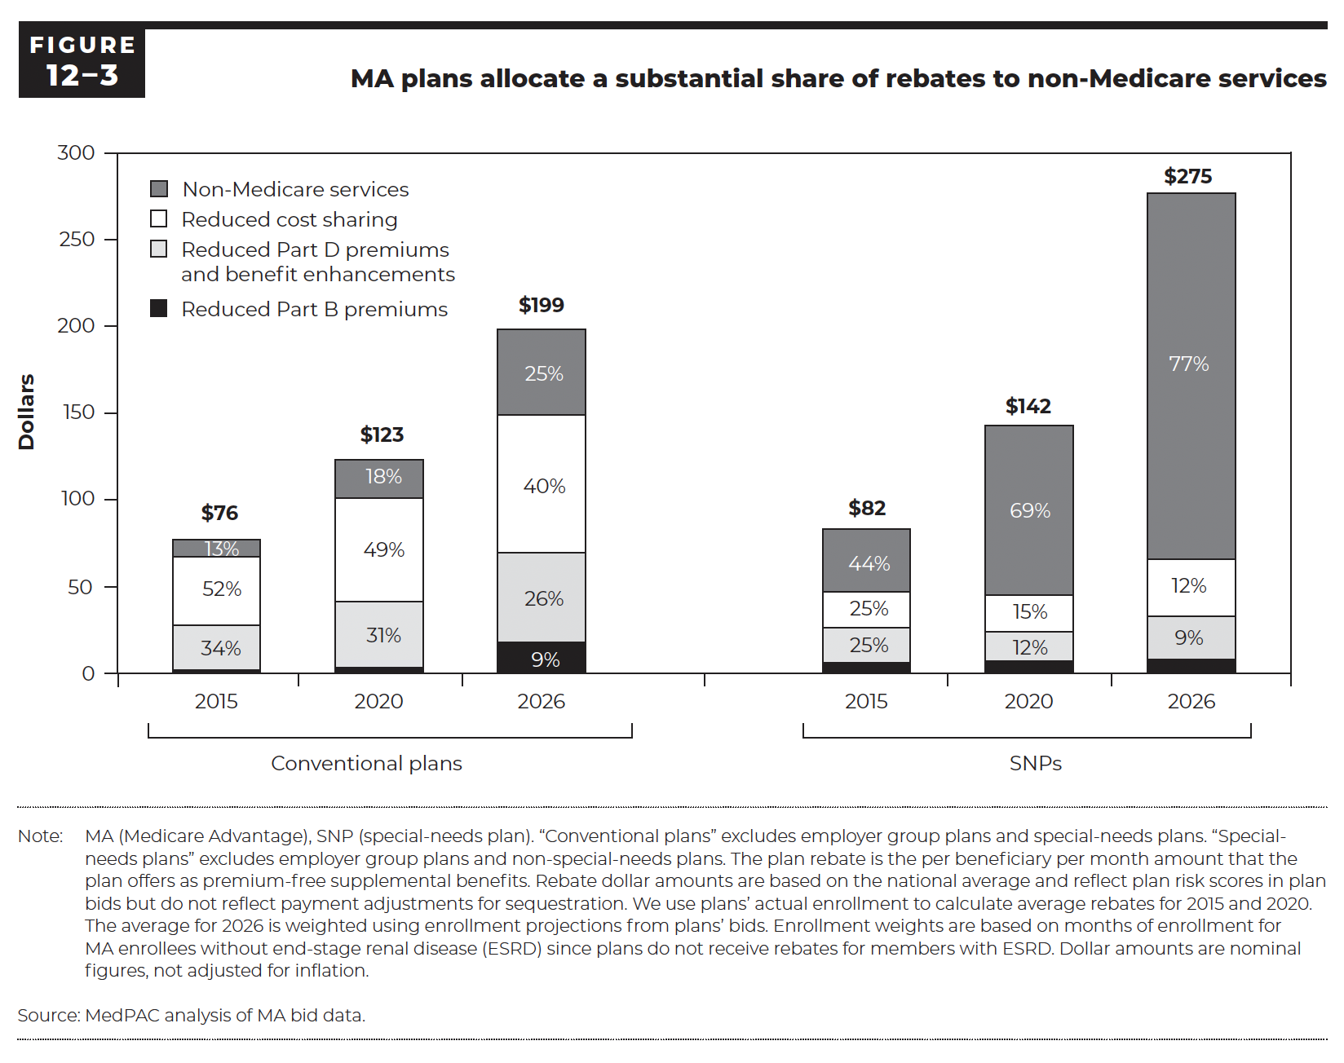
Figure 12-3. MA plans allocate a substantial share of rebates to non-Medicare services
Dollars

Conventional plans
 | Reduced Part B premiums | Reduced Part D premiums and benefit enhancements | Reduced cost sharing | Non-Medicare services | Total
2015 | 1 | 25 | 40 | 10 | 76
2020 | 2 | 38 | 60 | 22 | 123
2026 | 18 | 51 | 81 | 50 | 199

SNPs
 | Reduced Part B premiums | Reduced Part D premiums and benefit enhancements | Reduced cost sharing | Non-Medicare services | Total
2015 | 4 | 21 | 21 | 36 | 82
2020 | 5 | 17 | 22 | 98 | 142
2026 | 8 | 24 | 32 | 212 | 275

Back to Table of Contents

Figure 12-6
This file presents the data, not otherwise shown or labeled in the chapter, underlying the figures in Chapter 12 of MedPAC's March 2026 Report to the Congress: Medicare Payment Policy
https://www.medpac.gov/wp-content/uploads/2026/03/Mar26_Ch12_MedPAC_Report_To_Congress_SEC.pdf

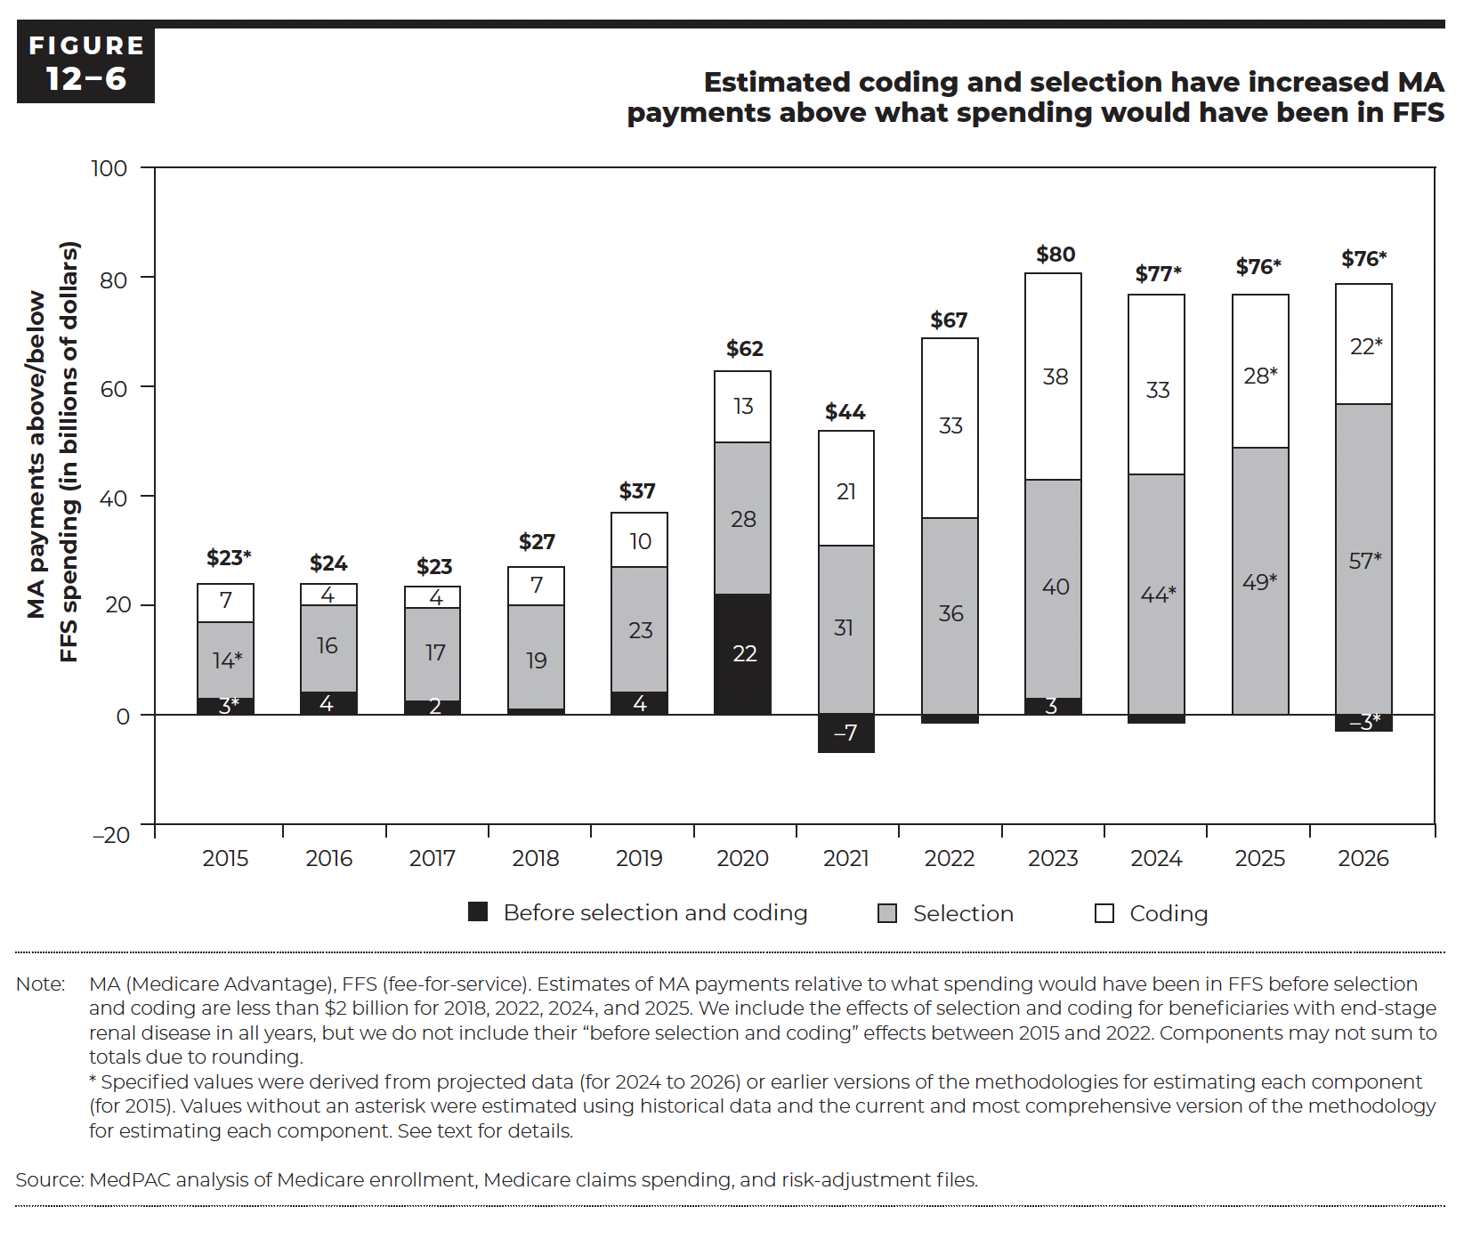
Figure 12-6. Estimated coding and selection have increased MA payments above what spending would have been in FFS
MA payments above/below FFS spending (in billions of dollars)

 | Before selection and coding | Selection | Coding | Total
2015 | 3 | 14 | 7 | 23
2016 | 4 | 16 | 4 | 24
2017 | 2 | 17 | 4 | 23
2018 | 1 | 19 | 7 | 27
2019 | 4 | 23 | 10 | 37
2020 | 22 | 28 | 13 | 62
2021 | -7 | 31 | 21 | 44
2022 | -1 | 36 | 33 | 67
2023 | 3 | 40 | 38 | 80
2024 | -1 | 44 | 33 | 77
2025 | 0 | 49 | 28 | 76
2026 | -3 | 57 | 22 | 76

Back to Table of Contents

Figure 12-7
This file presents the data, not otherwise shown or labeled in the chapter, underlying the figures in Chapter 12 of MedPAC's March 2026 Report to the Congress: Medicare Payment Policy
https://www.medpac.gov/wp-content/uploads/2026/03/Mar26_Ch12_MedPAC_Report_To_Congress_SEC.pdf

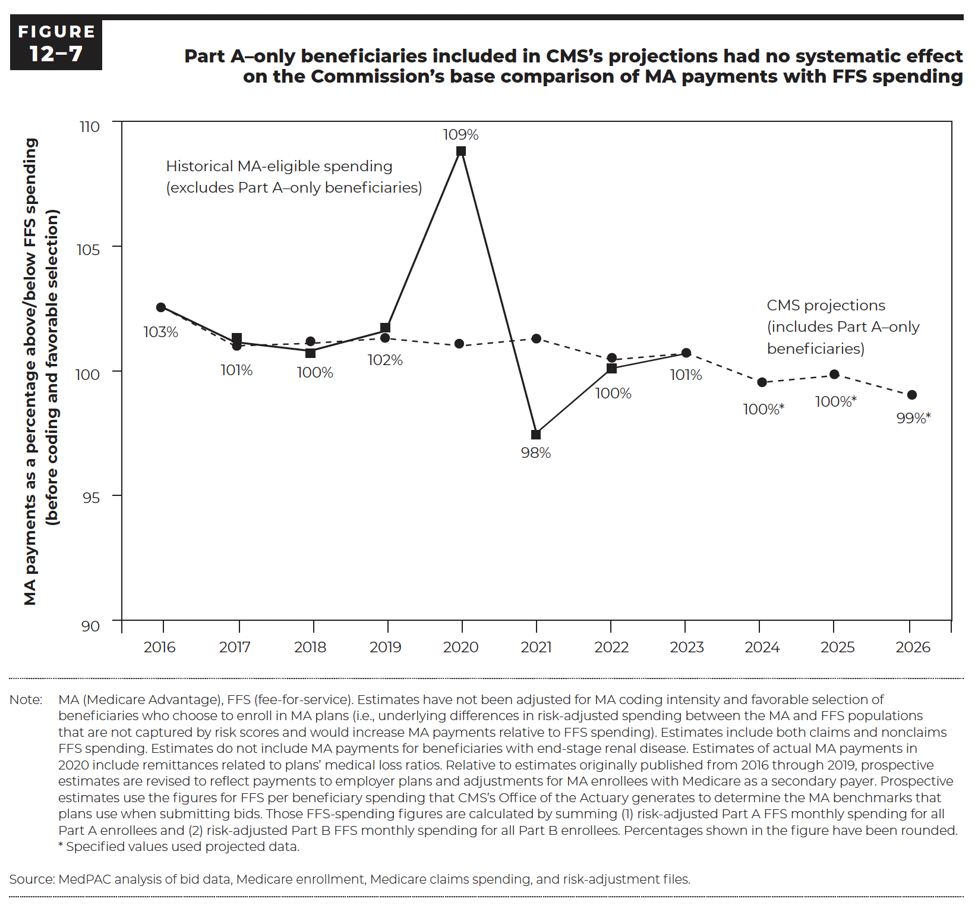
Figure 12-7. Part A–only beneficiaries included in CMS's projections had no systematic effect on the Commission's base comparison of MA payments with FFS spending
MA payments as a percentage above/below FFS spending (before coding and favorable selection)

 | Historical MA-eligible spending (excludes Part A–only beneficiaries) | CMS projections (includes Part A–only beneficiaries)
2016 | 103% | 103%
2017 | 101% | 101%
2018 | 100% | 101%
2019 | 102% | 101%
2020 | 109% | 101%
2021 | 98% | 101%
2022 | 100% | 100%
2023 | 101% | 101%
2024 |  | 100%
2025 |  | 100%
2026 |  | 99%

Back to Table of Contents

Figure 12-12
This file presents the data, not otherwise shown or labeled in the chapter, underlying the figures in Chapter 12 of MedPAC's March 2026 Report to the Congress: Medicare Payment Policy
https://www.medpac.gov/wp-content/uploads/2026/03/Mar26_Ch12_MedPAC_Report_To_Congress_SEC.pdf

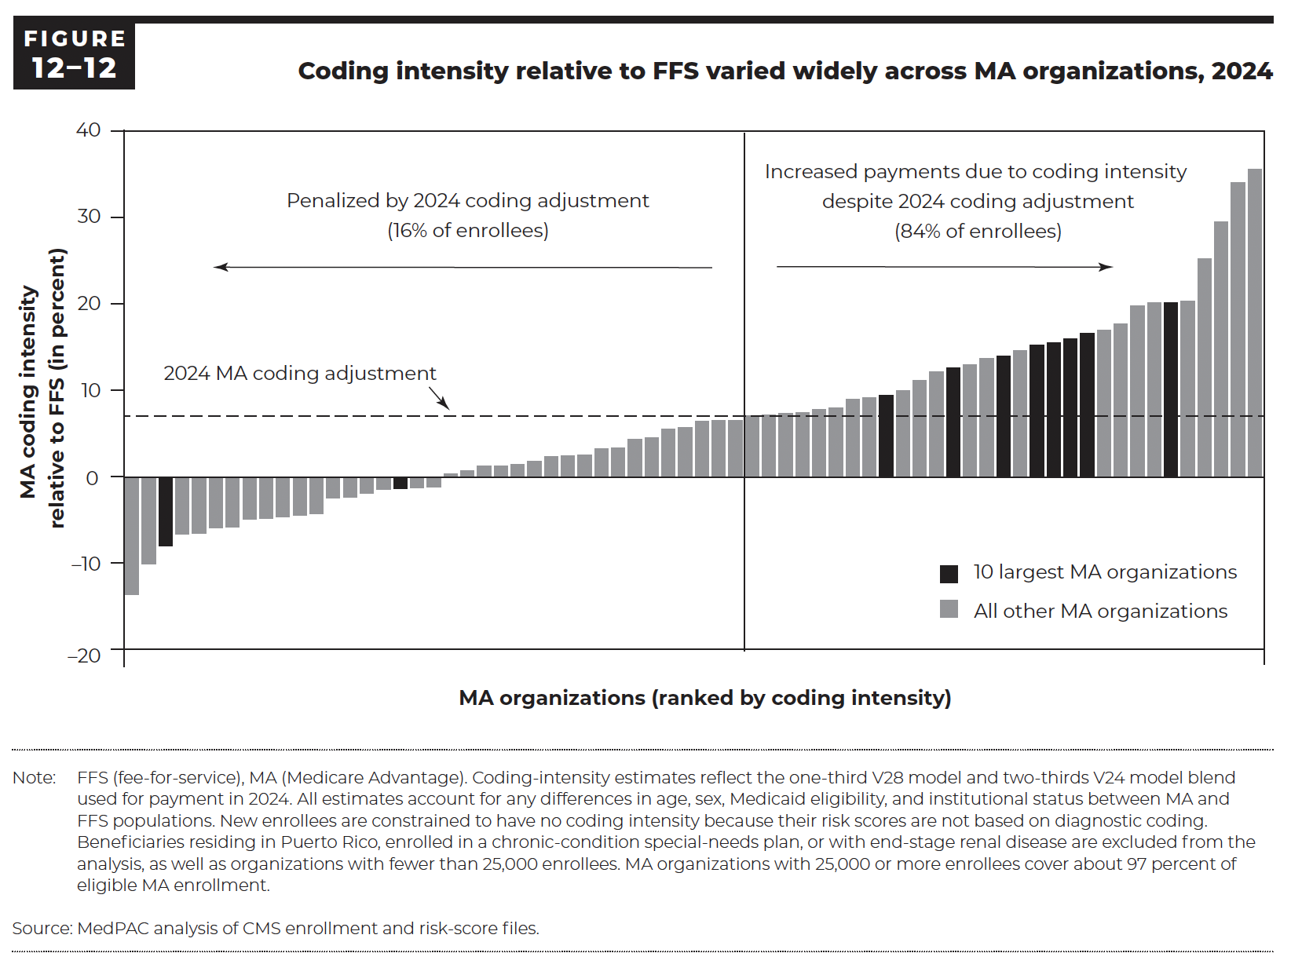
Figure 12-12. Coding intensity relative to FFS varied widely across MA organizations, 2024
MA coding intensity relative to FFS (in percent)

MA organization rank (lowest to highest by coding intensity) | MA coding intensity relative to FFS (in percent) | 10 largest MA organizations
1 | -13.5% | No
2 | -10.0% | No
3 | -8.2% | Yes
4 | -7.9% | No
5 | -6.5% | No
6 | -6.4% | No
7 | -5.8% | No
8 | -5.7% | No
9 | -4.8% | No
10 | -4.7% | No
11 | -4.5% | No
12 | -4.4% | No
13 | -4.2% | No
14 | -2.4% | No
15 | -2.3% | No
16 | -1.8% | No
17 | -1.4% | No
18 | -1.3% | Yes
19 | -1.2% | No
20 | -1.1% | No
21 | 0.4% | No
22 | 0.8% | No
23 | 1.3% | No
24 | 1.3% | No
25 | 1.5% | No
26 | 1.9% | No
27 | 2.4% | No
28 | 2.5% | No
29 | 2.6% | No
30 | 3.3% | No
31 | 3.4% | No
32 | 4.4% | No
33 | 4.6% | No
34 | 5.6% | No
35 | 5.8% | No
36 | 6.5% | No
37 | 6.6% | No
38 | 6.6% | No
39 | 7.1% | No
40 | 7.2% | No
41 | 7.4% | No
42 | 7.5% | No
43 | 7.8% | No
44 | 8.0% | No
45 | 9.0% | No
46 | 9.2% | No
47 | 9.5% | No
48 | 10.0% | No
49 | 11.2% | No
50 | 11.8% | Yes
51 | 11.8% | No
52 | 12.0% | No
53 | 12.2% | No
54 | 12.5% | Yes
55 | 13.0% | No
56 | 13.7% | No
57 | 13.8% | Yes
58 | 14.6% | No
59 | 15.3% | Yes
60 | 15.5% | Yes
61 | 16.0% | Yes
62 | 16.6% | Yes
63 | 17.0% | No
64 | 17.7% | No
65 | 19.8% | No
66 | 20.1% | No
67 | 20.1% | Yes
68 | 20.3% | No
69 | 25.2% | No
70 | 29.4% | No
71 | 34.0% | No
72 | 35.5% | No

Back to Table of Contents

Figure 12-13
This file presents the data, not otherwise shown or labeled in the chapter, underlying the figures in Chapter 12 of MedPAC's March 2026 Report to the Congress: Medicare Payment Policy
https://www.medpac.gov/wp-content/uploads/2026/03/Mar26_Ch12_MedPAC_Report_To_Congress_SEC.pdf

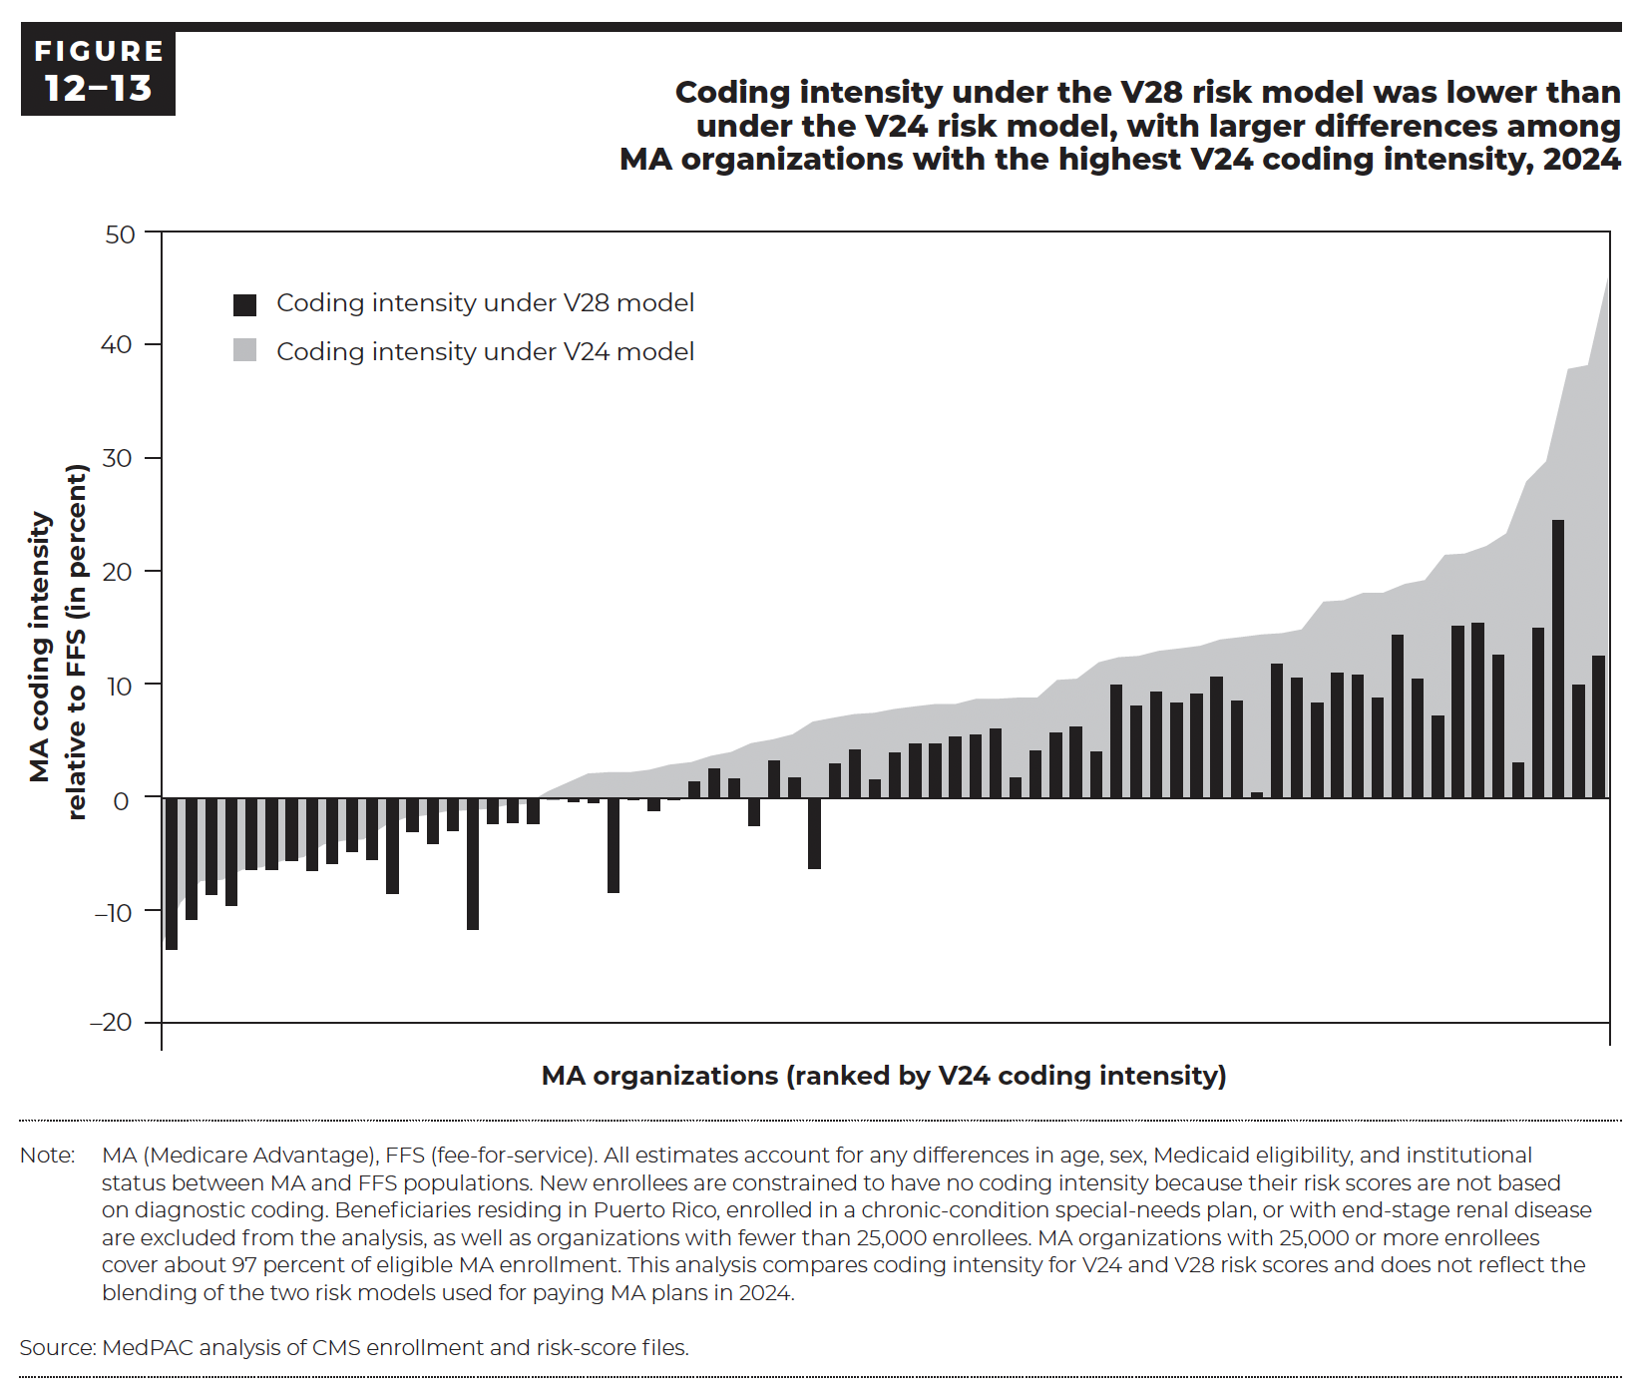
Figure 12-13. Coding intensity under the V28 risk model was lower than under the V24 risk model, with larger differences among MA organizations with the highest V24 cosing intensity, 2024
MA coding intensity relative to FFS (in percent)

MA organization rank (lowest to highest by V24 coding intensity) | Coding intensity under V28 model | Coding intensity under V24 model
1 | -13.3% | -13.6%
2 | -10.7% | -9.6%
3 | -8.5% | -7.6%
4 | -9.4% | -7.6%
5 | -6.3% | -6.6%
6 | -6.3% | -6.4%
7 | -5.5% | -5.8%
8 | -6.4% | -5.4%
9 | -5.7% | -4.3%
10 | -4.7% | -3.9%
11 | -5.4% | -3.8%
12 | -8.4% | -2.6%
13 | -2.9% | -1.9%
14 | -4.0% | -1.6%
15 | -2.8% | -1.3%
16 | -11.5% | -1.2%
17 | -2.2% | -1.0%
18 | -2.1% | -0.8%
19 | -2.2% | -0.6%
20 | -0.1% | 0.6%
21 | -0.3% | 1.3%
22 | -0.4% | 2.1%
23 | -8.3% | 2.2%
24 | -0.1% | 2.3%
25 | -1.1% | 2.5%
26 | -0.1% | 2.9%
27 | 1.5% | 3.1%
28 | 2.6% | 3.7%
29 | 1.7% | 4.1%
30 | -2.4% | 4.9%
31 | 3.3% | 5.2%
32 | 1.8% | 5.7%
33 | -6.2% | 6.8%
34 | 3.0% | 7.2%
35 | 4.3% | 7.6%
36 | 1.6% | 7.7%
37 | 4.0% | 8.0%
38 | 4.8% | 8.2%
39 | 4.8% | 8.4%
40 | 5.4% | 8.5%
41 | 5.6% | 8.9%
42 | 6.1% | 8.9%
43 | 1.8% | 9.0%
44 | 4.2% | 9.1%
45 | 5.8% | 10.6%
46 | 6.3% | 10.7%
47 | 4.1% | 12.2%
48 | 10.0% | 12.7%
49 | 8.1% | 12.8%
50 | 9.4% | 13.3%
51 | 8.4% | 13.5%
52 | 9.2% | 13.7%
53 | 10.7% | 14.3%
54 | 8.6% | 14.5%
55 | 0.5% | 14.8%
56 | 11.8% | 14.9%
57 | 10.6% | 15.2%
58 | 8.4% | 17.8%
59 | 11.0% | 17.9%
60 | 10.9% | 18.5%
61 | 8.8% | 18.6%
62 | 14.4% | 19.4%
63 | 10.5% | 19.7%
64 | 7.3% | 22.0%
65 | 15.2% | 22.1%
66 | 15.4% | 22.7%
67 | 12.6% | 24.0%
68 | 3.1% | 28.7%
69 | 15.0% | 30.5%
70 | 24.5% | 38.9%
71 | 10.0% | 39.2%
72 | 12.5% | 47.2%

Back to Table of Contents

Figure 12-15
This file presents the data, not otherwise shown or labeled in the chapter, underlying the figures in Chapter 12 of MedPAC's March 2026 Report to the Congress: Medicare Payment Policy
https://www.medpac.gov/wp-content/uploads/2026/03/Mar26_Ch12_MedPAC_Report_To_Congress_SEC.pdf

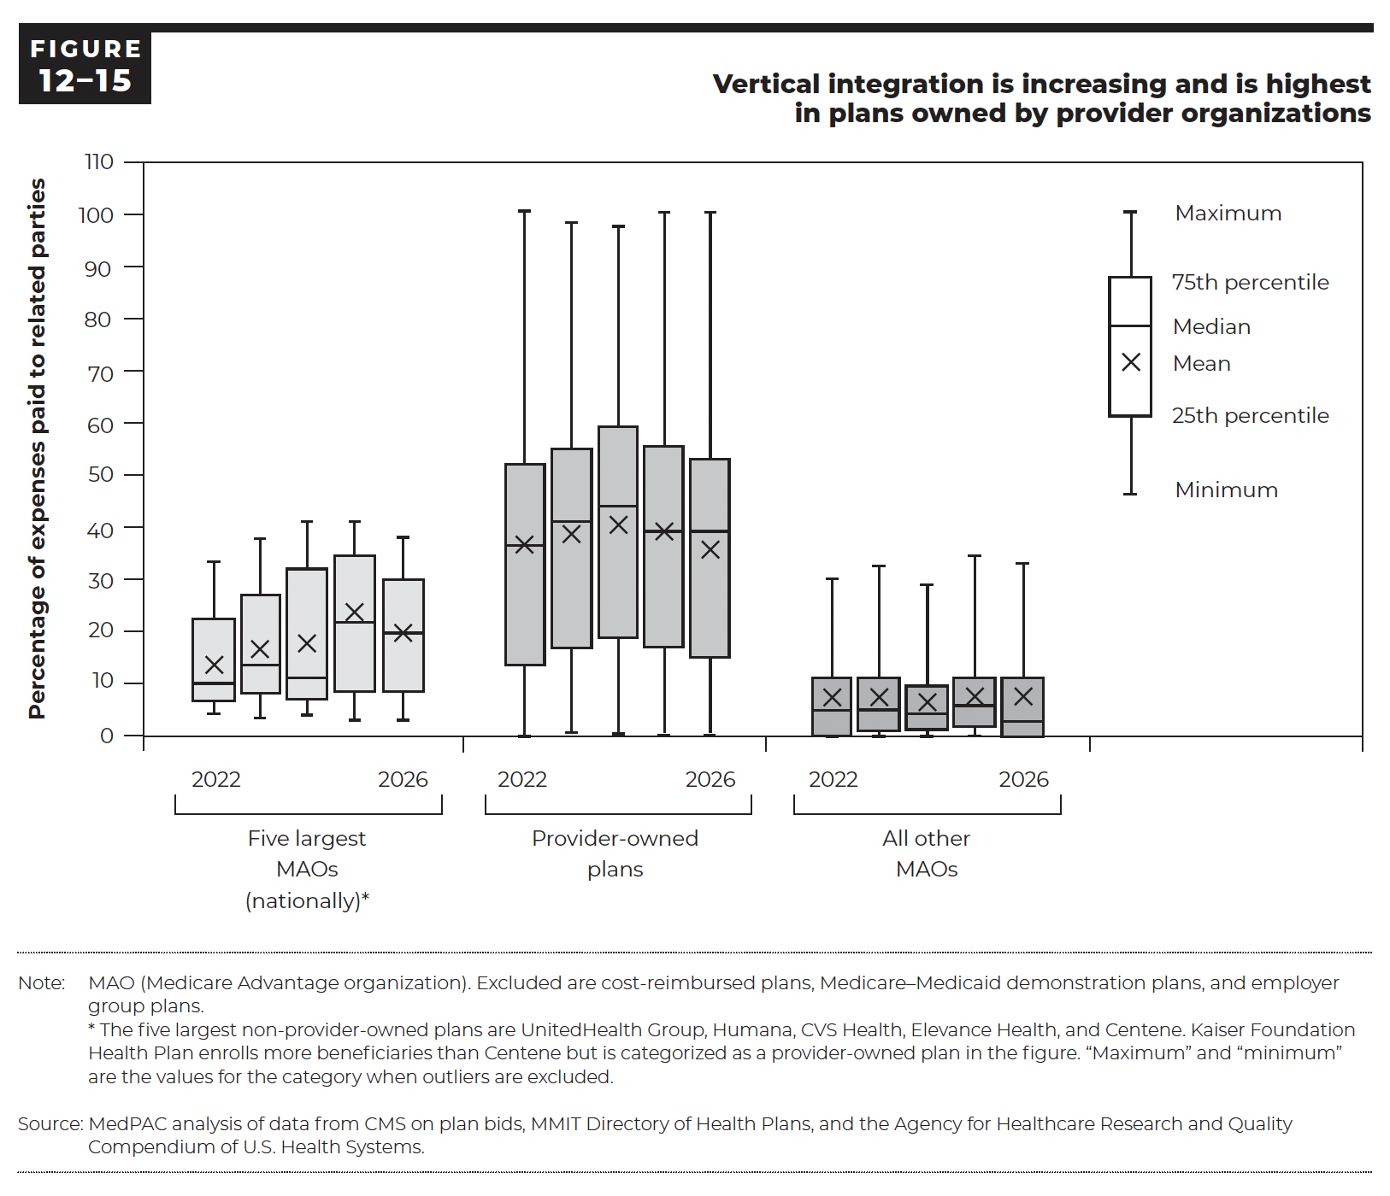
Figure 12-15. Vertical integration is increasing and is highest in plans owned by provider organizations

 | Five largest MAOs (nationally) (Percent of benefit expenses paid to related parties)
 | Minimum | 25th percentile | Median | Mean | 75th percentile | Maximum
2022 | 4% | 7% | 10% | 14% | 22% | 33%
2023 | 4% | 8% | 14% | 17% | 27% | 38%
2024 | 4% | 7% | 11% | 18% | 32% | 41%
2025 | 4% | 8% | 20% | 21% | 33% | 41%
2026 | 4% | 8% | 19% | 19% | 29% | 38%

 | Provider-owned plans (Percent of benefit expenses paid to related parties)
 | Minimum | 25th percentile | Median | Mean | 75th percentile | Maximum
2022 | 0% | 12% | 36% | 36% | 52% | 100%
2023 | 0% | 16% | 40% | 39% | 54% | 98%
2024 | 0% | 18% | 43% | 40% | 59% | 97%
2025 | 0% | 16% | 39% | 39% | 55% | 100%
2026 | 0% | 13% | 39% | 36% | 52% | 100%

 | All other MAOs (Percent of benefit expenses paid to related parties)
 | Minimum | 25th percentile | Median | Mean | 75th percentile | Maximum
2022 | 0% | 0% | 5% | 7% | 11% | 30%
2023 | 0% | 1% | 5% | 7% | 11% | 32%
2024 | 0% | 1% | 4% | 6% | 10% | 28%
2025 | 0% | 1% | 6% | 7% | 11% | 33%
2026 | 0% | 0% | 3% | 7% | 11% | 32%

Back to Table of Contents

Figure 12-17
This file presents the data, not otherwise shown or labeled in the chapter, underlying the figures in Chapter 12 of MedPAC's March 2026 Report to the Congress: Medicare Payment Policy
https://www.medpac.gov/wp-content/uploads/2026/03/Mar26_Ch12_MedPAC_Report_To_Congress_SEC.pdf

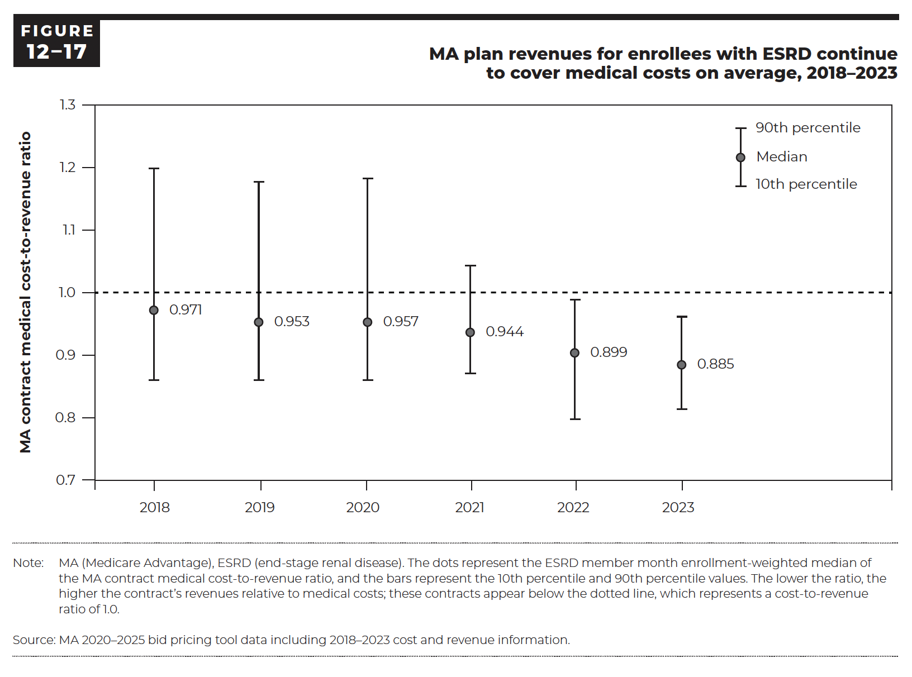
Figure 12-17. MA plan revenues for enrollees with ESRD continue to cover medical costs on average, 2018–2023
MA contract medical cost-to-revenue ratio

 | 10th percentile | Median | 90th percentile
2018 | 0.861 | 0.971 | 1.197
2019 | 0.861 | 0.953 | 1.176
2020 | 0.862 | 0.957 | 1.181
2021 | 0.879 | 0.944 | 1.044
2022 | 0.807 | 0.899 | 0.988
2023 | 0.814 | 0.885 | 0.963

Back to Table of Contents

Figure 12-19
This file presents the data, not otherwise shown or labeled in the chapter, underlying the figures in Chapter 12 of MedPAC's March 2026 Report to the Congress: Medicare Payment Policy
https://www.medpac.gov/wp-content/uploads/2026/03/Mar26_Ch12_MedPAC_Report_To_Congress_SEC.pdf

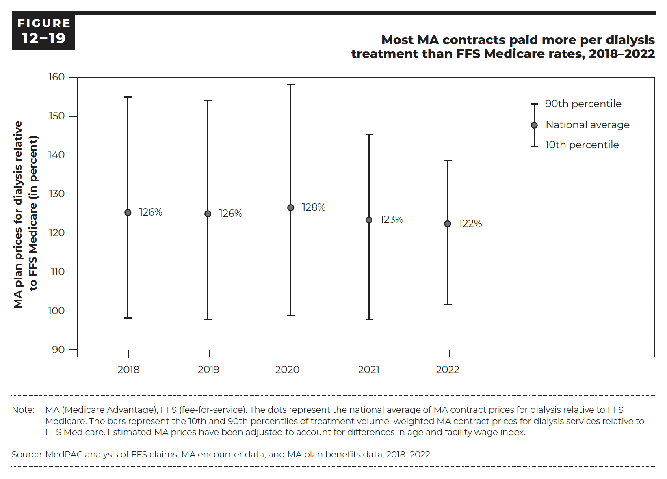
Figure 12-19. Most MA contracts paid more per dialysis treatment than FFS Medicare rates, 2018–2022
MA plan prices for dialysis relative to FFS Medicare (in percent)

 | 10th percentile | National average | 90th percentile
2018 | 99% | 126% | 156%
2019 | 98% | 126% | 155%
2020 | 99% | 128% | 159%
2021 | 98% | 123% | 147%
2022 | 102% | 122% | 139%

Back to Table of Contents

Figure 12-B2
This file presents the data, not otherwise shown or labeled in the chapter, underlying the figures in Chapter 12 of MedPAC's March 2026 Report to the Congress: Medicare Payment Policy
https://www.medpac.gov/wp-content/uploads/2026/03/Mar26_Ch12_MedPAC_Report_To_Congress_SEC.pdf

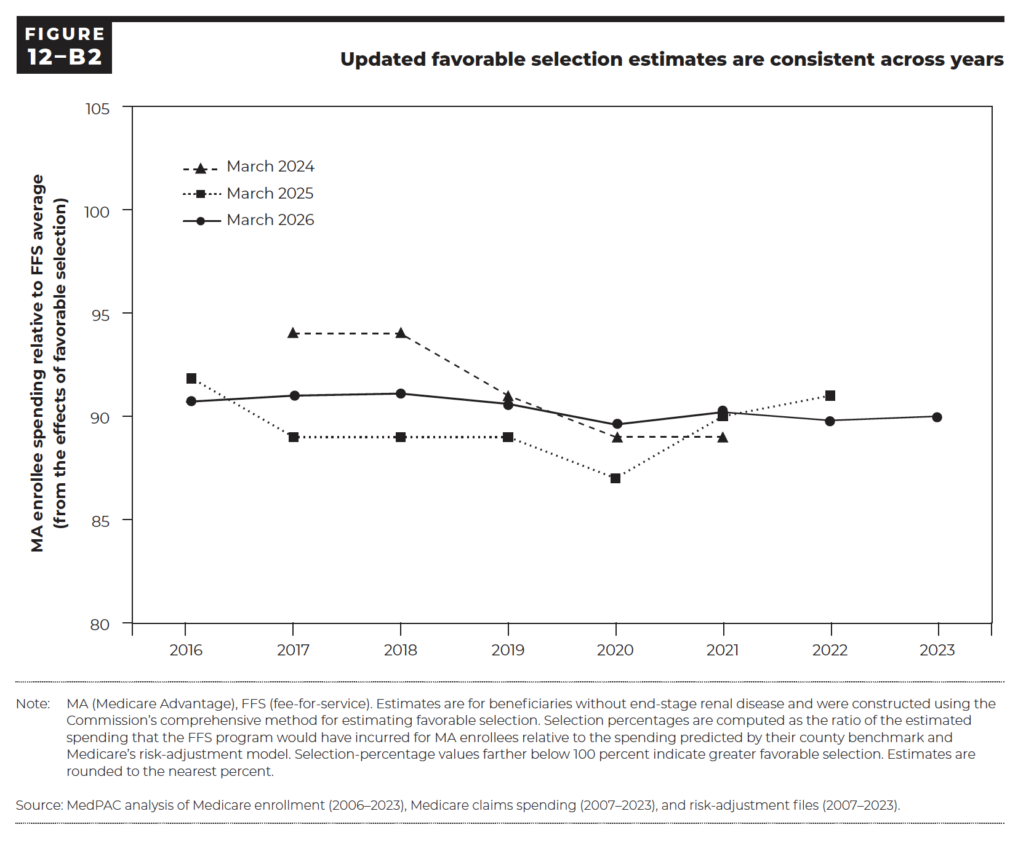
Figure 12-B2. Updated favorable selection estimates are consistent across years
MA enrollee spending relative to FFS average (from the effects of favorable selection)

 | March 2024 | March 2025 | March 2026
2016 |  | 92% | 91%
2017 | 94% | 89% | 91%
2018 | 94% | 89% | 91%
2019 | 91% | 89% | 91%
2020 | 89% | 87% | 90%
2021 | 89% | 90% | 90%
2022 |  | 91% | 90%
2023 |  |  | 90%

Back to Table of Contents

