Figure 11-1
This file presents the data, not otherwise shown or labeled in the chapter, underlying the figures in Chapter 11 of MedPAC's March 2026 Report to the Congress: Medicare Payment Policy
https://www.medpac.gov/wp-content/uploads/2026/03/Mar26_Ch11_MedPAC_Report_To_Congress_SEC.pdf

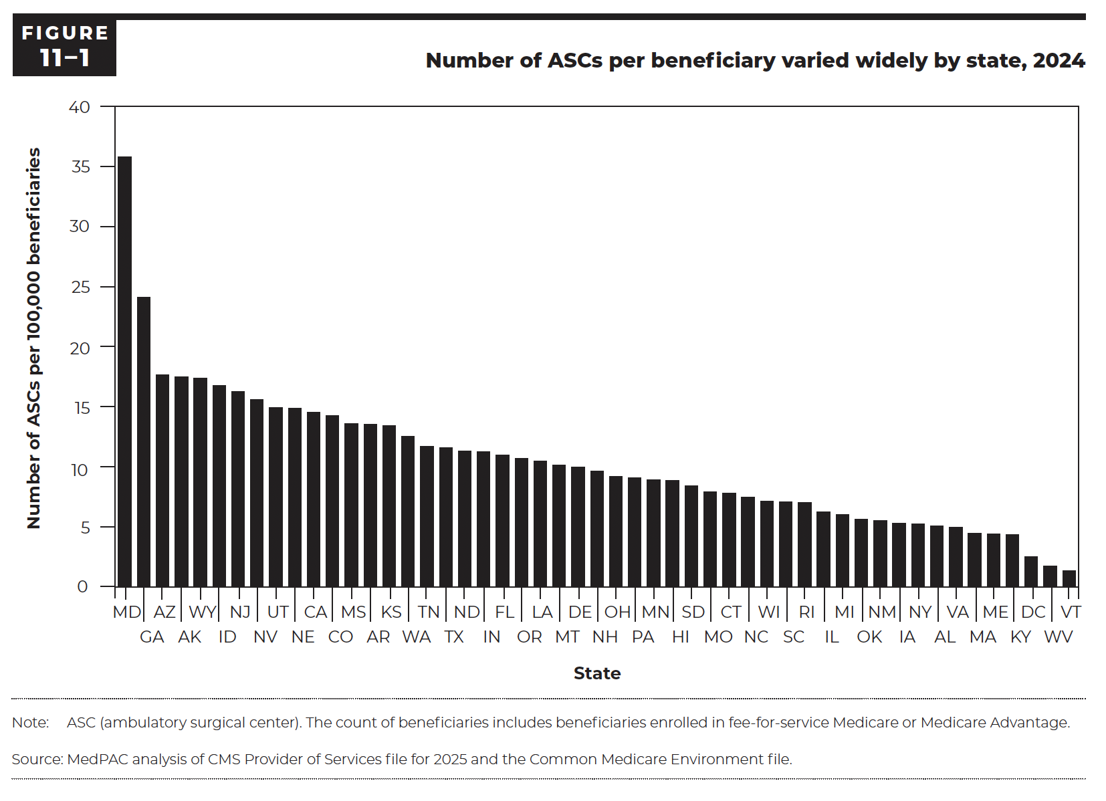
Figure 11-1. Number of ASCs per beneficiary varied widely by state, 2024
Number of ASCs per 100,000 Part B beneficiaries

State | ASCs per 100,000 Part B beneficiaries
MD | 35.8
GA | 24.1
AZ | 17.6
AK | 17.5
WY | 17.4
ID | 16.8
NJ | 16.2
NV | 15.6
UT | 14.9
NE | 14.8
CA | 14.5
CO | 14.2
MS | 13.6
AR | 13.6
KS | 13.4
WA | 12.5
TN | 11.7
TX | 11.6
ND | 11.3
IN | 11.2
FL | 10.9
OR | 10.7
LA | 10.5
MT | 10.1
DE | 10.0
NH | 9.6
OH | 9.2
PA | 9.1
MN | 8.9
HI | 8.8
SD | 8.4
MO | 7.9
CT | 7.8
NC | 7.5
WI | 7.1
SC | 7.0
RI | 7.0
IL | 6.2
MI | 6.0
OK | 5.6
NM | 5.5
IA | 5.3
NY | 5.2
AL | 5.1
VA | 4.9
MA | 4.4
ME | 4.4
KY | 4.3
DC | 2.5
WV | 1.7
VT | 1.3

Back to Table of Contents

