Chart 10-8
This file presents the data, not otherwise shown or labeled in the chapter, underlying the charts in Section 10 of MedPAC's July 2025 Data Book: Health Care Spending and the Medicare Program
https://www.medpac.gov/wp-content/uploads/2025/07/July2025_MedPAC_DataBook_Sec10_SEC-1.pdf

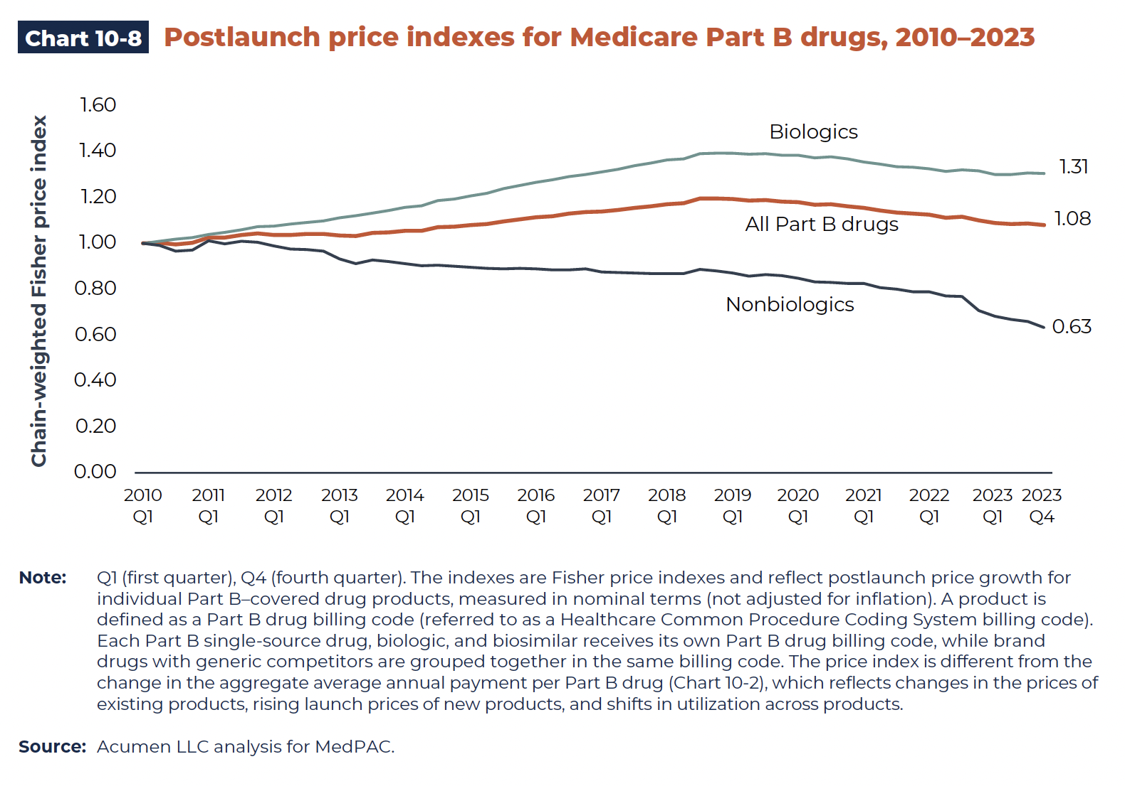
Chart 10-8. Postlaunch price indexes for Medicare Part B drugs, 2010–2023
Chain-weighted Fisher price index

 | Biologics | All Part B drugs | Nonbiologics
2010 Q1 | 1.00 | 1.00 | 1.00
2010 Q2 | 1.01 | 1.00 | 0.99
2010 Q3 | 1.02 | 1.00 | 0.97
2010 Q4 | 1.03 | 1.00 | 0.97
2011 Q1 | 1.04 | 1.03 | 1.01
2011 Q2 | 1.05 | 1.03 | 1.00
2011 Q3 | 1.05 | 1.04 | 1.02
2011 Q4 | 1.07 | 1.04 | 1.01
2012 Q1 | 1.07 | 1.04 | 1.00
2012 Q2 | 1.08 | 1.04 | 0.98
2012 Q3 | 1.09 | 1.04 | 0.98
2012 Q4 | 1.09 | 1.04 | 0.97
2013 Q1 | 1.10 | 1.04 | 0.94
2013 Q2 | 1.11 | 1.03 | 0.92
2013 Q3 | 1.13 | 1.05 | 0.94
2013 Q4 | 1.14 | 1.05 | 0.93
2014 Q1 | 1.15 | 1.05 | 0.92
2014 Q2 | 1.16 | 1.06 | 0.91
2014 Q3 | 1.18 | 1.07 | 0.91
2014 Q4 | 1.19 | 1.07 | 0.91
2015 Q1 | 1.20 | 1.08 | 0.90
2015 Q2 | 1.21 | 1.08 | 0.90
2015.Q3 | 1.23 | 1.10 | 0.90
2015 Q4 | 1.24 | 1.11 | 0.90
2016 Q1 | 1.26 | 1.12 | 0.90
2016 Q2 | 1.27 | 1.12 | 0.89
2016 Q3 | 1.28 | 1.13 | 0.89
2016 Q4 | 1.29 | 1.14 | 0.90
2017 Q1 | 1.30 | 1.14 | 0.88
2017 Q2 | 1.32 | 1.15 | 0.88
2017 Q3 | 1.33 | 1.16 | 0.88
2017 Q4 | 1.34 | 1.16 | 0.88
2018 Q1 | 1.35 | 1.17 | 0.88
2018 Q2 | 1.36 | 1.18 | 0.88
2018 Q3 | 1.38 | 1.20 | 0.90
2018 Q4 | 1.38 | 1.20 | 0.89
2019 Q1 | 1.38 | 1.19 | 0.88
2019 Q2 | 1.38 | 1.19 | 0.86
2019 Q3 | 1.38 | 1.19 | 0.87
2019 Q4 | 1.38 | 1.18 | 0.87
2020 Q1 | 1.38 | 1.18 | 0.86
2020 Q2 | 1.36 | 1.17 | 0.84
2020 Q3 | 1.37 | 1.17 | 0.84
2020 Q4 | 1.36 | 1.16 | 0.83
2021 Q1 | 1.35 | 1.16 | 0.83
2021 Q2 | 1.34 | 1.14 | 0.82
2021 Q3 | 1.33 | 1.13 | 0.81
2021 Q4 | 1.32 | 1.13 | 0.80
2022 Q1 | 1.32 | 1.12 | 0.80
2022 Q2 | 1.31 | 1.11 | 0.78
2022 Q3 | 1.31 | 1.12 | 0.78
2022 Q4 | 1.31 | 1.10 | 0.71
2023 Q1 | 1.30 | 1.09 | 0.68
2023 Q2 | 1.30 | 1.08 | 0.67
2023 Q3 | 1.31 | 1.09 | 0.66
2023 Q4 | 1.31 | 1.08 | 0.63

Back to Table of Contents

Chart 10-21
This file presents the data, not otherwise shown or labeled in the chapter, underlying the charts in Section 10 of MedPAC's July 2025 Data Book: Health Care Spending and the Medicare Program
https://www.medpac.gov/wp-content/uploads/2025/07/July2025_MedPAC_DataBook_Sec10_SEC-1.pdf

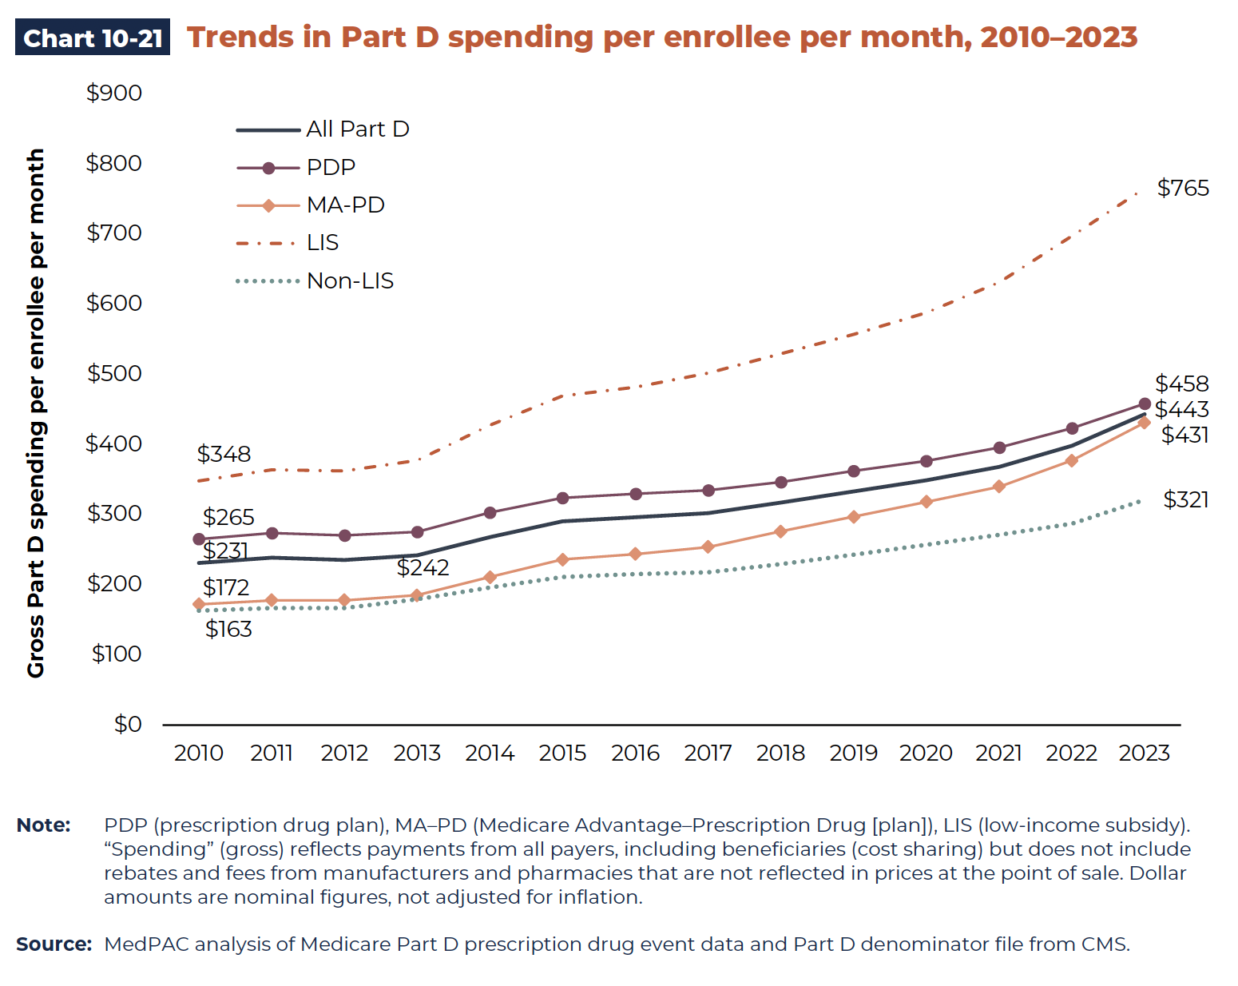
Chart 10-21. Trends in Part D spending per enrollee per month, 2010–2023
Gross Part D spending per enrollee per month (in dollars)

 | All Part D | PDP | MA–PD | LIS | Non-LIS
2010 | 231 | 265 | 172 | 348 | 163
2011 | 239 | 274 | 178 | 364 | 167
2012 | 235 | 270 | 178 | 362 | 167
2013 | 242 | 275 | 185 | 377 | 179
2014 | 268 | 303 | 211 | 427 | 196
2015 | 290 | 324 | 236 | 469 | 211
2016 | 296 | 330 | 244 | 482 | 215
2017 | 302 | 335 | 254 | 502 | 218
2018 | 317 | 346 | 276 | 529 | 229
2019 | 333 | 362 | 297 | 557 | 243
2020 | 349 | 376 | 318 | 588 | 257
2021 | 368 | 396 | 340 | 631 | 271
2022 | 398 | 423 | 377 | 697 | 287
2023 | 443 | 458 | 431 | 765 | 321

Back to Table of Contents

Chart 10-22
This file presents the data, not otherwise shown or labeled in the chapter, underlying the charts in Section 10 of MedPAC's July 2025 Data Book: Health Care Spending and the Medicare Program
https://www.medpac.gov/wp-content/uploads/2025/07/July2025_MedPAC_DataBook_Sec10_SEC-1.pdf

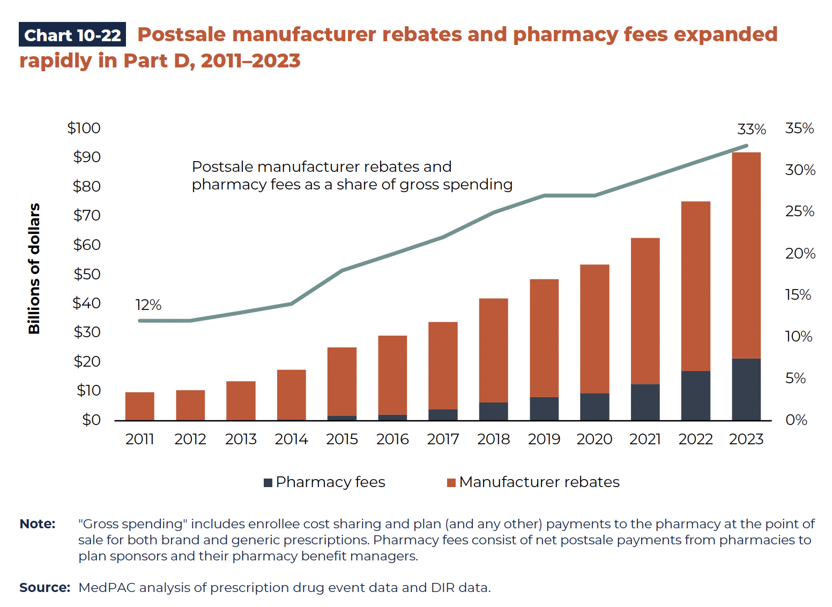
Chart 10-22. Postsale manufacturer rebates and pharmacy fees expanded rapidly in Part D, 2011–2023

 | Postsale manufacturer rebates and pharmacy fees as a share of gross spending (in percent) | Aggregate amounts (in billions of dollars)

 |  | Pharmacy fees | Manufacturer rebates
2011 | 12% | <0.1 | 9.7
2012 | 12% | <0.1 | 10.4
2013 | 13% | 0.2 | 13.3
2014 | 14% | 0.4 | 17.1
2015 | 18% | 1.7 | 23.4
2016 | 20% | 2.1 | 27.0
2017 | 22% | 4.0 | 29.8
2018 | 25% | 6.3 | 35.6
2019 | 27% | 8.1 | 40.4
2020 | 27% | 9.5 | 44.0
2021 | 29% | 12.6 | 50.1
2022 | 31% | 17.1 | 58.1
2023 | 33% | 21.3 | 70.7

Back to Table of Contents

Chart 10-26
This file presents the data, not otherwise shown or labeled in the chapter, underlying the charts in Section 10 of MedPAC's July 2025 Data Book: Health Care Spending and the Medicare Program
https://www.medpac.gov/wp-content/uploads/2025/07/July2025_MedPAC_DataBook_Sec10_SEC-1.pdf

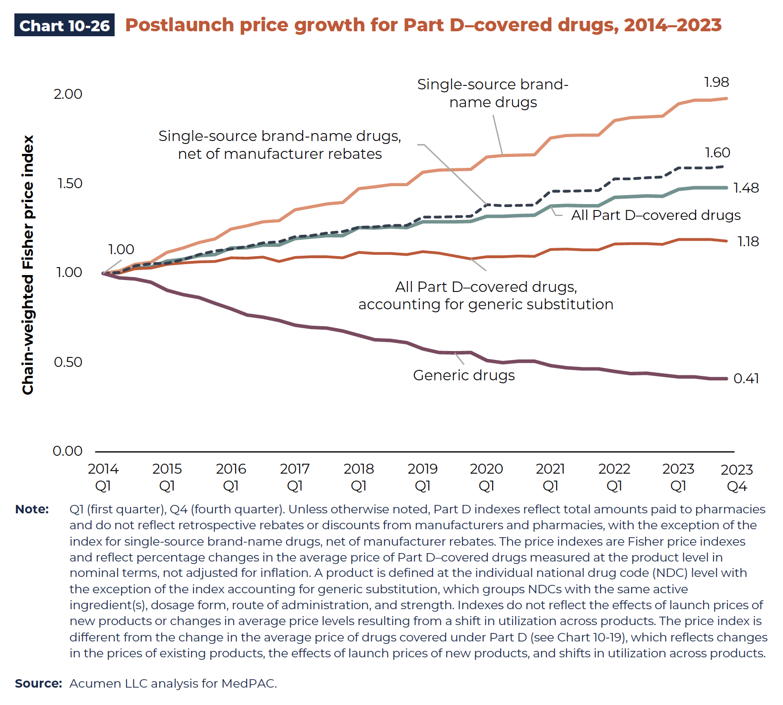
Chart 10-26. Postlaunch price growth for Part D–covered drugs, 2014–2023
Chain-weighted Fisher price index (2014 Q1 = 1.0)

 | All Part D–covered drugs | All Part D–covered drugs accounting for generic substitution | Single-source brand-name drugs | Single-source brand-name drugs, net of manufacturer rebates | Generic drugs
2014 Q1 | 1.00 | 1.00 | 1.00 | 1.00 | 1.00
2014 Q2 | 1.00 | 1.00 | 1.01 | 1.01 | 0.98
2014 Q3 | 1.03 | 1.02 | 1.05 | 1.04 | 0.97
2014 Q4 | 1.04 | 1.03 | 1.06 | 1.06 | 0.95
2015 Q1 | 1.07 | 1.05 | 1.12 | 1.06 | 0.91
2015 Q2 | 1.08 | 1.06 | 1.14 | 1.08 | 0.88
2015 Q3 | 1.10 | 1.07 | 1.17 | 1.11 | 0.87
2015 Q4 | 1.11 | 1.07 | 1.19 | 1.13 | 0.83
2016 Q1 | 1.14 | 1.09 | 1.25 | 1.14 | 0.80
2016 Q2 | 1.14 | 1.08 | 1.27 | 1.15 | 0.77
2016 Q3 | 1.16 | 1.09 | 1.29 | 1.17 | 0.76
2016 Q4 | 1.16 | 1.07 | 1.29 | 1.18 | 0.74
2017 Q1 | 1.20 | 1.09 | 1.36 | 1.20 | 0.71
2017 Q2 | 1.20 | 1.09 | 1.37 | 1.21 | 0.70
2017 Q3 | 1.21 | 1.09 | 1.39 | 1.23 | 0.69
2017 Q4 | 1.21 | 1.09 | 1.40 | 1.23 | 0.68
2018 Q1 | 1.26 | 1.12 | 1.48 | 1.26 | 0.65
2018 Q2 | 1.25 | 1.11 | 1.49 | 1.26 | 0.63
2018 Q3 | 1.26 | 1.11 | 1.50 | 1.27 | 0.62
2018 Q4 | 1.26 | 1.11 | 1.50 | 1.27 | 0.61
2019 Q1 | 1.29 | 1.12 | 1.57 | 1.32 | 0.58
2019 Q2 | 1.29 | 1.11 | 1.58 | 1.32 | 0.56
2019 Q3 | 1.29 | 1.10 | 1.58 | 1.32 | 0.55
2019 Q4 | 1.29 | 1.08 | 1.58 | 1.32 | 0.56
2020 Q1 | 1.32 | 1.09 | 1.65 | 1.39 | 0.51
2020 Q2 | 1.32 | 1.09 | 1.66 | 1.38 | 0.50
2020 Q3 | 1.32 | 1.10 | 1.66 | 1.38 | 0.51
2020 Q4 | 1.33 | 1.10 | 1.66 | 1.38 | 0.51
2021 Q1 | 1.38 | 1.13 | 1.76 | 1.46 | 0.48
2021 Q2 | 1.38 | 1.14 | 1.77 | 1.46 | 0.47
2021 Q3 | 1.38 | 1.13 | 1.77 | 1.46 | 0.47
2021 Q4 | 1.38 | 1.13 | 1.78 | 1.46 | 0.47
2022 Q1 | 1.43 | 1.16 | 1.86 | 1.53 | 0.45
2022 Q2 | 1.43 | 1.17 | 1.87 | 1.53 | 0.44
2022 Q3 | 1.43 | 1.17 | 1.88 | 1.54 | 0.44
2022 Q4 | 1.43 | 1.16 | 1.88 | 1.54 | 0.43
2023 Q1 | 1.47 | 1.19 | 1.95 | 1.59 | 0.42
2023 Q2 | 1.48 | 1.19 | 1.97 | 1.59 | 0.42
2023 Q3 | 1.48 | 1.19 | 1.97 | 1.59 | 0.41
2023 Q4 | 1.48 | 1.18 | 1.98 | 1.60 | 0.41

Back to Table of Contents

Chart 10-27
This file presents the data, not otherwise shown or labeled in the chapter, underlying the charts in Section 10 of MedPAC's July 2025 Data Book: Health Care Spending and the Medicare Program
https://www.medpac.gov/wp-content/uploads/2025/07/July2025_MedPAC_DataBook_Sec10_SEC-1.pdf

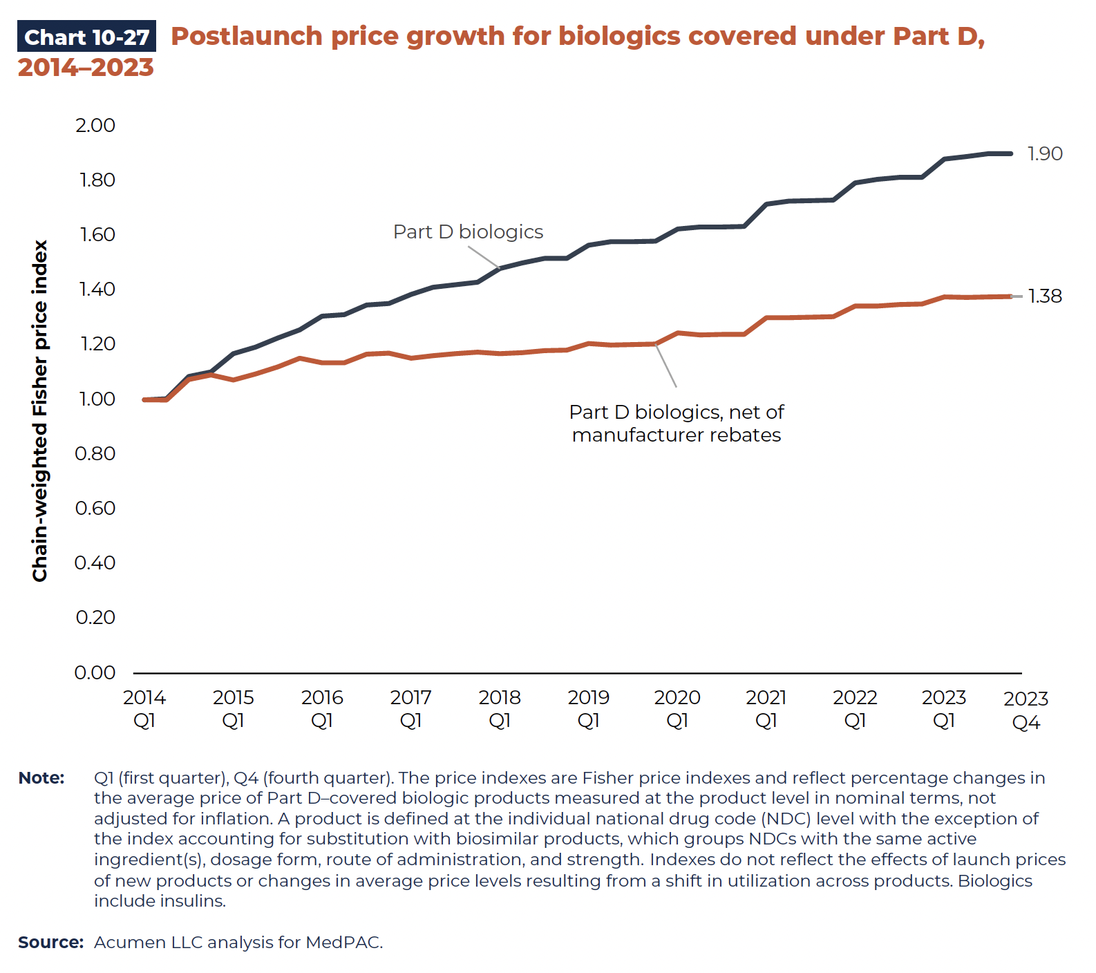
Chart 10-27. Postlaunch price growth for biologics covered under Part D, 2014-2023
Chain-weighted Fisher price index (2014 Q1 = 1.0)

 | Part D biologics | Part D biologics, net of manufacturer rebates
2014 Q1 | 1.00 | 1.00
2014 Q2 | 1.00 | 1.00
2014 Q3 | 1.08 | 1.07
2014 Q4 | 1.10 | 1.09
2015 Q1 | 1.17 | 1.07
2015 Q2 | 1.19 | 1.10
2015.Q3 | 1.23 | 1.12
2015 Q4 | 1.26 | 1.15
2016 Q1 | 1.31 | 1.14
2016 Q2 | 1.31 | 1.14
2016 Q3 | 1.35 | 1.17
2016 Q4 | 1.35 | 1.17
2017 Q1 | 1.39 | 1.15
2017 Q2 | 1.41 | 1.16
2017 Q3 | 1.42 | 1.17
2017 Q4 | 1.43 | 1.18
2018 Q1 | 1.48 | 1.17
2018 Q2 | 1.50 | 1.17
2018 Q3 | 1.52 | 1.18
2018 Q4 | 1.52 | 1.18
2019 Q1 | 1.57 | 1.21
2019 Q2 | 1.58 | 1.20
2019 Q3 | 1.58 | 1.20
2019 Q4 | 1.58 | 1.20
2020 Q1 | 1.62 | 1.25
2020 Q2 | 1.63 | 1.24
2020 Q3 | 1.63 | 1.24
2020 Q4 | 1.63 | 1.24
2021 Q1 | 1.71 | 1.30
2021 Q2 | 1.73 | 1.30
2021 Q3 | 1.73 | 1.30
2021 Q4 | 1.73 | 1.30
2022 Q1 | 1.79 | 1.34
2022 Q2 | 1.81 | 1.34
2022 Q3 | 1.81 | 1.35
2022 Q4 | 1.81 | 1.35
2023 Q1 | 1.88 | 1.38
2023 Q2 | 1.89 | 1.37
2023 Q3 | 1.90 | 1.38
2023 Q4 | 1.90 | 1.38

Back to Table of Contents

