Figure 3-2
This file presents the data, not otherwise shown or labeled in the chapter, underlying the figures in Chapter 3 of MedPAC's June 2024 Report to the Congress: Medicare and the Health Care Delivery System
https://www.medpac.gov/wp-content/uploads/2024/06/Jun24_Ch3_MedPAC_Report_To_Congress_SEC.pdf

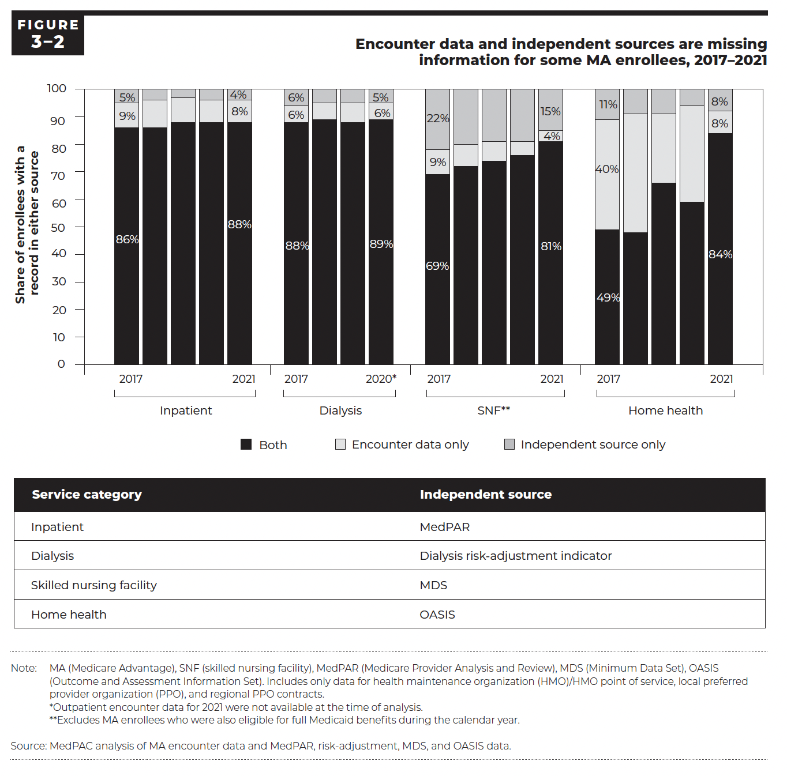
Figure 3-2. Encounter data and independent sources are missing information for some MA enrollees, 2017—2021
Share of enrollees with a record in either source

Service category | Year | Encounter data only | Independent source only | Both
Inpatient | 2017 | 9% | 5% | 86%
Inpatient | 2018 | 10% | 4% | 86%
Inpatient | 2019 | 9% | 3% | 88%
Inpatient | 2020 | 8% | 4% | 88%
Inpatient | 2021 | 8% | 4% | 88%
Dialysis | 2017 | 6% | 6% | 88%
Dialysis | 2018 | 6% | 5% | 89%
Dialysis | 2019 | 7% | 5% | 88%
Dialysis | 2020 | 6% | 5% | 89%
Dialysis | 2021 | NA | NA | NA
SNF | 2017 | 9% | 22% | 69%
SNF | 2018 | 8% | 20% | 72%
SNF | 2019 | 7% | 19% | 74%
SNF | 2020 | 5% | 19% | 76%
SNF | 2021 | 4% | 15% | 81%
Home health | 2017 | 40% | 11% | 49%
Home health | 2018 | 43% | 9% | 48%
Home health | 2019 | 25% | 9% | 66%
Home health | 2020 | 35% | 6% | 59%
Home health | 2021 | 8% | 8% | 84%

Back to Table of Contents

Figure 3-3
This file presents the data, not otherwise shown or labeled in the chapter, underlying the figures in Chapter 3 of MedPAC's June 2024 Report to the Congress: Medicare and the Health Care Delivery System
https://www.medpac.gov/wp-content/uploads/2024/06/Jun24_Ch3_MedPAC_Report_To_Congress_SEC.pdf

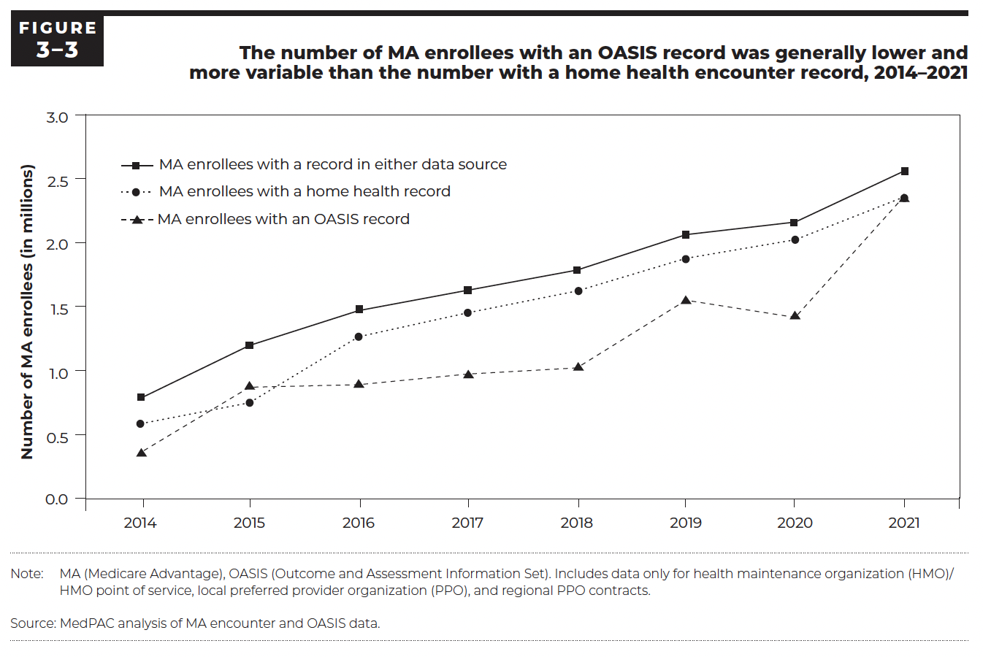
Figure 3-3. The number of MA enrollees with an OASIS record was generally lower and more variable than the number with a home health encounter record, 2014—2021
Number of MA enrollees (millions)

Year | Encounter data | OASIS | Either
2014 | 0.6 | 0.4 | 0.8
2015 | 0.7 | 0.9 | 1.2
2016 | 1.3 | 0.9 | 1.5
2017 | 1.5 | 1.0 | 1.6
2018 | 1.6 | 1.0 | 1.8
2019 | 1.9 | 1.5 | 2.1
2020 | 2.0 | 1.4 | 2.2
2021 | 2.4 | 2.4 | 2.6

Back to Table of Contents

Figure 3-6
This file presents the data, not otherwise shown or labeled in the chapter, underlying the figures in Chapter 3 of MedPAC's June 2024 Report to the Congress: Medicare and the Health Care Delivery System
https://www.medpac.gov/wp-content/uploads/2024/06/Jun24_Ch3_MedPAC_Report_To_Congress_SEC.pdf

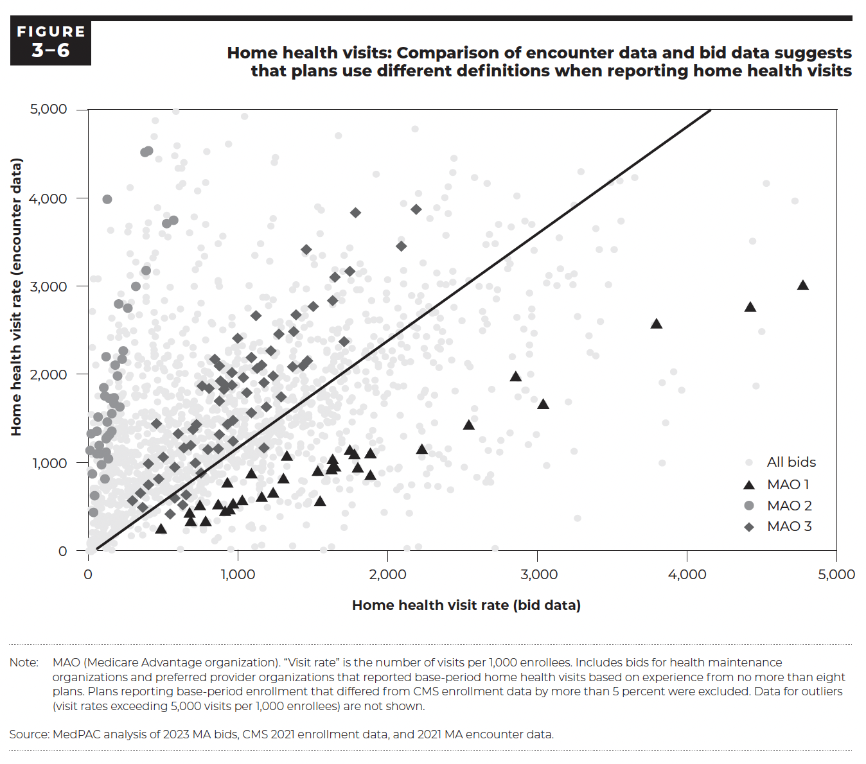
Figure 3-6. Home health visits: Comparison of encounter data and bid data suggests that plans use different definitions when reporting home health visits
Home health visit rate (per 1,000 enrollees)

MAO | Bid | Bid-based rate | Encounter-based rate
MAO 1 | 1 | 12 | 1338
MAO 1 | 2 | 49 | 1111
MAO 1 | 3 | 53 | 1366
MAO 1 | 4 | 186 | 1995
MAO 1 | 5 | 138 | 1741
MAO 1 | 6 | 98 | 1859
MAO 1 | 7 | 105 | 1769
MAO 1 | 8 | 111 | 2210
MAO 1 | 9 | 122 | 3995
MAO 1 | 10 | 564 | 3765
MAO 1 | 11 | 199 | 2813
MAO 1 | 12 | 521 | 3724
MAO 1 | 13 | 22 | 880
MAO 1 | 14 | 4 | 1145
MAO 1 | 15 | 77 | 1113
MAO 1 | 16 | 67 | 1200
MAO 1 | 17 | 79 | 985
MAO 1 | 18 | 115 | 1126
MAO 1 | 19 | 62 | 1523
MAO 1 | 20 | 35 | 632
MAO 1 | 21 | 26 | 441
MAO 1 | 22 | 107 | 826
MAO 1 | 23 | 127 | 1056
MAO 1 | 24 | 203 | 1637
MAO 1 | 25 | 176 | 2120
MAO 1 | 26 | 231 | 2277
MAO 1 | 27 | 221 | 2187
MAO 1 | 28 | 257 | 2767
MAO 1 | 29 | 116 | 1276
MAO 1 | 30 | 118 | 1474
MAO 1 | 31 | 140 | 1331
MAO 1 | 32 | 150 | 1568
MAO 1 | 33 | 378 | 3190
MAO 1 | 34 | 375 | 4529
MAO 1 | 35 | 315 | 3012
MAO 1 | 36 | 394 | 4546
MAO 1 | 37 | 167 | 1681
MAO 1 | 38 | 120 | 1296
MAO 1 | 39 | 148 | 1365
MAO 1 | 40 | 164 | 1742
MAO 2 | 1 | 3038 | 1681
MAO 2 | 2 | 1740 | 1157
MAO 2 | 3 | 1628 | 1051
MAO 2 | 4 | 1880 | 869
MAO 2 | 5 | 1298 | 832
MAO 2 | 6 | 1025 | 583
MAO 2 | 7 | 2540 | 1438
MAO 2 | 8 | 1529 | 918
MAO 2 | 9 | 1617 | 941
MAO 2 | 10 | 861 | 535
MAO 2 | 11 | 741 | 525
MAO 2 | 12 | 673 | 443
MAO 2 | 13 | 942 | 478
MAO 2 | 14 | 961 | 551
MAO 2 | 15 | 1777 | 1105
MAO 2 | 16 | 1088 | 887
MAO 2 | 17 | 680 | 347
MAO 2 | 18 | 781 | 347
MAO 2 | 19 | 479 | 267
MAO 2 | 20 | 3794 | 2595
MAO 2 | 21 | 927 | 782
MAO 2 | 22 | 1543 | 580
MAO 2 | 23 | 1322 | 1086
MAO 2 | 24 | 907 | 467
MAO 2 | 25 | 2854 | 1993
MAO 2 | 26 | 1800 | 961
MAO 2 | 27 | 4418 | 2782
MAO 2 | 28 | 4776 | 3025
MAO 2 | 29 | 1884 | 1122
MAO 2 | 30 | 1234 | 671
MAO 2 | 31 | 1884 | 1122
MAO 2 | 32 | 2226 | 1176
MAO 2 | 33 | 1153 | 629
MAO 2 | 34 | 1638 | 975
MAO 3 | 1 | 1364 | 2093
MAO 3 | 2 | 797 | 1156
MAO 3 | 3 | 1626 | 2852
MAO 3 | 4 | 906 | 1884
MAO 3 | 5 | 1463 | 2165
MAO 3 | 6 | 1184 | 1643
MAO 3 | 7 | 1125 | 2078
MAO 3 | 8 | 623 | 528
MAO 3 | 9 | 1031 | 1976
MAO 3 | 10 | 956 | 2027
MAO 3 | 11 | 1272 | 2464
MAO 3 | 12 | 1087 | 2203
MAO 3 | 13 | 1367 | 2498
MAO 3 | 14 | 1087 | 2203
MAO 3 | 15 | 1169 | 1173
MAO 3 | 16 | 1088 | 1573
MAO 3 | 17 | 996 | 2420
MAO 3 | 18 | 1454 | 3427
MAO 3 | 19 | 759 | 1881
MAO 3 | 20 | 1231 | 1993
MAO 3 | 21 | 1286 | 1758
MAO 3 | 22 | 959 | 1250
MAO 3 | 23 | 293 | 575
MAO 3 | 24 | 346 | 659
MAO 3 | 25 | 1385 | 2682
MAO 3 | 26 | 1150 | 2117
MAO 3 | 27 | 636 | 1180
MAO 3 | 28 | 922 | 1438
MAO 3 | 29 | 2089 | 3471
MAO 3 | 30 | 1642 | 3112
MAO 3 | 31 | 593 | 1337
MAO 3 | 32 | 904 | 1839
MAO 3 | 33 | 394 | 997
MAO 3 | 34 | 1114 | 2676
MAO 3 | 35 | 964 | 1489
MAO 3 | 36 | 714 | 1446
MAO 3 | 37 | 676 | 1202
MAO 3 | 38 | 1432 | 2107
MAO 3 | 39 | 1166 | 1921
MAO 3 | 40 | 874 | 1710
MAO 3 | 41 | 870 | 1325
MAO 3 | 42 | 838 | 2180
MAO 3 | 43 | 879 | 1936
MAO 3 | 44 | 493 | 1074
MAO 3 | 45 | 355 | 503
MAO 3 | 46 | 1498 | 2780
MAO 3 | 47 | 1740 | 3185
MAO 3 | 48 | 1783 | 3845
MAO 3 | 49 | 873 | 2106
MAO 3 | 50 | 465 | 823
MAO 3 | 51 | 575 | 960
MAO 3 | 52 | 696 | 1389
MAO 3 | 53 | 801 | 1852
MAO 3 | 54 | 863 | 1165
MAO 3 | 55 | 752 | 888
MAO 3 | 56 | 570 | 605
MAO 3 | 57 | 542 | 424
MAO 3 | 58 | 646 | 648
MAO 3 | 59 | 1054 | 1802
MAO 3 | 60 | 1216 | 2275
MAO 3 | 61 | 713 | 1006
MAO 3 | 62 | 446 | 1449
MAO 3 | 63 | 2185 | 3888
MAO 3 | 64 | 397 | 762
MAO 3 | 65 | 1703 | 2384
MAO 3 | 66 | 957 | 1888
Other | 1 | 82 | 408
Other | 2 | 935 | 1994
Other | 3 | 1439 | 2548
Other | 4 | 546 | 1022
Other | 5 | 585 | 727
Other | 6 | 503 | 2846
Other | 7 | 770 | 3353
Other | 8 | 670 | 3621
Other | 9 | 2655 | 3488
Other | 10 | 3240 | 3931
Other | 11 | 145 | 532
Other | 12 | 2105 | 2664
Other | 13 | 906 | 1074
Other | 14 | 803 | 948
Other | 15 | 532 | 686
Other | 16 | 957 | 1108
Other | 17 | 512 | 672
Other | 18 | 682 | 792
Other | 19 | 664 | 916
Other | 20 | 1909 | 2185
Other | 21 | 1242 | 1463
Other | 22 | 3245 | 3157
Other | 23 | 2859 | 2663
Other | 24 | 3408 | 3427
Other | 25 | 3202 | 3125
Other | 26 | 179 | 250
Other | 27 | 179 | 250
Other | 28 | 1543 | 903
Other | 29 | 899 | 432
Other | 30 | 417 | 476
Other | 31 | 1061 | 1580
Other | 32 | 1591 | 2263
Other | 33 | 234 | 1073
Other | 34 | 325 | 1778
Other | 35 | 194 | 531
Other | 36 | 442 | 942
Other | 37 | 547 | 1072
Other | 38 | 781 | 1906
Other | 39 | 388 | 1067
Other | 40 | 393 | 889
Other | 41 | 223 | 1110
Other | 42 | 1088 | 590
Other | 43 | 1211 | 1351
Other | 44 | 1160 | 261
Other | 45 | 603 | 1779
Other | 46 | 1084 | 302
Other | 47 | 1259 | 1523
Other | 48 | 1594 | 1588
Other | 49 | 1573 | 1560
Other | 50 | 815 | 964
Other | 51 | 2149 | 2152
Other | 52 | 1387 | 1464
Other | 53 | 1548 | 1605
Other | 54 | 1621 | 1648
Other | 55 | 1173 | 1138
Other | 56 | 699 | 625
Other | 57 | 565 | 904
Other | 58 | 2411 | 2386
Other | 59 | 1909 | 1947
Other | 60 | 1918 | 1803
Other | 61 | 1327 | 1205
Other | 62 | 1868 | 1872
Other | 63 | 1205 | 1208
Other | 64 | 1271 | 1246
Other | 65 | 842 | 857
Other | 66 | 660 | 615
Other | 67 | 883 | 878
Other | 68 | 839 | 890
Other | 69 | 862 | 877
Other | 70 | 726 | 690
Other | 71 | 2211 | 2693
Other | 72 | 2216 | 2904
Other | 73 | 1229 | 2858
Other | 74 | 1685 | 2102
Other | 75 | 2389 | 3589
Other | 76 | 1971 | 1760
Other | 77 | 1862 | 3093
Other | 78 | 1632 | 1467
Other | 79 | 2725 | 2871
Other | 80 | 1059 | 1114
Other | 81 | 813 | 1325
Other | 82 | 767 | 664
Other | 83 | 1907 | 2261
Other | 84 | 1262 | 1804
Other | 85 | 729 | 1899
Other | 86 | 2033 | 2177
Other | 87 | 1081 | 1008
Other | 88 | 1660 | 2905
Other | 89 | 1849 | 1940
Other | 90 | 1585 | 1616
Other | 91 | 791 | 339
Other | 92 | 933 | 1397
Other | 93 | 140 | 951
Other | 94 | 986 | 2121
Other | 95 | 1375 | 2137
Other | 96 | 1906 | 1550
Other | 97 | 2830 | 2208
Other | 98 | 682 | 989
Other | 99 | 753 | 1185
Other | 100 | 874 | 790
Other | 101 | 606 | 910
Other | 102 | 1313 | 1331
Other | 103 | 591 | 613
Other | 104 | 709 | 1579
Other | 105 | 1504 | 3256
Other | 106 | 410 | 683
Other | 107 | 1064 | 2767
Other | 108 | 1919 | 4288
Other | 109 | 171 | 315
Other | 110 | 86 | 372
Other | 111 | 297 | 531
Other | 112 | 244 | 404
Other | 113 | 797 | 2040
Other | 114 | 511 | 779
Other | 115 | 279 | 449
Other | 116 | 892 | 1788
Other | 117 | 44 | 217
Other | 118 | 780 | 1130
Other | 119 | 607 | 988
Other | 120 | 432 | 841
Other | 121 | 609 | 987
Other | 122 | 74 | 200
Other | 123 | 1368 | 1901
Other | 124 | 123 | 1098
Other | 125 | 219 | 423
Other | 126 | 328 | 798
Other | 127 | 489 | 1259
Other | 128 | 994 | 2179
Other | 129 | 949 | 2088
Other | 130 | 1024 | 2331
...

